DFNA5 _multivariate
Reported by Tex Li-Hsing Chi. tex@gate.sinica.edu.tw 2019-08-20

Table 2. The clinicopathological features of HNSCC cohort and DFNA5 expression. (Chi square test)
Cutoff at 0.42 (69.6%)
 |  | DFNA5 expression |  | DFNA5 expression |  | (Optimised)
 | Features | Low | (%) | High | (%) | Case no | P-value | Remark | Matthews
Gender | Female | 219 | 52.8 | 87 | 21 | 415 | 0.1897 | 0 | 0
2 | Male | 70 | 16.9 | 39 | 9.4
Age at diagnosis | <=65y | 188 | 45.3 | 86 | 20.7 | 415 | 0.6027 | 0 | 0
4 | >65y | 101 | 24.3 | 40 | 9.6
Clinical T Status | T1+T2 | 106 | 25.5 | 43 | 10.4 | 415 | 0.6988 | 0 | 0
6 | T3+T4 | 183 | 44.1 | 83 | 20
Clinical N Status | N0 | 152 | 36.6 | 64 | 15.4 | 415 | 0.8174 | 0 | 0
8 | N1-3 | 137 | 33 | 62 | 14.9
Clinical M Status | M0 | 289 | 69.6 | 123 | 29.6 | 415 | 0.0275 | 1 | 0
10 | M1 | 0 | 0 | 3 | 0.7
Clinical Stage | Stage I+II | 70 | 16.9 | 32 | 7.7 | 415 | 0.8952 | 0 | 0
12 | Stage III+IV | 219 | 52.8 | 94 | 22.7
Surgical Margin status | Negative | 221 | 53.3 | 97 | 23.4 | 415 | 1 | 0 | 0
14 | Positive | 68 | 16.4 | 29 | 7
Tobacco Exposure | Low | 108 | 26 | 53 | 12.8 | 415 | 0.3823 | 0 | 0
16 | High | 181 | 43.6 | 73 | 17.6

Table 3. Univariate/Multivariate Cox's proportional hazards regression analyses on OS time of DFNA5 gene expression in HNSCC

 |  | Univariate |  |  |  | Multivariate
 | Features | HR | CI95%(L) | CI95%(H) | P-value | HR | CI95%(L) | CI95%(H) | P-value
1 | Female | 1 |  |  |  | 1
Gender | Male | 1.157 | 0.843 | 1.587 | 0.367 | 1.15 | 0.821 | 1.611 | 0.415
11 | <=65y | 1 |  |  |  | 1
Age at diagnosis | >65y | 1.329 | 0.99 | 1.784 | 0.058 | 1.43 | 1.052 | 1.944 | 0.022
12 | T1+T2 | 1 |  |  |  | 1
Clinical T Status | T3+T4 | 1.409 | 1.028 | 1.931 | 0.033 | 2.162 | 1.143 | 4.091 | 0.018
13 | N0 | 1 |  |  |  | 1
Clinical N Status | N1-3 | 1.185 | 0.89 | 1.577 | 0.246 | 1.231 | 0.863 | 1.755 | 0.252
14 | M0 | 1 |  |  |  | 1
Clinical M Status | M1 | 4.097 | 1.009 | 16.644 | 0.049 | 7.264 | 1.559 | 33.835 | 0.012
15 | Stage I+II | 1 |  |  |  | 1
Clinical Stage | Stage III+IV | 1.245 | 0.882 | 1.759 | 0.213 | 0.537 | 0.249 | 1.156 | 0.112
16 | Negative | 1 |  |  |  | 1
Surgical Margin status | Positive | 1.591 | 1.155 | 2.191 | 0.004 | 1.668 | 1.208 | 2.303 | 0.002
17 | Low | 1 |  |  |  | 1
Tobacco Exposure | High | 1.364 | 1.008 | 1.844 | 0.044 | 1.46 | 1.061 | 2.009 | 0.02
18 | Low | 1 |  |  |  | 1
RNAseq(z-score) | High | 1.413 | 1.045 | 1.91 | 0.025 | 1.409 | 1.032 | 1.923 | 0.031

Table 4. Univariate/Multivariate Cox's proportional hazards regression analyses on RFS time of DFNA5 gene expression in HNSCC

 |  | Univariate |  |  |  | Multivariate
 | Features | HR | CI95%(L) | CI95%(H) | P-value | HR | CI95%(L) | CI95%(H) | P-value
1 | Female | 1 |  |  |  | 1
Gender | Male | 1.157 | 0.843 | 1.587 | 0.367 | 1.15 | 0.821 | 1.611 | 0.415
11 | <=65y | 1 |  |  |  | 1
Age at diagnosis | >65y | 1.329 | 0.99 | 1.784 | 0.058 | 1.43 | 1.052 | 1.944 | 0.022
12 | T1+T2 | 1 |  |  |  | 1
Clinical T Status | T3+T4 | 1.409 | 1.028 | 1.931 | 0.033 | 2.162 | 1.143 | 4.091 | 0.018
13 | N0 | 1 |  |  |  | 1
Clinical N Status | N1-3 | 1.185 | 0.89 | 1.577 | 0.246 | 1.231 | 0.863 | 1.755 | 0.252
14 | M0 | 1 |  |  |  | 1
Clinical M Status | M1 | 4.097 | 1.009 | 16.644 | 0.049 | 7.264 | 1.559 | 33.835 | 0.012
15 | Stage I+II | 1 |  |  |  | 1
Clinical Stage | Stage III+IV | 1.245 | 0.882 | 1.759 | 0.213 | 0.537 | 0.249 | 1.156 | 0.112
16 | Negative | 1 |  |  |  | 1
Surgical Margin status | Positive | 1.591 | 1.155 | 2.191 | 0.004 | 1.668 | 1.208 | 2.303 | 0.002
17 | Low | 1 |  |  |  | 1
Tobacco Exposure | High | 1.364 | 1.008 | 1.844 | 0.044 | 1.46 | 1.061 | 2.009 | 0.02
18 | Low | 1 |  |  |  | 1
RNAseq(z-score) | High | 1.413 | 1.045 | 1.91 | 0.025 | 1.409 | 1.032 | 1.923 | 0.031

Kaplan-Meier survival estimate: Cutoff at 0.42 (69.6%)

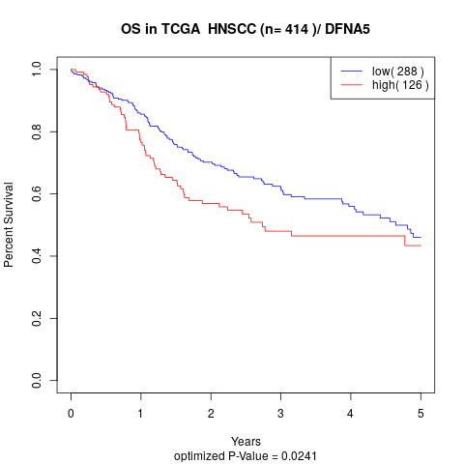

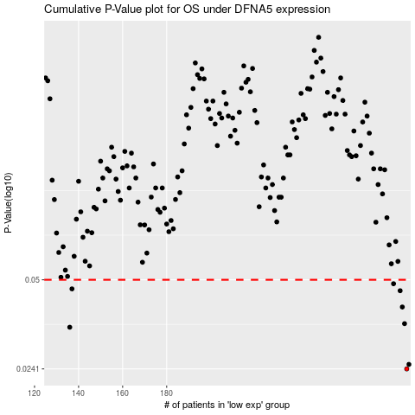

 |  |  |  |  |  | cases_OS | p_OS | rank | exp
 |  |  |  |  |  | 289 | 0.0241 | 218 | 0.419992419
 |  |  |  |  |  | 290 | 0.025 | 377 | 0.42389415939
 |  |  |  |  |  | 136 | 0.0339 | 80 | -0.44419279959
 |  |  |  |  |  | 288 | 0.0349 | 190 | 0.38002568257
 |  |  |  |  |  | 287 | 0.04 | 386 | 0.37451757008
 |  |  |  |  |  | 286 | 0.0457 | 238 | 0.3725486554
 |  |  |  |  |  | 137 | 0.0464 | 339 | -0.43217806736
 |  |  |  |  |  | 283 | 0.0484 | 115 | 0.34567849364
 |  |  |  |  |  |  | cases_RFS | p_RFS | rank | exp
 |  |  |  |  |  |  | 288 | 0.0241 | 190 | 0.38002568257
 |  |  |  |  |  |  | 289 | 0.025 | 218 | 0.419992419
 |  |  |  |  |  |  | 135 | 0.0339 | 184 | -0.44563250129
 |  |  |  |  |  |  | 287 | 0.0349 | 386 | 0.37451757008
 |  |  |  |  |  |  | 286 | 0.04 | 238 | 0.3725486554
 |  |  |  |  |  |  | 285 | 0.0457 | 132 | 0.3699673303
 |  |  |  |  |  |  | 136 | 0.0464 | 80 | -0.44419279959
 |  |  |  |  |  |  | 282 | 0.0484 | 91 | 0.34293821181

