DFNB31 _multivariate
Reported by Tex Li-Hsing Chi. tex@gate.sinica.edu.tw 2019-08-20

Table 2. The clinicopathological features of HNSCC cohort and DFNB31 expression. (Chi square test)
Cutoff at -0.293 (49.8%)
 |  | DFNB31 expression |  | DFNB31 expression |  | (Optimised)
 | Features | Low | (%) | High | (%) | Case no | P-value | Remark | Matthews
Gender | Female | 149 | 35.9 | 157 | 37.8 | 415 | 0.4848 | 0 | 0
2 | Male | 58 | 14 | 51 | 12.3
Age at diagnosis | <=65y | 132 | 31.8 | 142 | 34.2 | 415 | 0.3874 | 0 | 0
4 | >65y | 75 | 18.1 | 66 | 15.9
Clinical T Status | T1+T2 | 70 | 16.9 | 79 | 19 | 415 | 0.4343 | 0 | 0
6 | T3+T4 | 137 | 33 | 129 | 31.1
Clinical N Status | N0 | 107 | 25.8 | 109 | 26.3 | 415 | 0.9624 | 0 | 0
8 | N1-3 | 100 | 24.1 | 99 | 23.9
Clinical M Status | M0 | 206 | 49.6 | 206 | 49.6 | 415 | 1 | 0 | 0
10 | M1 | 1 | 0.2 | 2 | 0.5
Clinical Stage | Stage I+II | 50 | 12 | 52 | 12.5 | 415 | 0.9315 | 0 | 0
12 | Stage III+IV | 157 | 37.8 | 156 | 37.6
Surgical Margin status | Negative | 157 | 37.8 | 161 | 38.8 | 415 | 0.729 | 0 | 0
14 | Positive | 50 | 12 | 47 | 11.3
Tobacco Exposure | Low | 78 | 18.8 | 83 | 20 | 415 | 0.6873 | 0 | 0
16 | High | 129 | 31.1 | 125 | 30.1

Table 3. Univariate/Multivariate Cox's proportional hazards regression analyses on OS time of DFNB31 gene expression in HNSCC

 |  | Univariate |  |  |  | Multivariate
 | Features | HR | CI95%(L) | CI95%(H) | P-value | HR | CI95%(L) | CI95%(H) | P-value
1 | Female | 1 |  |  |  | 1
Gender | Male | 1.157 | 0.843 | 1.587 | 0.367 | 1.177 | 0.841 | 1.648 | 0.342
11 | <=65y | 1 |  |  |  | 1
Age at diagnosis | >65y | 1.329 | 0.99 | 1.784 | 0.058 | 1.403 | 1.032 | 1.909 | 0.031
12 | T1+T2 | 1 |  |  |  | 1
Clinical T Status | T3+T4 | 1.409 | 1.028 | 1.931 | 0.033 | 2.178 | 1.151 | 4.119 | 0.017
13 | N0 | 1 |  |  |  | 1
Clinical N Status | N1-3 | 1.185 | 0.89 | 1.577 | 0.246 | 1.256 | 0.879 | 1.795 | 0.21
14 | M0 | 1 |  |  |  | 1
Clinical M Status | M1 | 4.097 | 1.009 | 16.644 | 0.049 | 9.395 | 2.05 | 43.056 | 0.004
15 | Stage I+II | 1 |  |  |  | 1
Clinical Stage | Stage III+IV | 1.245 | 0.882 | 1.759 | 0.213 | 0.507 | 0.236 | 1.089 | 0.081
16 | Negative | 1 |  |  |  | 1
Surgical Margin status | Positive | 1.591 | 1.155 | 2.191 | 0.004 | 1.661 | 1.202 | 2.295 | 0.002
17 | Low | 1 |  |  |  | 1
Tobacco Exposure | High | 1.364 | 1.008 | 1.844 | 0.044 | 1.439 | 1.044 | 1.984 | 0.026
18 | Low | 1 |  |  |  | 1
RNAseq(z-score) | High | 0.808 | 0.606 | 1.078 | 0.148 | 0.838 | 0.626 | 1.121 | 0.234

Table 4. Univariate/Multivariate Cox's proportional hazards regression analyses on RFS time of DFNB31 gene expression in HNSCC

 |  | Univariate |  |  |  | Multivariate
 | Features | HR | CI95%(L) | CI95%(H) | P-value | HR | CI95%(L) | CI95%(H) | P-value
1 | Female | 1 |  |  |  | 1
Gender | Male | 1.157 | 0.843 | 1.587 | 0.367 | 1.177 | 0.841 | 1.648 | 0.342
11 | <=65y | 1 |  |  |  | 1
Age at diagnosis | >65y | 1.329 | 0.99 | 1.784 | 0.058 | 1.403 | 1.032 | 1.909 | 0.031
12 | T1+T2 | 1 |  |  |  | 1
Clinical T Status | T3+T4 | 1.409 | 1.028 | 1.931 | 0.033 | 2.178 | 1.151 | 4.119 | 0.017
13 | N0 | 1 |  |  |  | 1
Clinical N Status | N1-3 | 1.185 | 0.89 | 1.577 | 0.246 | 1.256 | 0.879 | 1.795 | 0.21
14 | M0 | 1 |  |  |  | 1
Clinical M Status | M1 | 4.097 | 1.009 | 16.644 | 0.049 | 9.395 | 2.05 | 43.056 | 0.004
15 | Stage I+II | 1 |  |  |  | 1
Clinical Stage | Stage III+IV | 1.245 | 0.882 | 1.759 | 0.213 | 0.507 | 0.236 | 1.089 | 0.081
16 | Negative | 1 |  |  |  | 1
Surgical Margin status | Positive | 1.591 | 1.155 | 2.191 | 0.004 | 1.661 | 1.202 | 2.295 | 0.002
17 | Low | 1 |  |  |  | 1
Tobacco Exposure | High | 1.364 | 1.008 | 1.844 | 0.044 | 1.439 | 1.044 | 1.984 | 0.026
18 | Low | 1 |  |  |  | 1
RNAseq(z-score) | High | 0.808 | 0.606 | 1.078 | 0.148 | 0.838 | 0.626 | 1.121 | 0.234

Kaplan-Meier survival estimate: Cutoff at -0.293 (49.8%)



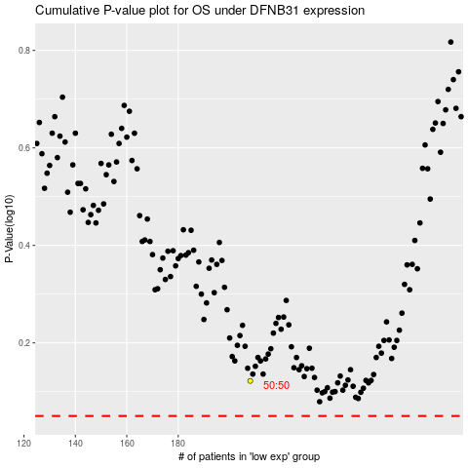

 |  |  |  |  |  | cases_OS | p_OS | rank | exp
 |  |  |  |  |  |  | cases_RFS | p_RFS | rank | exp

