DFNB59 _multivariate
Reported by Tex Li-Hsing Chi. tex@gate.sinica.edu.tw 2019-08-20

Table 2. The clinicopathological features of HNSCC cohort and DFNB59 expression. (Chi square test)
Cutoff at -0.301 (49.8%)
 |  | DFNB59 expression |  | DFNB59 expression |  | (Optimised)
 | Features | Low | (%) | High | (%) | Case no | P-value | Remark | Matthews
Gender | Female | 149 | 35.9 | 157 | 37.8 | 415 | 0.4848 | 0 | 0
2 | Male | 58 | 14 | 51 | 12.3
Age at diagnosis | <=65y | 144 | 34.7 | 130 | 31.3 | 415 | 0.1568 | 0 | 0
4 | >65y | 63 | 15.2 | 78 | 18.8
Clinical T Status | T1+T2 | 69 | 16.6 | 80 | 19.3 | 415 | 0.3239 | 0 | 0
6 | T3+T4 | 138 | 33.3 | 128 | 30.8
Clinical N Status | N0 | 98 | 23.6 | 118 | 28.4 | 415 | 0.0694 | 0 | 0
8 | N1-3 | 109 | 26.3 | 90 | 21.7
Clinical M Status | M0 | 206 | 49.6 | 206 | 49.6 | 415 | 1 | 0 | 0
10 | M1 | 1 | 0.2 | 2 | 0.5
Clinical Stage | Stage I+II | 48 | 11.6 | 54 | 13 | 415 | 0.5878 | 0 | 0
12 | Stage III+IV | 159 | 38.3 | 154 | 37.1
Surgical Margin status | Negative | 167 | 40.2 | 151 | 36.4 | 415 | 0.0632 | 0 | 0
14 | Positive | 40 | 9.6 | 57 | 13.7
Tobacco Exposure | Low | 77 | 18.6 | 84 | 20.2 | 415 | 0.5459 | 0 | 0
16 | High | 130 | 31.3 | 124 | 29.9

Table 3. Univariate/Multivariate Cox's proportional hazards regression analyses on OS time of DFNB59 gene expression in HNSCC

 |  | Univariate |  |  |  | Multivariate
 | Features | HR | CI95%(L) | CI95%(H) | P-value | HR | CI95%(L) | CI95%(H) | P-value
1 | Female | 1 |  |  |  | 1
Gender | Male | 1.157 | 0.843 | 1.587 | 0.367 | 1.199 | 0.858 | 1.676 | 0.287
11 | <=65y | 1 |  |  |  | 1
Age at diagnosis | >65y | 1.329 | 0.99 | 1.784 | 0.058 | 1.401 | 1.029 | 1.907 | 0.032
12 | T1+T2 | 1 |  |  |  | 1
Clinical T Status | T3+T4 | 1.409 | 1.028 | 1.931 | 0.033 | 2.193 | 1.159 | 4.147 | 0.016
13 | N0 | 1 |  |  |  | 1
Clinical N Status | N1-3 | 1.185 | 0.89 | 1.577 | 0.246 | 1.233 | 0.863 | 1.761 | 0.25
14 | M0 | 1 |  |  |  | 1
Clinical M Status | M1 | 4.097 | 1.009 | 16.644 | 0.049 | 9.491 | 2.069 | 43.527 | 0.004
15 | Stage I+II | 1 |  |  |  | 1
Clinical Stage | Stage III+IV | 1.245 | 0.882 | 1.759 | 0.213 | 0.507 | 0.236 | 1.09 | 0.082
16 | Negative | 1 |  |  |  | 1
Surgical Margin status | Positive | 1.591 | 1.155 | 2.191 | 0.004 | 1.697 | 1.22 | 2.362 | 0.002
17 | Low | 1 |  |  |  | 1
Tobacco Exposure | High | 1.364 | 1.008 | 1.844 | 0.044 | 1.459 | 1.058 | 2.012 | 0.021
18 | Low | 1 |  |  |  | 1
RNAseq(z-score) | High | 1.014 | 0.761 | 1.351 | 0.925 | 0.935 | 0.695 | 1.256 | 0.654

Table 4. Univariate/Multivariate Cox's proportional hazards regression analyses on RFS time of DFNB59 gene expression in HNSCC

 |  | Univariate |  |  |  | Multivariate
 | Features | HR | CI95%(L) | CI95%(H) | P-value | HR | CI95%(L) | CI95%(H) | P-value
1 | Female | 1 |  |  |  | 1
Gender | Male | 1.157 | 0.843 | 1.587 | 0.367 | 1.199 | 0.858 | 1.676 | 0.287
11 | <=65y | 1 |  |  |  | 1
Age at diagnosis | >65y | 1.329 | 0.99 | 1.784 | 0.058 | 1.401 | 1.029 | 1.907 | 0.032
12 | T1+T2 | 1 |  |  |  | 1
Clinical T Status | T3+T4 | 1.409 | 1.028 | 1.931 | 0.033 | 2.193 | 1.159 | 4.147 | 0.016
13 | N0 | 1 |  |  |  | 1
Clinical N Status | N1-3 | 1.185 | 0.89 | 1.577 | 0.246 | 1.233 | 0.863 | 1.761 | 0.25
14 | M0 | 1 |  |  |  | 1
Clinical M Status | M1 | 4.097 | 1.009 | 16.644 | 0.049 | 9.491 | 2.069 | 43.527 | 0.004
15 | Stage I+II | 1 |  |  |  | 1
Clinical Stage | Stage III+IV | 1.245 | 0.882 | 1.759 | 0.213 | 0.507 | 0.236 | 1.09 | 0.082
16 | Negative | 1 |  |  |  | 1
Surgical Margin status | Positive | 1.591 | 1.155 | 2.191 | 0.004 | 1.697 | 1.22 | 2.362 | 0.002
17 | Low | 1 |  |  |  | 1
Tobacco Exposure | High | 1.364 | 1.008 | 1.844 | 0.044 | 1.459 | 1.058 | 2.012 | 0.021
18 | Low | 1 |  |  |  | 1
RNAseq(z-score) | High | 1.014 | 0.761 | 1.351 | 0.925 | 0.935 | 0.695 | 1.256 | 0.654

Kaplan-Meier survival estimate: Cutoff at -0.301 (49.8%)



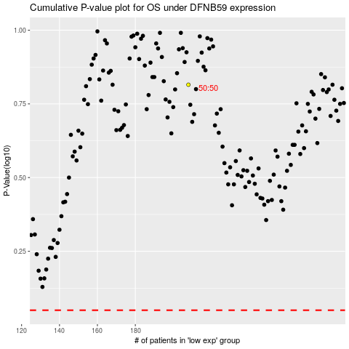

 |  |  |  |  |  | cases_OS | p_OS | rank | exp
 |  |  |  |  |  |  | cases_RFS | p_RFS | rank | exp

