DGAT1 _multivariate
Reported by Tex Li-Hsing Chi. tex@gate.sinica.edu.tw 2019-08-20

Table 2. The clinicopathological features of HNSCC cohort and DGAT1 expression. (Chi square test)
Cutoff at -0.26 (50.0%)
 |  | DGAT1 expression |  | DGAT1 expression |  | (Optimised)
 | Features | Low | (%) | High | (%) | Case no | P-value | Remark | Matthews
Gender | Female | 161 | 38.8 | 145 | 34.9 | 415 | 0.0792 | 0 | 0
2 | Male | 46 | 11.1 | 63 | 15.2
Age at diagnosis | <=65y | 139 | 33.5 | 135 | 32.5 | 415 | 0.7044 | 0 | 0
4 | >65y | 68 | 16.4 | 73 | 17.6
Clinical T Status | T1+T2 | 86 | 20.7 | 63 | 15.2 | 415 | 0.0221 | 1 | 0
6 | T3+T4 | 121 | 29.2 | 145 | 34.9
Clinical N Status | N0 | 106 | 25.5 | 110 | 26.5 | 415 | 0.8075 | 0 | 0
8 | N1-3 | 101 | 24.3 | 98 | 23.6
Clinical M Status | M0 | 205 | 49.4 | 207 | 49.9 | 415 | 0.6232 | 0 | 0
10 | M1 | 2 | 0.5 | 1 | 0.2
Clinical Stage | Stage I+II | 58 | 14 | 44 | 10.6 | 415 | 0.131 | 0 | 0
12 | Stage III+IV | 149 | 35.9 | 164 | 39.5
Surgical Margin status | Negative | 156 | 37.6 | 162 | 39 | 415 | 0.5636 | 0 | 0
14 | Positive | 51 | 12.3 | 46 | 11.1
Tobacco Exposure | Low | 76 | 18.3 | 85 | 20.5 | 415 | 0.4207 | 0 | 0
16 | High | 131 | 31.6 | 123 | 29.6

Table 3. Univariate/Multivariate Cox's proportional hazards regression analyses on OS time of DGAT1 gene expression in HNSCC

 |  | Univariate |  |  |  | Multivariate
 | Features | HR | CI95%(L) | CI95%(H) | P-value | HR | CI95%(L) | CI95%(H) | P-value
1 | Female | 1 |  |  |  | 1
Gender | Male | 1.157 | 0.843 | 1.587 | 0.367 | 1.218 | 0.872 | 1.703 | 0.248
11 | <=65y | 1 |  |  |  | 1
Age at diagnosis | >65y | 1.329 | 0.99 | 1.784 | 0.058 | 1.386 | 1.02 | 1.885 | 0.037
12 | T1+T2 | 1 |  |  |  | 1
Clinical T Status | T3+T4 | 1.409 | 1.028 | 1.931 | 0.033 | 2.252 | 1.189 | 4.266 | 0.013
13 | N0 | 1 |  |  |  | 1
Clinical N Status | N1-3 | 1.185 | 0.89 | 1.577 | 0.246 | 1.248 | 0.875 | 1.781 | 0.222
14 | M0 | 1 |  |  |  | 1
Clinical M Status | M1 | 4.097 | 1.009 | 16.644 | 0.049 | 9.429 | 2.057 | 43.216 | 0.004
15 | Stage I+II | 1 |  |  |  | 1
Clinical Stage | Stage III+IV | 1.245 | 0.882 | 1.759 | 0.213 | 0.495 | 0.23 | 1.065 | 0.072
16 | Negative | 1 |  |  |  | 1
Surgical Margin status | Positive | 1.591 | 1.155 | 2.191 | 0.004 | 1.676 | 1.213 | 2.317 | 0.002
17 | Low | 1 |  |  |  | 1
Tobacco Exposure | High | 1.364 | 1.008 | 1.844 | 0.044 | 1.453 | 1.055 | 2.001 | 0.022
18 | Low | 1 |  |  |  | 1
RNAseq(z-score) | High | 0.91 | 0.682 | 1.215 | 0.523 | 0.871 | 0.651 | 1.165 | 0.351

Table 4. Univariate/Multivariate Cox's proportional hazards regression analyses on RFS time of DGAT1 gene expression in HNSCC

 |  | Univariate |  |  |  | Multivariate
 | Features | HR | CI95%(L) | CI95%(H) | P-value | HR | CI95%(L) | CI95%(H) | P-value
1 | Female | 1 |  |  |  | 1
Gender | Male | 1.157 | 0.843 | 1.587 | 0.367 | 1.218 | 0.872 | 1.703 | 0.248
11 | <=65y | 1 |  |  |  | 1
Age at diagnosis | >65y | 1.329 | 0.99 | 1.784 | 0.058 | 1.386 | 1.02 | 1.885 | 0.037
12 | T1+T2 | 1 |  |  |  | 1
Clinical T Status | T3+T4 | 1.409 | 1.028 | 1.931 | 0.033 | 2.252 | 1.189 | 4.266 | 0.013
13 | N0 | 1 |  |  |  | 1
Clinical N Status | N1-3 | 1.185 | 0.89 | 1.577 | 0.246 | 1.248 | 0.875 | 1.781 | 0.222
14 | M0 | 1 |  |  |  | 1
Clinical M Status | M1 | 4.097 | 1.009 | 16.644 | 0.049 | 9.429 | 2.057 | 43.216 | 0.004
15 | Stage I+II | 1 |  |  |  | 1
Clinical Stage | Stage III+IV | 1.245 | 0.882 | 1.759 | 0.213 | 0.495 | 0.23 | 1.065 | 0.072
16 | Negative | 1 |  |  |  | 1
Surgical Margin status | Positive | 1.591 | 1.155 | 2.191 | 0.004 | 1.676 | 1.213 | 2.317 | 0.002
17 | Low | 1 |  |  |  | 1
Tobacco Exposure | High | 1.364 | 1.008 | 1.844 | 0.044 | 1.453 | 1.055 | 2.001 | 0.022
18 | Low | 1 |  |  |  | 1
RNAseq(z-score) | High | 0.91 | 0.682 | 1.215 | 0.523 | 0.871 | 0.651 | 1.165 | 0.351

Kaplan-Meier survival estimate: Cutoff at -0.26 (50.0%)



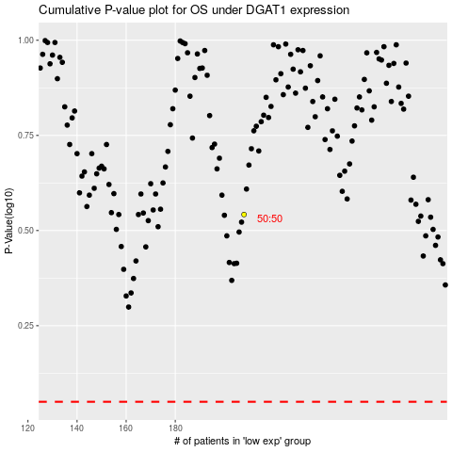

 |  |  |  |  |  | cases_OS | p_OS | rank | exp
 |  |  |  |  |  |  | cases_RFS | p_RFS | rank | exp

