DGCR14 _multivariate
Reported by Tex Li-Hsing Chi. tex@gate.sinica.edu.tw 2019-08-20

Table 2. The clinicopathological features of HNSCC cohort and DGCR14 expression. (Chi square test)
Cutoff at -0.133 (50.0%)
 |  | DGCR14 expression |  | DGCR14 expression |  | (Optimised)
 | Features | Low | (%) | High | (%) | Case no | P-value | Remark | Matthews
Gender | Female | 147 | 35.4 | 159 | 38.3 | 415 | 0.2523 | 0 | 0
2 | Male | 60 | 14.5 | 49 | 11.8
Age at diagnosis | <=65y | 132 | 31.8 | 142 | 34.2 | 415 | 0.3874 | 0 | 0
4 | >65y | 75 | 18.1 | 66 | 15.9
Clinical T Status | T1+T2 | 80 | 19.3 | 69 | 16.6 | 415 | 0.2891 | 0 | 0
6 | T3+T4 | 127 | 30.6 | 139 | 33.5
Clinical N Status | N0 | 111 | 26.7 | 105 | 25.3 | 415 | 0.5875 | 0 | 0
8 | N1-3 | 96 | 23.1 | 103 | 24.8
Clinical M Status | M0 | 206 | 49.6 | 206 | 49.6 | 415 | 1 | 0 | 0
10 | M1 | 1 | 0.2 | 2 | 0.5
Clinical Stage | Stage I+II | 57 | 13.7 | 45 | 10.8 | 415 | 0.1998 | 0 | 0
12 | Stage III+IV | 150 | 36.1 | 163 | 39.3
Surgical Margin status | Negative | 154 | 37.1 | 164 | 39.5 | 415 | 0.2984 | 0 | 0
14 | Positive | 53 | 12.8 | 44 | 10.6
Tobacco Exposure | Low | 83 | 20 | 78 | 18.8 | 415 | 0.6152 | 0 | 0
16 | High | 124 | 29.9 | 130 | 31.3

Table 3. Univariate/Multivariate Cox's proportional hazards regression analyses on OS time of DGCR14 gene expression in HNSCC

 |  | Univariate |  |  |  | Multivariate
 | Features | HR | CI95%(L) | CI95%(H) | P-value | HR | CI95%(L) | CI95%(H) | P-value
1 | Female | 1 |  |  |  | 1
Gender | Male | 1.157 | 0.843 | 1.587 | 0.367 | 1.188 | 0.85 | 1.661 | 0.312
11 | <=65y | 1 |  |  |  | 1
Age at diagnosis | >65y | 1.329 | 0.99 | 1.784 | 0.058 | 1.374 | 1.01 | 1.871 | 0.043
12 | T1+T2 | 1 |  |  |  | 1
Clinical T Status | T3+T4 | 1.409 | 1.028 | 1.931 | 0.033 | 2.212 | 1.17 | 4.184 | 0.015
13 | N0 | 1 |  |  |  | 1
Clinical N Status | N1-3 | 1.185 | 0.89 | 1.577 | 0.246 | 1.239 | 0.868 | 1.768 | 0.238
14 | M0 | 1 |  |  |  | 1
Clinical M Status | M1 | 4.097 | 1.009 | 16.644 | 0.049 | 9.745 | 2.121 | 44.766 | 0.003
15 | Stage I+II | 1 |  |  |  | 1
Clinical Stage | Stage III+IV | 1.245 | 0.882 | 1.759 | 0.213 | 0.509 | 0.237 | 1.093 | 0.083
16 | Negative | 1 |  |  |  | 1
Surgical Margin status | Positive | 1.591 | 1.155 | 2.191 | 0.004 | 1.665 | 1.205 | 2.3 | 0.002
17 | Low | 1 |  |  |  | 1
Tobacco Exposure | High | 1.364 | 1.008 | 1.844 | 0.044 | 1.453 | 1.056 | 2.001 | 0.022
18 | Low | 1 |  |  |  | 1
RNAseq(z-score) | High | 0.879 | 0.66 | 1.172 | 0.381 | 0.883 | 0.66 | 1.182 | 0.403

Table 4. Univariate/Multivariate Cox's proportional hazards regression analyses on RFS time of DGCR14 gene expression in HNSCC

 |  | Univariate |  |  |  | Multivariate
 | Features | HR | CI95%(L) | CI95%(H) | P-value | HR | CI95%(L) | CI95%(H) | P-value
1 | Female | 1 |  |  |  | 1
Gender | Male | 1.157 | 0.843 | 1.587 | 0.367 | 1.188 | 0.85 | 1.661 | 0.312
11 | <=65y | 1 |  |  |  | 1
Age at diagnosis | >65y | 1.329 | 0.99 | 1.784 | 0.058 | 1.374 | 1.01 | 1.871 | 0.043
12 | T1+T2 | 1 |  |  |  | 1
Clinical T Status | T3+T4 | 1.409 | 1.028 | 1.931 | 0.033 | 2.212 | 1.17 | 4.184 | 0.015
13 | N0 | 1 |  |  |  | 1
Clinical N Status | N1-3 | 1.185 | 0.89 | 1.577 | 0.246 | 1.239 | 0.868 | 1.768 | 0.238
14 | M0 | 1 |  |  |  | 1
Clinical M Status | M1 | 4.097 | 1.009 | 16.644 | 0.049 | 9.745 | 2.121 | 44.766 | 0.003
15 | Stage I+II | 1 |  |  |  | 1
Clinical Stage | Stage III+IV | 1.245 | 0.882 | 1.759 | 0.213 | 0.509 | 0.237 | 1.093 | 0.083
16 | Negative | 1 |  |  |  | 1
Surgical Margin status | Positive | 1.591 | 1.155 | 2.191 | 0.004 | 1.665 | 1.205 | 2.3 | 0.002
17 | Low | 1 |  |  |  | 1
Tobacco Exposure | High | 1.364 | 1.008 | 1.844 | 0.044 | 1.453 | 1.056 | 2.001 | 0.022
18 | Low | 1 |  |  |  | 1
RNAseq(z-score) | High | 0.879 | 0.66 | 1.172 | 0.381 | 0.883 | 0.66 | 1.182 | 0.403

Kaplan-Meier survival estimate: Cutoff at -0.133 (50.0%)



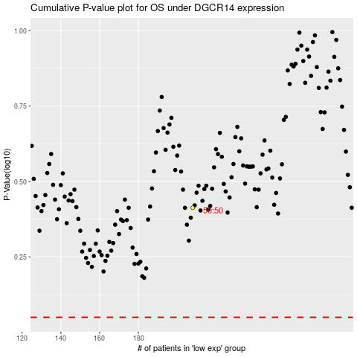

 |  |  |  |  |  | cases_OS | p_OS | rank | exp
 |  |  |  |  |  |  | cases_RFS | p_RFS | rank | exp

