DGCR2 _multivariate
Reported by Tex Li-Hsing Chi. tex@gate.sinica.edu.tw 2019-08-20

Table 2. The clinicopathological features of HNSCC cohort and DGCR2 expression. (Chi square test)
Cutoff at -0.122 (50.0%)
 |  | DGCR2 expression |  | DGCR2 expression |  | (Optimised)
 | Features | Low | (%) | High | (%) | Case no | P-value | Remark | Matthews
Gender | Female | 156 | 37.6 | 150 | 36.1 | 415 | 0.5222 | 0 | 0
2 | Male | 51 | 12.3 | 58 | 14
Age at diagnosis | <=65y | 139 | 33.5 | 135 | 32.5 | 415 | 0.7044 | 0 | 0
4 | >65y | 68 | 16.4 | 73 | 17.6
Clinical T Status | T1+T2 | 76 | 18.3 | 73 | 17.6 | 415 | 0.8092 | 0 | 0
6 | T3+T4 | 131 | 31.6 | 135 | 32.5
Clinical N Status | N0 | 96 | 23.1 | 120 | 28.9 | 415 | 0.0272 | 1 | 0
8 | N1-3 | 111 | 26.7 | 88 | 21.2
Clinical M Status | M0 | 206 | 49.6 | 206 | 49.6 | 415 | 1 | 0 | 0
10 | M1 | 1 | 0.2 | 2 | 0.5
Clinical Stage | Stage I+II | 48 | 11.6 | 54 | 13 | 415 | 0.5878 | 0 | 0
12 | Stage III+IV | 159 | 38.3 | 154 | 37.1
Surgical Margin status | Negative | 155 | 37.3 | 163 | 39.3 | 415 | 0.4187 | 0 | 0
14 | Positive | 52 | 12.5 | 45 | 10.8
Tobacco Exposure | Low | 81 | 19.5 | 80 | 19.3 | 415 | 0.9199 | 0 | 0
16 | High | 126 | 30.4 | 128 | 30.8

Table 3. Univariate/Multivariate Cox's proportional hazards regression analyses on OS time of DGCR2 gene expression in HNSCC

 |  | Univariate |  |  |  | Multivariate
 | Features | HR | CI95%(L) | CI95%(H) | P-value | HR | CI95%(L) | CI95%(H) | P-value
1 | Female | 1 |  |  |  | 1
Gender | Male | 1.157 | 0.843 | 1.587 | 0.367 | 1.199 | 0.858 | 1.675 | 0.288
11 | <=65y | 1 |  |  |  | 1
Age at diagnosis | >65y | 1.329 | 0.99 | 1.784 | 0.058 | 1.392 | 1.024 | 1.892 | 0.035
12 | T1+T2 | 1 |  |  |  | 1
Clinical T Status | T3+T4 | 1.409 | 1.028 | 1.931 | 0.033 | 2.195 | 1.161 | 4.151 | 0.016
13 | N0 | 1 |  |  |  | 1
Clinical N Status | N1-3 | 1.185 | 0.89 | 1.577 | 0.246 | 1.261 | 0.881 | 1.804 | 0.205
14 | M0 | 1 |  |  |  | 1
Clinical M Status | M1 | 4.097 | 1.009 | 16.644 | 0.049 | 9.029 | 1.961 | 41.57 | 0.005
15 | Stage I+II | 1 |  |  |  | 1
Clinical Stage | Stage III+IV | 1.245 | 0.882 | 1.759 | 0.213 | 0.503 | 0.234 | 1.08 | 0.078
16 | Negative | 1 |  |  |  | 1
Surgical Margin status | Positive | 1.591 | 1.155 | 2.191 | 0.004 | 1.675 | 1.212 | 2.316 | 0.002
17 | Low | 1 |  |  |  | 1
Tobacco Exposure | High | 1.364 | 1.008 | 1.844 | 0.044 | 1.445 | 1.048 | 1.991 | 0.025
18 | Low | 1 |  |  |  | 1
RNAseq(z-score) | High | 1.114 | 0.836 | 1.485 | 0.46 | 1.108 | 0.828 | 1.484 | 0.489

Table 4. Univariate/Multivariate Cox's proportional hazards regression analyses on RFS time of DGCR2 gene expression in HNSCC

 |  | Univariate |  |  |  | Multivariate
 | Features | HR | CI95%(L) | CI95%(H) | P-value | HR | CI95%(L) | CI95%(H) | P-value
1 | Female | 1 |  |  |  | 1
Gender | Male | 1.157 | 0.843 | 1.587 | 0.367 | 1.199 | 0.858 | 1.675 | 0.288
11 | <=65y | 1 |  |  |  | 1
Age at diagnosis | >65y | 1.329 | 0.99 | 1.784 | 0.058 | 1.392 | 1.024 | 1.892 | 0.035
12 | T1+T2 | 1 |  |  |  | 1
Clinical T Status | T3+T4 | 1.409 | 1.028 | 1.931 | 0.033 | 2.195 | 1.161 | 4.151 | 0.016
13 | N0 | 1 |  |  |  | 1
Clinical N Status | N1-3 | 1.185 | 0.89 | 1.577 | 0.246 | 1.261 | 0.881 | 1.804 | 0.205
14 | M0 | 1 |  |  |  | 1
Clinical M Status | M1 | 4.097 | 1.009 | 16.644 | 0.049 | 9.029 | 1.961 | 41.57 | 0.005
15 | Stage I+II | 1 |  |  |  | 1
Clinical Stage | Stage III+IV | 1.245 | 0.882 | 1.759 | 0.213 | 0.503 | 0.234 | 1.08 | 0.078
16 | Negative | 1 |  |  |  | 1
Surgical Margin status | Positive | 1.591 | 1.155 | 2.191 | 0.004 | 1.675 | 1.212 | 2.316 | 0.002
17 | Low | 1 |  |  |  | 1
Tobacco Exposure | High | 1.364 | 1.008 | 1.844 | 0.044 | 1.445 | 1.048 | 1.991 | 0.025
18 | Low | 1 |  |  |  | 1
RNAseq(z-score) | High | 1.114 | 0.836 | 1.485 | 0.46 | 1.108 | 0.828 | 1.484 | 0.489

Kaplan-Meier survival estimate: Cutoff at -0.122 (50.0%)



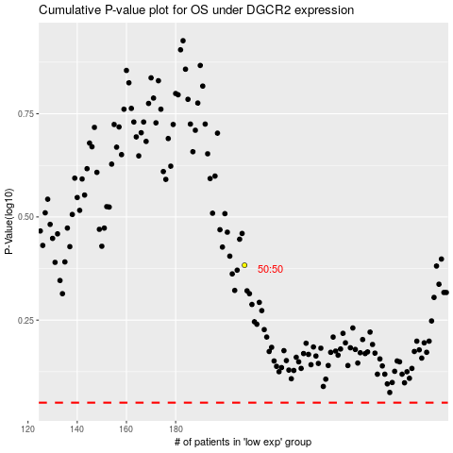

 |  |  |  |  |  | cases_OS | p_OS | rank | exp
 |  |  |  |  |  |  | cases_RFS | p_RFS | rank | exp

