DGCR5 _multivariate
Reported by Tex Li-Hsing Chi. tex@gate.sinica.edu.tw 2019-08-20

Table 2. The clinicopathological features of HNSCC cohort and DGCR5 expression. (Chi square test)
Cutoff at -0.327 (49.8%)
 |  | DGCR5 expression |  | DGCR5 expression |  | (Optimised)
 | Features | Low | (%) | High | (%) | Case no | P-value | Remark | Matthews
Gender | Female | 146 | 35.2 | 160 | 38.6 | 415 | 0.1714 | 0 | 0
2 | Male | 61 | 14.7 | 48 | 11.6
Age at diagnosis | <=65y | 131 | 31.6 | 143 | 34.5 | 415 | 0.2839 | 0 | 0
4 | >65y | 76 | 18.3 | 65 | 15.7
Clinical T Status | T1+T2 | 74 | 17.8 | 75 | 18.1 | 415 | 1 | 0 | 0
6 | T3+T4 | 133 | 32 | 133 | 32
Clinical N Status | N0 | 113 | 27.2 | 103 | 24.8 | 415 | 0.3495 | 1 | 0
8 | N1-3 | 94 | 22.7 | 105 | 25.3
Clinical M Status | M0 | 207 | 49.9 | 205 | 49.4 | 415 | 0.2482 | 0 | 0
10 | M1 | 0 | 0 | 3 | 0.7
Clinical Stage | Stage I+II | 50 | 12 | 52 | 12.5 | 415 | 0.9315 | 0 | 0
12 | Stage III+IV | 157 | 37.8 | 156 | 37.6
Surgical Margin status | Negative | 157 | 37.8 | 161 | 38.8 | 415 | 0.729 | 0 | 0
14 | Positive | 50 | 12 | 47 | 11.3
Tobacco Exposure | Low | 90 | 21.7 | 71 | 17.1 | 415 | 0.0559 | 0 | 0
16 | High | 117 | 28.2 | 137 | 33

Table 3. Univariate/Multivariate Cox's proportional hazards regression analyses on OS time of DGCR5 gene expression in HNSCC

 |  | Univariate |  |  |  | Multivariate
 | Features | HR | CI95%(L) | CI95%(H) | P-value | HR | CI95%(L) | CI95%(H) | P-value
1 | Female | 1 |  |  |  | 1
Gender | Male | 1.157 | 0.843 | 1.587 | 0.367 | 1.214 | 0.868 | 1.698 | 0.257
11 | <=65y | 1 |  |  |  | 1
Age at diagnosis | >65y | 1.329 | 0.99 | 1.784 | 0.058 | 1.397 | 1.028 | 1.899 | 0.033
12 | T1+T2 | 1 |  |  |  | 1
Clinical T Status | T3+T4 | 1.409 | 1.028 | 1.931 | 0.033 | 2.169 | 1.147 | 4.101 | 0.017
13 | N0 | 1 |  |  |  | 1
Clinical N Status | N1-3 | 1.185 | 0.89 | 1.577 | 0.246 | 1.224 | 0.857 | 1.748 | 0.267
14 | M0 | 1 |  |  |  | 1
Clinical M Status | M1 | 4.097 | 1.009 | 16.644 | 0.049 | 8.684 | 1.881 | 40.088 | 0.006
15 | Stage I+II | 1 |  |  |  | 1
Clinical Stage | Stage III+IV | 1.245 | 0.882 | 1.759 | 0.213 | 0.518 | 0.241 | 1.114 | 0.092
16 | Negative | 1 |  |  |  | 1
Surgical Margin status | Positive | 1.591 | 1.155 | 2.191 | 0.004 | 1.677 | 1.214 | 2.318 | 0.002
17 | Low | 1 |  |  |  | 1
Tobacco Exposure | High | 1.364 | 1.008 | 1.844 | 0.044 | 1.435 | 1.041 | 1.979 | 0.028
18 | Low | 1 |  |  |  | 1
RNAseq(z-score) | High | 1.19 | 0.893 | 1.586 | 0.236 | 1.164 | 0.868 | 1.56 | 0.31

Table 4. Univariate/Multivariate Cox's proportional hazards regression analyses on RFS time of DGCR5 gene expression in HNSCC

 |  | Univariate |  |  |  | Multivariate
 | Features | HR | CI95%(L) | CI95%(H) | P-value | HR | CI95%(L) | CI95%(H) | P-value
1 | Female | 1 |  |  |  | 1
Gender | Male | 1.157 | 0.843 | 1.587 | 0.367 | 1.214 | 0.868 | 1.698 | 0.257
11 | <=65y | 1 |  |  |  | 1
Age at diagnosis | >65y | 1.329 | 0.99 | 1.784 | 0.058 | 1.397 | 1.028 | 1.899 | 0.033
12 | T1+T2 | 1 |  |  |  | 1
Clinical T Status | T3+T4 | 1.409 | 1.028 | 1.931 | 0.033 | 2.169 | 1.147 | 4.101 | 0.017
13 | N0 | 1 |  |  |  | 1
Clinical N Status | N1-3 | 1.185 | 0.89 | 1.577 | 0.246 | 1.224 | 0.857 | 1.748 | 0.267
14 | M0 | 1 |  |  |  | 1
Clinical M Status | M1 | 4.097 | 1.009 | 16.644 | 0.049 | 8.684 | 1.881 | 40.088 | 0.006
15 | Stage I+II | 1 |  |  |  | 1
Clinical Stage | Stage III+IV | 1.245 | 0.882 | 1.759 | 0.213 | 0.518 | 0.241 | 1.114 | 0.092
16 | Negative | 1 |  |  |  | 1
Surgical Margin status | Positive | 1.591 | 1.155 | 2.191 | 0.004 | 1.677 | 1.214 | 2.318 | 0.002
17 | Low | 1 |  |  |  | 1
Tobacco Exposure | High | 1.364 | 1.008 | 1.844 | 0.044 | 1.435 | 1.041 | 1.979 | 0.028
18 | Low | 1 |  |  |  | 1
RNAseq(z-score) | High | 1.19 | 0.893 | 1.586 | 0.236 | 1.164 | 0.868 | 1.56 | 0.31

Kaplan-Meier survival estimate: Cutoff at -0.327 (49.8%)



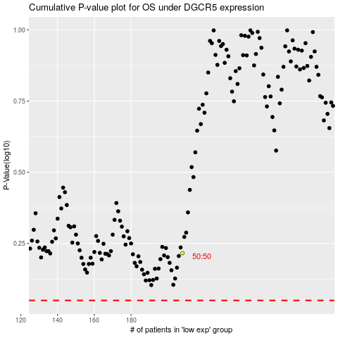

 |  |  |  |  |  | cases_OS | p_OS | rank | exp
 |  |  |  |  |  |  | cases_RFS | p_RFS | rank | exp

