DGKA _multivariate
Reported by Tex Li-Hsing Chi. tex@gate.sinica.edu.tw 2019-08-20

Table 2. The clinicopathological features of HNSCC cohort and DGKA expression. (Chi square test)
Cutoff at -0.134 (50.0%)
 |  | DGKA expression |  | DGKA expression |  | (Optimised)
 | Features | Low | (%) | High | (%) | Case no | P-value | Remark | Matthews
Gender | Female | 160 | 38.6 | 146 | 35.2 | 415 | 0.1254 | 0 | 0
2 | Male | 47 | 11.3 | 62 | 14.9
Age at diagnosis | <=65y | 137 | 33 | 137 | 33 | 415 | 1 | 0 | 0
4 | >65y | 70 | 16.9 | 71 | 17.1
Clinical T Status | T1+T2 | 73 | 17.6 | 76 | 18.3 | 415 | 0.8666 | 0 | 0
6 | T3+T4 | 134 | 32.3 | 132 | 31.8
Clinical N Status | N0 | 102 | 24.6 | 114 | 27.5 | 415 | 0.3031 | 0 | 0
8 | N1-3 | 105 | 25.3 | 94 | 22.7
Clinical M Status | M0 | 207 | 49.9 | 205 | 49.4 | 415 | 0.2482 | 0 | 0
10 | M1 | 0 | 0 | 3 | 0.7
Clinical Stage | Stage I+II | 50 | 12 | 52 | 12.5 | 415 | 0.9315 | 0 | 0
12 | Stage III+IV | 157 | 37.8 | 156 | 37.6
Surgical Margin status | Negative | 157 | 37.8 | 161 | 38.8 | 415 | 0.729 | 0 | 0
14 | Positive | 50 | 12 | 47 | 11.3
Tobacco Exposure | Low | 66 | 15.9 | 95 | 22.9 | 415 | 0.0048 | 1 | 0
16 | High | 141 | 34 | 113 | 27.2

Table 3. Univariate/Multivariate Cox's proportional hazards regression analyses on OS time of DGKA gene expression in HNSCC

 |  | Univariate |  |  |  | Multivariate
 | Features | HR | CI95%(L) | CI95%(H) | P-value | HR | CI95%(L) | CI95%(H) | P-value
1 | Female | 1 |  |  |  | 1
Gender | Male | 1.157 | 0.843 | 1.587 | 0.367 | 1.176 | 0.84 | 1.647 | 0.346
11 | <=65y | 1 |  |  |  | 1
Age at diagnosis | >65y | 1.329 | 0.99 | 1.784 | 0.058 | 1.404 | 1.032 | 1.91 | 0.03
12 | T1+T2 | 1 |  |  |  | 1
Clinical T Status | T3+T4 | 1.409 | 1.028 | 1.931 | 0.033 | 2.238 | 1.182 | 4.235 | 0.013
13 | N0 | 1 |  |  |  | 1
Clinical N Status | N1-3 | 1.185 | 0.89 | 1.577 | 0.246 | 1.283 | 0.896 | 1.837 | 0.174
14 | M0 | 1 |  |  |  | 1
Clinical M Status | M1 | 4.097 | 1.009 | 16.644 | 0.049 | 8.57 | 1.857 | 39.547 | 0.006
15 | Stage I+II | 1 |  |  |  | 1
Clinical Stage | Stage III+IV | 1.245 | 0.882 | 1.759 | 0.213 | 0.488 | 0.227 | 1.05 | 0.067
16 | Negative | 1 |  |  |  | 1
Surgical Margin status | Positive | 1.591 | 1.155 | 2.191 | 0.004 | 1.662 | 1.203 | 2.297 | 0.002
17 | Low | 1 |  |  |  | 1
Tobacco Exposure | High | 1.364 | 1.008 | 1.844 | 0.044 | 1.477 | 1.07 | 2.038 | 0.018
18 | Low | 1 |  |  |  | 1
RNAseq(z-score) | High | 1.169 | 0.877 | 1.558 | 0.288 | 1.205 | 0.896 | 1.62 | 0.217

Table 4. Univariate/Multivariate Cox's proportional hazards regression analyses on RFS time of DGKA gene expression in HNSCC

 |  | Univariate |  |  |  | Multivariate
 | Features | HR | CI95%(L) | CI95%(H) | P-value | HR | CI95%(L) | CI95%(H) | P-value
1 | Female | 1 |  |  |  | 1
Gender | Male | 1.157 | 0.843 | 1.587 | 0.367 | 1.176 | 0.84 | 1.647 | 0.346
11 | <=65y | 1 |  |  |  | 1
Age at diagnosis | >65y | 1.329 | 0.99 | 1.784 | 0.058 | 1.404 | 1.032 | 1.91 | 0.03
12 | T1+T2 | 1 |  |  |  | 1
Clinical T Status | T3+T4 | 1.409 | 1.028 | 1.931 | 0.033 | 2.238 | 1.182 | 4.235 | 0.013
13 | N0 | 1 |  |  |  | 1
Clinical N Status | N1-3 | 1.185 | 0.89 | 1.577 | 0.246 | 1.283 | 0.896 | 1.837 | 0.174
14 | M0 | 1 |  |  |  | 1
Clinical M Status | M1 | 4.097 | 1.009 | 16.644 | 0.049 | 8.57 | 1.857 | 39.547 | 0.006
15 | Stage I+II | 1 |  |  |  | 1
Clinical Stage | Stage III+IV | 1.245 | 0.882 | 1.759 | 0.213 | 0.488 | 0.227 | 1.05 | 0.067
16 | Negative | 1 |  |  |  | 1
Surgical Margin status | Positive | 1.591 | 1.155 | 2.191 | 0.004 | 1.662 | 1.203 | 2.297 | 0.002
17 | Low | 1 |  |  |  | 1
Tobacco Exposure | High | 1.364 | 1.008 | 1.844 | 0.044 | 1.477 | 1.07 | 2.038 | 0.018
18 | Low | 1 |  |  |  | 1
RNAseq(z-score) | High | 1.169 | 0.877 | 1.558 | 0.288 | 1.205 | 0.896 | 1.62 | 0.217

Kaplan-Meier survival estimate: Cutoff at -0.134 (50.0%)



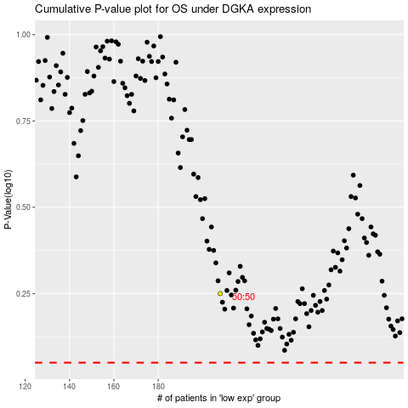

 |  |  |  |  |  | cases_OS | p_OS | rank | exp
 |  |  |  |  |  |  | cases_RFS | p_RFS | rank | exp

