DGKB _multivariate
Reported by Tex Li-Hsing Chi. tex@gate.sinica.edu.tw 2019-08-20

Table 2. The clinicopathological features of HNSCC cohort and DGKB expression. (Chi square test)
Cutoff at -0.301 (50.0%)
 |  | DGKB expression |  | DGKB expression |  | (Optimised)
 | Features | Low | (%) | High | (%) | Case no | P-value | Remark | Matthews
Gender | Female | 152 | 36.6 | 154 | 37.1 | 415 | 0.9766 | 0 | 0
2 | Male | 55 | 13.3 | 54 | 13
Age at diagnosis | <=65y | 127 | 30.6 | 147 | 35.4 | 415 | 0.0573 | 0 | 0
4 | >65y | 80 | 19.3 | 61 | 14.7
Clinical T Status | T1+T2 | 65 | 15.7 | 84 | 20.2 | 415 | 0.0711 | 0 | 0
6 | T3+T4 | 142 | 34.2 | 124 | 29.9
Clinical N Status | N0 | 109 | 26.3 | 107 | 25.8 | 415 | 0.8812 | 0 | 0
8 | N1-3 | 98 | 23.6 | 101 | 24.3
Clinical M Status | M0 | 205 | 49.4 | 207 | 49.9 | 415 | 0.6232 | 0 | 0
10 | M1 | 2 | 0.5 | 1 | 0.2
Clinical Stage | Stage I+II | 48 | 11.6 | 54 | 13 | 415 | 0.5878 | 0 | 0
12 | Stage III+IV | 159 | 38.3 | 154 | 37.1
Surgical Margin status | Negative | 154 | 37.1 | 164 | 39.5 | 415 | 0.2984 | 0 | 0
14 | Positive | 53 | 12.8 | 44 | 10.6
Tobacco Exposure | Low | 88 | 21.2 | 73 | 17.6 | 415 | 0.1314 | 0 | 0
16 | High | 119 | 28.7 | 135 | 32.5

Table 3. Univariate/Multivariate Cox's proportional hazards regression analyses on OS time of DGKB gene expression in HNSCC

 |  | Univariate |  |  |  | Multivariate
 | Features | HR | CI95%(L) | CI95%(H) | P-value | HR | CI95%(L) | CI95%(H) | P-value
1 | Female | 1 |  |  |  | 1
Gender | Male | 1.157 | 0.843 | 1.587 | 0.367 | 1.196 | 0.856 | 1.672 | 0.294
11 | <=65y | 1 |  |  |  | 1
Age at diagnosis | >65y | 1.329 | 0.99 | 1.784 | 0.058 | 1.381 | 1.015 | 1.879 | 0.04
12 | T1+T2 | 1 |  |  |  | 1
Clinical T Status | T3+T4 | 1.409 | 1.028 | 1.931 | 0.033 | 2.179 | 1.151 | 4.123 | 0.017
13 | N0 | 1 |  |  |  | 1
Clinical N Status | N1-3 | 1.185 | 0.89 | 1.577 | 0.246 | 1.242 | 0.87 | 1.771 | 0.233
14 | M0 | 1 |  |  |  | 1
Clinical M Status | M1 | 4.097 | 1.009 | 16.644 | 0.049 | 9.23 | 2.011 | 42.356 | 0.004
15 | Stage I+II | 1 |  |  |  | 1
Clinical Stage | Stage III+IV | 1.245 | 0.882 | 1.759 | 0.213 | 0.51 | 0.237 | 1.095 | 0.084
16 | Negative | 1 |  |  |  | 1
Surgical Margin status | Positive | 1.591 | 1.155 | 2.191 | 0.004 | 1.659 | 1.2 | 2.294 | 0.002
17 | Low | 1 |  |  |  | 1
Tobacco Exposure | High | 1.364 | 1.008 | 1.844 | 0.044 | 1.464 | 1.061 | 2.02 | 0.02
18 | Low | 1 |  |  |  | 1
RNAseq(z-score) | High | 0.87 | 0.652 | 1.159 | 0.341 | 0.912 | 0.681 | 1.221 | 0.537

Table 4. Univariate/Multivariate Cox's proportional hazards regression analyses on RFS time of DGKB gene expression in HNSCC

 |  | Univariate |  |  |  | Multivariate
 | Features | HR | CI95%(L) | CI95%(H) | P-value | HR | CI95%(L) | CI95%(H) | P-value
1 | Female | 1 |  |  |  | 1
Gender | Male | 1.157 | 0.843 | 1.587 | 0.367 | 1.196 | 0.856 | 1.672 | 0.294
11 | <=65y | 1 |  |  |  | 1
Age at diagnosis | >65y | 1.329 | 0.99 | 1.784 | 0.058 | 1.381 | 1.015 | 1.879 | 0.04
12 | T1+T2 | 1 |  |  |  | 1
Clinical T Status | T3+T4 | 1.409 | 1.028 | 1.931 | 0.033 | 2.179 | 1.151 | 4.123 | 0.017
13 | N0 | 1 |  |  |  | 1
Clinical N Status | N1-3 | 1.185 | 0.89 | 1.577 | 0.246 | 1.242 | 0.87 | 1.771 | 0.233
14 | M0 | 1 |  |  |  | 1
Clinical M Status | M1 | 4.097 | 1.009 | 16.644 | 0.049 | 9.23 | 2.011 | 42.356 | 0.004
15 | Stage I+II | 1 |  |  |  | 1
Clinical Stage | Stage III+IV | 1.245 | 0.882 | 1.759 | 0.213 | 0.51 | 0.237 | 1.095 | 0.084
16 | Negative | 1 |  |  |  | 1
Surgical Margin status | Positive | 1.591 | 1.155 | 2.191 | 0.004 | 1.659 | 1.2 | 2.294 | 0.002
17 | Low | 1 |  |  |  | 1
Tobacco Exposure | High | 1.364 | 1.008 | 1.844 | 0.044 | 1.464 | 1.061 | 2.02 | 0.02
18 | Low | 1 |  |  |  | 1
RNAseq(z-score) | High | 0.87 | 0.652 | 1.159 | 0.341 | 0.912 | 0.681 | 1.221 | 0.537

Kaplan-Meier survival estimate: Cutoff at -0.301 (50.0%)



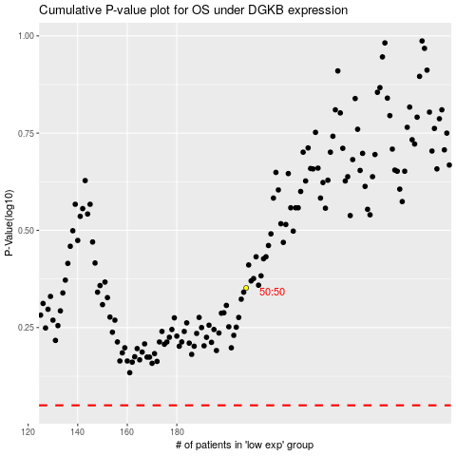

 |  |  |  |  |  | cases_OS | p_OS | rank | exp
 |  |  |  |  |  |  | cases_RFS | p_RFS | rank | exp

