DGKD _multivariate
Reported by Tex Li-Hsing Chi. tex@gate.sinica.edu.tw 2019-08-20

Table 2. The clinicopathological features of HNSCC cohort and DGKD expression. (Chi square test)
Cutoff at -0.184 (50.0%)
 |  | DGKD expression |  | DGKD expression |  | (Optimised)
 | Features | Low | (%) | High | (%) | Case no | P-value | Remark | Matthews
Gender | Female | 145 | 34.9 | 161 | 38.8 | 415 | 0.1116 | 0 | 0
2 | Male | 62 | 14.9 | 47 | 11.3
Age at diagnosis | <=65y | 127 | 30.6 | 147 | 35.4 | 415 | 0.0573 | 0 | 0
4 | >65y | 80 | 19.3 | 61 | 14.7
Clinical T Status | T1+T2 | 63 | 15.2 | 86 | 20.7 | 415 | 0.0268 | 1 | 0
6 | T3+T4 | 144 | 34.7 | 122 | 29.4
Clinical N Status | N0 | 109 | 26.3 | 107 | 25.8 | 415 | 0.8812 | 0 | 0
8 | N1-3 | 98 | 23.6 | 101 | 24.3
Clinical M Status | M0 | 204 | 49.2 | 208 | 50.1 | 415 | 0.1232 | 0 | 0
10 | M1 | 3 | 0.7 | 0 | 0
Clinical Stage | Stage I+II | 46 | 11.1 | 56 | 13.5 | 415 | 0.3182 | 0 | 0
12 | Stage III+IV | 161 | 38.8 | 152 | 36.6
Surgical Margin status | Negative | 157 | 37.8 | 161 | 38.8 | 415 | 0.729 | 0 | 0
14 | Positive | 50 | 12 | 47 | 11.3
Tobacco Exposure | Low | 92 | 22.2 | 69 | 16.6 | 415 | 0.0206 | 1 | 0
16 | High | 115 | 27.7 | 139 | 33.5

Table 3. Univariate/Multivariate Cox's proportional hazards regression analyses on OS time of DGKD gene expression in HNSCC

 |  | Univariate |  |  |  | Multivariate
 | Features | HR | CI95%(L) | CI95%(H) | P-value | HR | CI95%(L) | CI95%(H) | P-value
1 | Female | 1 |  |  |  | 1
Gender | Male | 1.157 | 0.843 | 1.587 | 0.367 | 1.177 | 0.843 | 1.645 | 0.339
11 | <=65y | 1 |  |  |  | 1
Age at diagnosis | >65y | 1.329 | 0.99 | 1.784 | 0.058 | 1.355 | 0.996 | 1.844 | 0.053
12 | T1+T2 | 1 |  |  |  | 1
Clinical T Status | T3+T4 | 1.409 | 1.028 | 1.931 | 0.033 | 2.136 | 1.127 | 4.046 | 0.02
13 | N0 | 1 |  |  |  | 1
Clinical N Status | N1-3 | 1.185 | 0.89 | 1.577 | 0.246 | 1.243 | 0.872 | 1.772 | 0.23
14 | M0 | 1 |  |  |  | 1
Clinical M Status | M1 | 4.097 | 1.009 | 16.644 | 0.049 | 8.157 | 1.761 | 37.774 | 0.007
15 | Stage I+II | 1 |  |  |  | 1
Clinical Stage | Stage III+IV | 1.245 | 0.882 | 1.759 | 0.213 | 0.514 | 0.24 | 1.104 | 0.088
16 | Negative | 1 |  |  |  | 1
Surgical Margin status | Positive | 1.591 | 1.155 | 2.191 | 0.004 | 1.687 | 1.219 | 2.333 | 0.002
17 | Low | 1 |  |  |  | 1
Tobacco Exposure | High | 1.364 | 1.008 | 1.844 | 0.044 | 1.483 | 1.075 | 2.046 | 0.016
18 | Low | 1 |  |  |  | 1
RNAseq(z-score) | High | 0.763 | 0.572 | 1.017 | 0.065 | 0.792 | 0.589 | 1.066 | 0.124

Table 4. Univariate/Multivariate Cox's proportional hazards regression analyses on RFS time of DGKD gene expression in HNSCC

 |  | Univariate |  |  |  | Multivariate
 | Features | HR | CI95%(L) | CI95%(H) | P-value | HR | CI95%(L) | CI95%(H) | P-value
1 | Female | 1 |  |  |  | 1
Gender | Male | 1.157 | 0.843 | 1.587 | 0.367 | 1.177 | 0.843 | 1.645 | 0.339
11 | <=65y | 1 |  |  |  | 1
Age at diagnosis | >65y | 1.329 | 0.99 | 1.784 | 0.058 | 1.355 | 0.996 | 1.844 | 0.053
12 | T1+T2 | 1 |  |  |  | 1
Clinical T Status | T3+T4 | 1.409 | 1.028 | 1.931 | 0.033 | 2.136 | 1.127 | 4.046 | 0.02
13 | N0 | 1 |  |  |  | 1
Clinical N Status | N1-3 | 1.185 | 0.89 | 1.577 | 0.246 | 1.243 | 0.872 | 1.772 | 0.23
14 | M0 | 1 |  |  |  | 1
Clinical M Status | M1 | 4.097 | 1.009 | 16.644 | 0.049 | 8.157 | 1.761 | 37.774 | 0.007
15 | Stage I+II | 1 |  |  |  | 1
Clinical Stage | Stage III+IV | 1.245 | 0.882 | 1.759 | 0.213 | 0.514 | 0.24 | 1.104 | 0.088
16 | Negative | 1 |  |  |  | 1
Surgical Margin status | Positive | 1.591 | 1.155 | 2.191 | 0.004 | 1.687 | 1.219 | 2.333 | 0.002
17 | Low | 1 |  |  |  | 1
Tobacco Exposure | High | 1.364 | 1.008 | 1.844 | 0.044 | 1.483 | 1.075 | 2.046 | 0.016
18 | Low | 1 |  |  |  | 1
RNAseq(z-score) | High | 0.763 | 0.572 | 1.017 | 0.065 | 0.792 | 0.589 | 1.066 | 0.124

Kaplan-Meier survival estimate: Cutoff at -0.184 (50.0%)



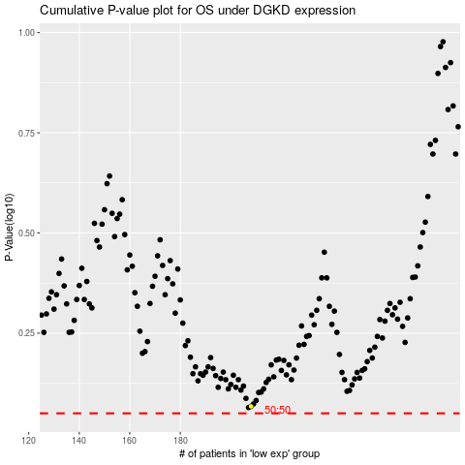

 |  |  |  |  |  | cases_OS | p_OS | rank | exp
 |  |  |  |  |  |  | cases_RFS | p_RFS | rank | exp

