DGKZ _multivariate
Reported by Tex Li-Hsing Chi. tex@gate.sinica.edu.tw 2019-08-20

Table 2. The clinicopathological features of HNSCC cohort and DGKZ expression. (Chi square test)
Cutoff at -0.261 (49.8%)
 |  | DGKZ expression |  | DGKZ expression |  | (Optimised)
 | Features | Low | (%) | High | (%) | Case no | P-value | Remark | Matthews
Gender | Female | 155 | 37.3 | 151 | 36.4 | 415 | 0.6768 | 0 | 0
2 | Male | 52 | 12.5 | 57 | 13.7
Age at diagnosis | <=65y | 142 | 34.2 | 132 | 31.8 | 415 | 0.3167 | 0 | 0
4 | >65y | 65 | 15.7 | 76 | 18.3
Clinical T Status | T1+T2 | 65 | 15.7 | 84 | 20.2 | 415 | 0.0711 | 0 | 0
6 | T3+T4 | 142 | 34.2 | 124 | 29.9
Clinical N Status | N0 | 103 | 24.8 | 113 | 27.2 | 415 | 0.4047 | 0 | 0
8 | N1-3 | 104 | 25.1 | 95 | 22.9
Clinical M Status | M0 | 204 | 49.2 | 208 | 50.1 | 415 | 0.1232 | 0 | 0
10 | M1 | 3 | 0.7 | 0 | 0
Clinical Stage | Stage I+II | 42 | 10.1 | 60 | 14.5 | 415 | 0.0561 | 0 | 0
12 | Stage III+IV | 165 | 39.8 | 148 | 35.7
Surgical Margin status | Negative | 160 | 38.6 | 158 | 38.1 | 415 | 0.8167 | 0 | 0
14 | Positive | 47 | 11.3 | 50 | 12
Tobacco Exposure | Low | 67 | 16.1 | 94 | 22.7 | 415 | 0.0088 | 1 | 0
16 | High | 140 | 33.7 | 114 | 27.5

Table 3. Univariate/Multivariate Cox's proportional hazards regression analyses on OS time of DGKZ gene expression in HNSCC

 |  | Univariate |  |  |  | Multivariate
 | Features | HR | CI95%(L) | CI95%(H) | P-value | HR | CI95%(L) | CI95%(H) | P-value
1 | Female | 1 |  |  |  | 1
Gender | Male | 1.157 | 0.843 | 1.587 | 0.367 | 1.205 | 0.862 | 1.685 | 0.274
11 | <=65y | 1 |  |  |  | 1
Age at diagnosis | >65y | 1.329 | 0.99 | 1.784 | 0.058 | 1.384 | 1.017 | 1.883 | 0.039
12 | T1+T2 | 1 |  |  |  | 1
Clinical T Status | T3+T4 | 1.409 | 1.028 | 1.931 | 0.033 | 2.203 | 1.165 | 4.167 | 0.015
13 | N0 | 1 |  |  |  | 1
Clinical N Status | N1-3 | 1.185 | 0.89 | 1.577 | 0.246 | 1.236 | 0.866 | 1.764 | 0.243
14 | M0 | 1 |  |  |  | 1
Clinical M Status | M1 | 4.097 | 1.009 | 16.644 | 0.049 | 9.736 | 2.108 | 44.966 | 0.004
15 | Stage I+II | 1 |  |  |  | 1
Clinical Stage | Stage III+IV | 1.245 | 0.882 | 1.759 | 0.213 | 0.51 | 0.237 | 1.096 | 0.084
16 | Negative | 1 |  |  |  | 1
Surgical Margin status | Positive | 1.591 | 1.155 | 2.191 | 0.004 | 1.666 | 1.205 | 2.302 | 0.002
17 | Low | 1 |  |  |  | 1
Tobacco Exposure | High | 1.364 | 1.008 | 1.844 | 0.044 | 1.468 | 1.062 | 2.028 | 0.02
18 | Low | 1 |  |  |  | 1
RNAseq(z-score) | High | 1.013 | 0.761 | 1.35 | 0.928 | 1.07 | 0.796 | 1.438 | 0.653

Table 4. Univariate/Multivariate Cox's proportional hazards regression analyses on RFS time of DGKZ gene expression in HNSCC

 |  | Univariate |  |  |  | Multivariate
 | Features | HR | CI95%(L) | CI95%(H) | P-value | HR | CI95%(L) | CI95%(H) | P-value
1 | Female | 1 |  |  |  | 1
Gender | Male | 1.157 | 0.843 | 1.587 | 0.367 | 1.205 | 0.862 | 1.685 | 0.274
11 | <=65y | 1 |  |  |  | 1
Age at diagnosis | >65y | 1.329 | 0.99 | 1.784 | 0.058 | 1.384 | 1.017 | 1.883 | 0.039
12 | T1+T2 | 1 |  |  |  | 1
Clinical T Status | T3+T4 | 1.409 | 1.028 | 1.931 | 0.033 | 2.203 | 1.165 | 4.167 | 0.015
13 | N0 | 1 |  |  |  | 1
Clinical N Status | N1-3 | 1.185 | 0.89 | 1.577 | 0.246 | 1.236 | 0.866 | 1.764 | 0.243
14 | M0 | 1 |  |  |  | 1
Clinical M Status | M1 | 4.097 | 1.009 | 16.644 | 0.049 | 9.736 | 2.108 | 44.966 | 0.004
15 | Stage I+II | 1 |  |  |  | 1
Clinical Stage | Stage III+IV | 1.245 | 0.882 | 1.759 | 0.213 | 0.51 | 0.237 | 1.096 | 0.084
16 | Negative | 1 |  |  |  | 1
Surgical Margin status | Positive | 1.591 | 1.155 | 2.191 | 0.004 | 1.666 | 1.205 | 2.302 | 0.002
17 | Low | 1 |  |  |  | 1
Tobacco Exposure | High | 1.364 | 1.008 | 1.844 | 0.044 | 1.468 | 1.062 | 2.028 | 0.02
18 | Low | 1 |  |  |  | 1
RNAseq(z-score) | High | 1.013 | 0.761 | 1.35 | 0.928 | 1.07 | 0.796 | 1.438 | 0.653

Kaplan-Meier survival estimate: Cutoff at -0.261 (49.8%)



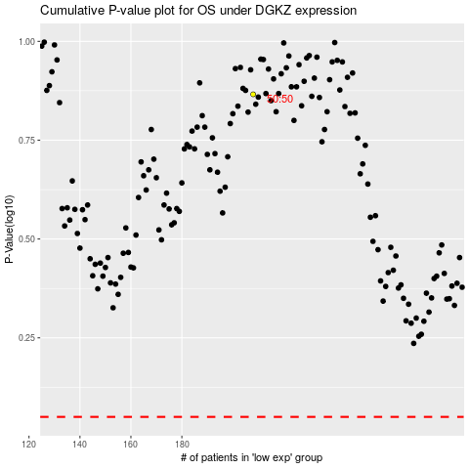

 |  |  |  |  |  | cases_OS | p_OS | rank | exp
 |  |  |  |  |  |  | cases_RFS | p_RFS | rank | exp

