DHDPSL _multivariate
Reported by Tex Li-Hsing Chi. tex@gate.sinica.edu.tw 2019-08-20

Table 2. The clinicopathological features of HNSCC cohort and DHDPSL expression. (Chi square test)
Cutoff at -0.418 (50.0%)
 |  | DHDPSL expression |  | DHDPSL expression |  | (Optimised)
 | Features | Low | (%) | High | (%) | Case no | P-value | Remark | Matthews
Gender | Female | 147 | 35.4 | 159 | 38.3 | 415 | 0.2523 | 0 | 0
2 | Male | 60 | 14.5 | 49 | 11.8
Age at diagnosis | <=65y | 136 | 32.8 | 138 | 33.3 | 415 | 0.9719 | 0 | 0
4 | >65y | 71 | 17.1 | 70 | 16.9
Clinical T Status | T1+T2 | 77 | 18.6 | 72 | 17.3 | 415 | 0.6556 | 0 | 0
6 | T3+T4 | 130 | 31.3 | 136 | 32.8
Clinical N Status | N0 | 102 | 24.6 | 114 | 27.5 | 415 | 0.3031 | 0 | 0
8 | N1-3 | 105 | 25.3 | 94 | 22.7
Clinical M Status | M0 | 206 | 49.6 | 206 | 49.6 | 415 | 1 | 0 | 0
10 | M1 | 1 | 0.2 | 2 | 0.5
Clinical Stage | Stage I+II | 51 | 12.3 | 51 | 12.3 | 415 | 1 | 0 | 0
12 | Stage III+IV | 156 | 37.6 | 157 | 37.8
Surgical Margin status | Negative | 163 | 39.3 | 155 | 37.3 | 415 | 0.3537 | 0 | 0
14 | Positive | 44 | 10.6 | 53 | 12.8
Tobacco Exposure | Low | 91 | 21.9 | 70 | 16.9 | 415 | 0.0346 | 1 | 0
16 | High | 116 | 28 | 138 | 33.3

Table 3. Univariate/Multivariate Cox's proportional hazards regression analyses on OS time of DHDPSL gene expression in HNSCC

 |  | Univariate |  |  |  | Multivariate
 | Features | HR | CI95%(L) | CI95%(H) | P-value | HR | CI95%(L) | CI95%(H) | P-value
1 | Female | 1 |  |  |  | 1
Gender | Male | 1.157 | 0.843 | 1.587 | 0.367 | 1.193 | 0.854 | 1.669 | 0.301
11 | <=65y | 1 |  |  |  | 1
Age at diagnosis | >65y | 1.329 | 0.99 | 1.784 | 0.058 | 1.396 | 1.027 | 1.898 | 0.033
12 | T1+T2 | 1 |  |  |  | 1
Clinical T Status | T3+T4 | 1.409 | 1.028 | 1.931 | 0.033 | 2.217 | 1.172 | 4.194 | 0.014
13 | N0 | 1 |  |  |  | 1
Clinical N Status | N1-3 | 1.185 | 0.89 | 1.577 | 0.246 | 1.237 | 0.867 | 1.765 | 0.241
14 | M0 | 1 |  |  |  | 1
Clinical M Status | M1 | 4.097 | 1.009 | 16.644 | 0.049 | 9.668 | 2.101 | 44.483 | 0.004
15 | Stage I+II | 1 |  |  |  | 1
Clinical Stage | Stage III+IV | 1.245 | 0.882 | 1.759 | 0.213 | 0.504 | 0.235 | 1.081 | 0.078
16 | Negative | 1 |  |  |  | 1
Surgical Margin status | Positive | 1.591 | 1.155 | 2.191 | 0.004 | 1.673 | 1.211 | 2.311 | 0.002
17 | Low | 1 |  |  |  | 1
Tobacco Exposure | High | 1.364 | 1.008 | 1.844 | 0.044 | 1.471 | 1.064 | 2.035 | 0.02
18 | Low | 1 |  |  |  | 1
RNAseq(z-score) | High | 1.003 | 0.753 | 1.336 | 0.985 | 0.927 | 0.691 | 1.244 | 0.615

Table 4. Univariate/Multivariate Cox's proportional hazards regression analyses on RFS time of DHDPSL gene expression in HNSCC

 |  | Univariate |  |  |  | Multivariate
 | Features | HR | CI95%(L) | CI95%(H) | P-value | HR | CI95%(L) | CI95%(H) | P-value
1 | Female | 1 |  |  |  | 1
Gender | Male | 1.157 | 0.843 | 1.587 | 0.367 | 1.193 | 0.854 | 1.669 | 0.301
11 | <=65y | 1 |  |  |  | 1
Age at diagnosis | >65y | 1.329 | 0.99 | 1.784 | 0.058 | 1.396 | 1.027 | 1.898 | 0.033
12 | T1+T2 | 1 |  |  |  | 1
Clinical T Status | T3+T4 | 1.409 | 1.028 | 1.931 | 0.033 | 2.217 | 1.172 | 4.194 | 0.014
13 | N0 | 1 |  |  |  | 1
Clinical N Status | N1-3 | 1.185 | 0.89 | 1.577 | 0.246 | 1.237 | 0.867 | 1.765 | 0.241
14 | M0 | 1 |  |  |  | 1
Clinical M Status | M1 | 4.097 | 1.009 | 16.644 | 0.049 | 9.668 | 2.101 | 44.483 | 0.004
15 | Stage I+II | 1 |  |  |  | 1
Clinical Stage | Stage III+IV | 1.245 | 0.882 | 1.759 | 0.213 | 0.504 | 0.235 | 1.081 | 0.078
16 | Negative | 1 |  |  |  | 1
Surgical Margin status | Positive | 1.591 | 1.155 | 2.191 | 0.004 | 1.673 | 1.211 | 2.311 | 0.002
17 | Low | 1 |  |  |  | 1
Tobacco Exposure | High | 1.364 | 1.008 | 1.844 | 0.044 | 1.471 | 1.064 | 2.035 | 0.02
18 | Low | 1 |  |  |  | 1
RNAseq(z-score) | High | 1.003 | 0.753 | 1.336 | 0.985 | 0.927 | 0.691 | 1.244 | 0.615

Kaplan-Meier survival estimate: Cutoff at -0.418 (50.0%)

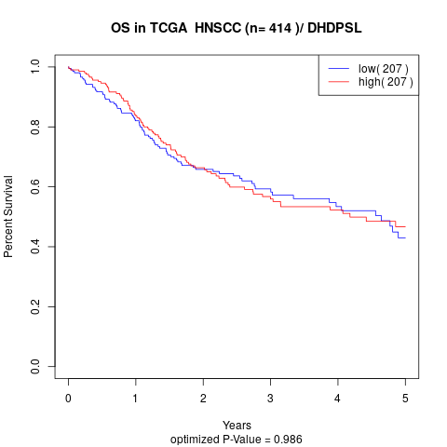

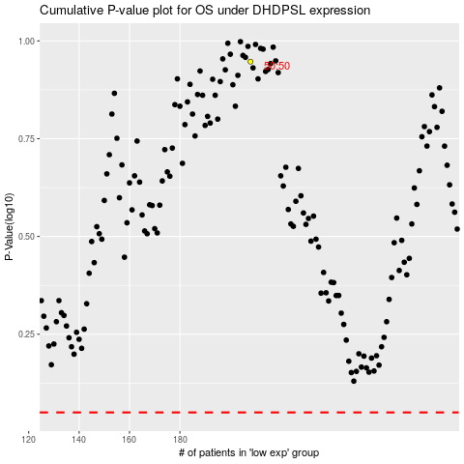

 |  |  |  |  |  | cases_OS | p_OS | rank | exp
 |  |  |  |  |  |  | cases_RFS | p_RFS | rank | exp

