DHFRL1 _multivariate
Reported by Tex Li-Hsing Chi. tex@gate.sinica.edu.tw 2019-08-20

Table 2. The clinicopathological features of HNSCC cohort and DHFRL1 expression. (Chi square test)
Cutoff at -0.198 (49.8%)
 |  | DHFRL1 expression |  | DHFRL1 expression |  | (Optimised)
 | Features | Low | (%) | High | (%) | Case no | P-value | Remark | Matthews
Gender | Female | 146 | 35.2 | 160 | 38.6 | 415 | 0.1714 | 0 | 0
2 | Male | 61 | 14.7 | 48 | 11.6
Age at diagnosis | <=65y | 134 | 32.3 | 140 | 33.7 | 415 | 0.6529 | 0 | 0
4 | >65y | 73 | 17.6 | 68 | 16.4
Clinical T Status | T1+T2 | 61 | 14.7 | 88 | 21.2 | 415 | 0.0087 | 1 | 0
6 | T3+T4 | 146 | 35.2 | 120 | 28.9
Clinical N Status | N0 | 102 | 24.6 | 114 | 27.5 | 415 | 0.3031 | 0 | 0
8 | N1-3 | 105 | 25.3 | 94 | 22.7
Clinical M Status | M0 | 204 | 49.2 | 208 | 50.1 | 415 | 0.1232 | 0 | 0
10 | M1 | 3 | 0.7 | 0 | 0
Clinical Stage | Stage I+II | 36 | 8.7 | 66 | 15.9 | 415 | 0.001 | 1 | 0
12 | Stage III+IV | 171 | 41.2 | 142 | 34.2
Surgical Margin status | Negative | 152 | 36.6 | 166 | 40 | 415 | 0.1329 | 0 | 0
14 | Positive | 55 | 13.3 | 42 | 10.1
Tobacco Exposure | Low | 84 | 20.2 | 77 | 18.6 | 415 | 0.4816 | 0 | 0
16 | High | 123 | 29.6 | 131 | 31.6

Table 3. Univariate/Multivariate Cox's proportional hazards regression analyses on OS time of DHFRL1 gene expression in HNSCC

 |  | Univariate |  |  |  | Multivariate
 | Features | HR | CI95%(L) | CI95%(H) | P-value | HR | CI95%(L) | CI95%(H) | P-value
1 | Female | 1 |  |  |  | 1
Gender | Male | 1.157 | 0.843 | 1.587 | 0.367 | 1.203 | 0.86 | 1.682 | 0.28
11 | <=65y | 1 |  |  |  | 1
Age at diagnosis | >65y | 1.329 | 0.99 | 1.784 | 0.058 | 1.392 | 1.024 | 1.892 | 0.035
12 | T1+T2 | 1 |  |  |  | 1
Clinical T Status | T3+T4 | 1.409 | 1.028 | 1.931 | 0.033 | 2.205 | 1.165 | 4.171 | 0.015
13 | N0 | 1 |  |  |  | 1
Clinical N Status | N1-3 | 1.185 | 0.89 | 1.577 | 0.246 | 1.24 | 0.869 | 1.77 | 0.236
14 | M0 | 1 |  |  |  | 1
Clinical M Status | M1 | 4.097 | 1.009 | 16.644 | 0.049 | 9.477 | 2.047 | 43.876 | 0.004
15 | Stage I+II | 1 |  |  |  | 1
Clinical Stage | Stage III+IV | 1.245 | 0.882 | 1.759 | 0.213 | 0.505 | 0.235 | 1.086 | 0.081
16 | Negative | 1 |  |  |  | 1
Surgical Margin status | Positive | 1.591 | 1.155 | 2.191 | 0.004 | 1.675 | 1.208 | 2.322 | 0.002
17 | Low | 1 |  |  |  | 1
Tobacco Exposure | High | 1.364 | 1.008 | 1.844 | 0.044 | 1.452 | 1.054 | 2.001 | 0.023
18 | Low | 1 |  |  |  | 1
RNAseq(z-score) | High | 0.908 | 0.682 | 1.21 | 0.511 | 1.013 | 0.753 | 1.362 | 0.933

Table 4. Univariate/Multivariate Cox's proportional hazards regression analyses on RFS time of DHFRL1 gene expression in HNSCC

 |  | Univariate |  |  |  | Multivariate
 | Features | HR | CI95%(L) | CI95%(H) | P-value | HR | CI95%(L) | CI95%(H) | P-value
1 | Female | 1 |  |  |  | 1
Gender | Male | 1.157 | 0.843 | 1.587 | 0.367 | 1.203 | 0.86 | 1.682 | 0.28
11 | <=65y | 1 |  |  |  | 1
Age at diagnosis | >65y | 1.329 | 0.99 | 1.784 | 0.058 | 1.392 | 1.024 | 1.892 | 0.035
12 | T1+T2 | 1 |  |  |  | 1
Clinical T Status | T3+T4 | 1.409 | 1.028 | 1.931 | 0.033 | 2.205 | 1.165 | 4.171 | 0.015
13 | N0 | 1 |  |  |  | 1
Clinical N Status | N1-3 | 1.185 | 0.89 | 1.577 | 0.246 | 1.24 | 0.869 | 1.77 | 0.236
14 | M0 | 1 |  |  |  | 1
Clinical M Status | M1 | 4.097 | 1.009 | 16.644 | 0.049 | 9.477 | 2.047 | 43.876 | 0.004
15 | Stage I+II | 1 |  |  |  | 1
Clinical Stage | Stage III+IV | 1.245 | 0.882 | 1.759 | 0.213 | 0.505 | 0.235 | 1.086 | 0.081
16 | Negative | 1 |  |  |  | 1
Surgical Margin status | Positive | 1.591 | 1.155 | 2.191 | 0.004 | 1.675 | 1.208 | 2.322 | 0.002
17 | Low | 1 |  |  |  | 1
Tobacco Exposure | High | 1.364 | 1.008 | 1.844 | 0.044 | 1.452 | 1.054 | 2.001 | 0.023
18 | Low | 1 |  |  |  | 1
RNAseq(z-score) | High | 0.908 | 0.682 | 1.21 | 0.511 | 1.013 | 0.753 | 1.362 | 0.933

Kaplan-Meier survival estimate: Cutoff at -0.198 (49.8%)



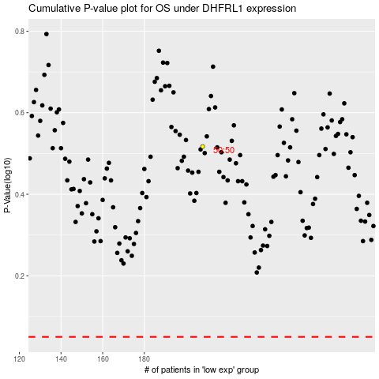

 |  |  |  |  |  | cases_OS | p_OS | rank | exp
 |  |  |  |  |  |  | cases_RFS | p_RFS | rank | exp

