DHPS _multivariate
Reported by Tex Li-Hsing Chi. tex@gate.sinica.edu.tw 2019-08-20

Table 2. The clinicopathological features of HNSCC cohort and DHPS expression. (Chi square test)
Cutoff at -0.494 (35.0%)
 |  | DHPS expression |  | DHPS expression |  | (Optimised)
 | Features | Low | (%) | High | (%) | Case no | P-value | Remark | Matthews
Gender | Female | 102 | 24.6 | 204 | 49.2 | 415 | 0.2287 | 0 | 0
2 | Male | 44 | 10.6 | 65 | 15.7
Age at diagnosis | <=65y | 87 | 21 | 187 | 45.1 | 415 | 0.0535 | 0 | 0
4 | >65y | 59 | 14.2 | 82 | 19.8
Clinical T Status | T1+T2 | 61 | 14.7 | 88 | 21.2 | 415 | 0.0834 | 0 | 0
6 | T3+T4 | 85 | 20.5 | 181 | 43.6
Clinical N Status | N0 | 80 | 19.3 | 136 | 32.8 | 415 | 0.4702 | 0 | 0
8 | N1-3 | 66 | 15.9 | 133 | 32
Clinical M Status | M0 | 145 | 34.9 | 267 | 64.3 | 415 | 1 | 0 | 0
10 | M1 | 1 | 0.2 | 2 | 0.5
Clinical Stage | Stage I+II | 46 | 11.1 | 56 | 13.5 | 415 | 0.0217 | 1 | 0
12 | Stage III+IV | 100 | 24.1 | 213 | 51.3
Surgical Margin status | Negative | 117 | 28.2 | 201 | 48.4 | 415 | 0.2267 | 0 | 0
14 | Positive | 29 | 7 | 68 | 16.4
Tobacco Exposure | Low | 64 | 15.4 | 97 | 23.4 | 415 | 0.1398 | 0 | 0
16 | High | 82 | 19.8 | 172 | 41.4

Table 3. Univariate/Multivariate Cox's proportional hazards regression analyses on OS time of DHPS gene expression in HNSCC

 |  | Univariate |  |  |  | Multivariate
 | Features | HR | CI95%(L) | CI95%(H) | P-value | HR | CI95%(L) | CI95%(H) | P-value
1 | Female | 1 |  |  |  | 1
Gender | Male | 1.157 | 0.843 | 1.587 | 0.367 | 1.172 | 0.839 | 1.638 | 0.352
11 | <=65y | 1 |  |  |  | 1
Age at diagnosis | >65y | 1.329 | 0.99 | 1.784 | 0.058 | 1.327 | 0.974 | 1.809 | 0.073
12 | T1+T2 | 1 |  |  |  | 1
Clinical T Status | T3+T4 | 1.409 | 1.028 | 1.931 | 0.033 | 2.271 | 1.199 | 4.303 | 0.012
13 | N0 | 1 |  |  |  | 1
Clinical N Status | N1-3 | 1.185 | 0.89 | 1.577 | 0.246 | 1.238 | 0.867 | 1.768 | 0.24
14 | M0 | 1 |  |  |  | 1
Clinical M Status | M1 | 4.097 | 1.009 | 16.644 | 0.049 | 9.981 | 2.175 | 45.812 | 0.003
15 | Stage I+II | 1 |  |  |  | 1
Clinical Stage | Stage III+IV | 1.245 | 0.882 | 1.759 | 0.213 | 0.512 | 0.238 | 1.101 | 0.086
16 | Negative | 1 |  |  |  | 1
Surgical Margin status | Positive | 1.591 | 1.155 | 2.191 | 0.004 | 1.73 | 1.25 | 2.395 | 0.001
17 | Low | 1 |  |  |  | 1
Tobacco Exposure | High | 1.364 | 1.008 | 1.844 | 0.044 | 1.457 | 1.058 | 2.007 | 0.021
18 | Low | 1 |  |  |  | 1
RNAseq(z-score) | High | 0.744 | 0.554 | 1.001 | 0.051 | 0.705 | 0.52 | 0.955 | 0.024

Table 4. Univariate/Multivariate Cox's proportional hazards regression analyses on RFS time of DHPS gene expression in HNSCC

 |  | Univariate |  |  |  | Multivariate
 | Features | HR | CI95%(L) | CI95%(H) | P-value | HR | CI95%(L) | CI95%(H) | P-value
1 | Female | 1 |  |  |  | 1
Gender | Male | 1.157 | 0.843 | 1.587 | 0.367 | 1.172 | 0.839 | 1.638 | 0.352
11 | <=65y | 1 |  |  |  | 1
Age at diagnosis | >65y | 1.329 | 0.99 | 1.784 | 0.058 | 1.327 | 0.974 | 1.809 | 0.073
12 | T1+T2 | 1 |  |  |  | 1
Clinical T Status | T3+T4 | 1.409 | 1.028 | 1.931 | 0.033 | 2.271 | 1.199 | 4.303 | 0.012
13 | N0 | 1 |  |  |  | 1
Clinical N Status | N1-3 | 1.185 | 0.89 | 1.577 | 0.246 | 1.238 | 0.867 | 1.768 | 0.24
14 | M0 | 1 |  |  |  | 1
Clinical M Status | M1 | 4.097 | 1.009 | 16.644 | 0.049 | 9.981 | 2.175 | 45.812 | 0.003
15 | Stage I+II | 1 |  |  |  | 1
Clinical Stage | Stage III+IV | 1.245 | 0.882 | 1.759 | 0.213 | 0.512 | 0.238 | 1.101 | 0.086
16 | Negative | 1 |  |  |  | 1
Surgical Margin status | Positive | 1.591 | 1.155 | 2.191 | 0.004 | 1.73 | 1.25 | 2.395 | 0.001
17 | Low | 1 |  |  |  | 1
Tobacco Exposure | High | 1.364 | 1.008 | 1.844 | 0.044 | 1.457 | 1.058 | 2.007 | 0.021
18 | Low | 1 |  |  |  | 1
RNAseq(z-score) | High | 0.744 | 0.554 | 1.001 | 0.051 | 0.705 | 0.52 | 0.955 | 0.024

Kaplan-Meier survival estimate: Cutoff at -0.494 (35.0%)



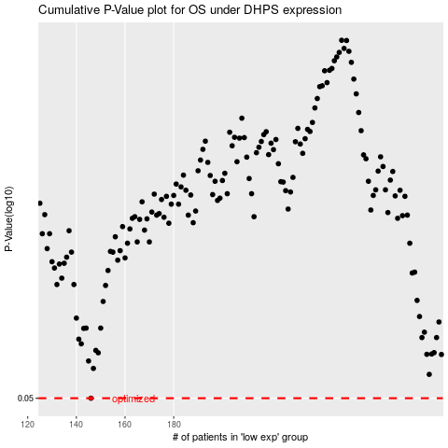

 |  |  |  |  |  | cases_OS | p_OS | rank | exp
 |  |  |  |  |  | 146 | 0.05 | 40 | -0.4939448231
 |  |  |  |  |  |  | cases_RFS | p_RFS | rank | exp
 |  |  |  |  |  |  | 145 | 0.05 | 79 | -0.49512078014

