DHRS12 _multivariate
Reported by Tex Li-Hsing Chi. tex@gate.sinica.edu.tw 2019-08-20

Table 2. The clinicopathological features of HNSCC cohort and DHRS12 expression. (Chi square test)
Cutoff at -0.306 (49.8%)
 |  | DHRS12 expression |  | DHRS12 expression |  | (Optimised)
 | Features | Low | (%) | High | (%) | Case no | P-value | Remark | Matthews
Gender | Female | 151 | 36.4 | 155 | 37.3 | 415 | 0.8007 | 0 | 0
2 | Male | 56 | 13.5 | 53 | 12.8
Age at diagnosis | <=65y | 144 | 34.7 | 130 | 31.3 | 415 | 0.1568 | 0 | 0
4 | >65y | 63 | 15.2 | 78 | 18.8
Clinical T Status | T1+T2 | 74 | 17.8 | 75 | 18.1 | 415 | 1 | 0 | 0
6 | T3+T4 | 133 | 32 | 133 | 32
Clinical N Status | N0 | 98 | 23.6 | 118 | 28.4 | 415 | 0.0694 | 0 | 0
8 | N1-3 | 109 | 26.3 | 90 | 21.7
Clinical M Status | M0 | 205 | 49.4 | 207 | 49.9 | 415 | 0.6232 | 0 | 0
10 | M1 | 2 | 0.5 | 1 | 0.2
Clinical Stage | Stage I+II | 44 | 10.6 | 58 | 14 | 415 | 0.1459 | 0 | 0
12 | Stage III+IV | 163 | 39.3 | 150 | 36.1
Surgical Margin status | Negative | 161 | 38.8 | 157 | 37.8 | 415 | 0.6429 | 0 | 0
14 | Positive | 46 | 11.1 | 51 | 12.3
Tobacco Exposure | Low | 77 | 18.6 | 84 | 20.2 | 415 | 0.5459 | 0 | 0
16 | High | 130 | 31.3 | 124 | 29.9

Table 3. Univariate/Multivariate Cox's proportional hazards regression analyses on OS time of DHRS12 gene expression in HNSCC

 |  | Univariate |  |  |  | Multivariate
 | Features | HR | CI95%(L) | CI95%(H) | P-value | HR | CI95%(L) | CI95%(H) | P-value
1 | Female | 1 |  |  |  | 1
Gender | Male | 1.157 | 0.843 | 1.587 | 0.367 | 1.198 | 0.858 | 1.675 | 0.289
11 | <=65y | 1 |  |  |  | 1
Age at diagnosis | >65y | 1.329 | 0.99 | 1.784 | 0.058 | 1.39 | 1.023 | 1.89 | 0.035
12 | T1+T2 | 1 |  |  |  | 1
Clinical T Status | T3+T4 | 1.409 | 1.028 | 1.931 | 0.033 | 2.186 | 1.156 | 4.134 | 0.016
13 | N0 | 1 |  |  |  | 1
Clinical N Status | N1-3 | 1.185 | 0.89 | 1.577 | 0.246 | 1.243 | 0.871 | 1.774 | 0.231
14 | M0 | 1 |  |  |  | 1
Clinical M Status | M1 | 4.097 | 1.009 | 16.644 | 0.049 | 9.385 | 2.047 | 43.025 | 0.004
15 | Stage I+II | 1 |  |  |  | 1
Clinical Stage | Stage III+IV | 1.245 | 0.882 | 1.759 | 0.213 | 0.512 | 0.238 | 1.102 | 0.087
16 | Negative | 1 |  |  |  | 1
Surgical Margin status | Positive | 1.591 | 1.155 | 2.191 | 0.004 | 1.649 | 1.19 | 2.285 | 0.003
17 | Low | 1 |  |  |  | 1
Tobacco Exposure | High | 1.364 | 1.008 | 1.844 | 0.044 | 1.463 | 1.061 | 2.017 | 0.02
18 | Low | 1 |  |  |  | 1
RNAseq(z-score) | High | 1.131 | 0.849 | 1.507 | 0.4 | 1.092 | 0.815 | 1.464 | 0.554

Table 4. Univariate/Multivariate Cox's proportional hazards regression analyses on RFS time of DHRS12 gene expression in HNSCC

 |  | Univariate |  |  |  | Multivariate
 | Features | HR | CI95%(L) | CI95%(H) | P-value | HR | CI95%(L) | CI95%(H) | P-value
1 | Female | 1 |  |  |  | 1
Gender | Male | 1.157 | 0.843 | 1.587 | 0.367 | 1.198 | 0.858 | 1.675 | 0.289
11 | <=65y | 1 |  |  |  | 1
Age at diagnosis | >65y | 1.329 | 0.99 | 1.784 | 0.058 | 1.39 | 1.023 | 1.89 | 0.035
12 | T1+T2 | 1 |  |  |  | 1
Clinical T Status | T3+T4 | 1.409 | 1.028 | 1.931 | 0.033 | 2.186 | 1.156 | 4.134 | 0.016
13 | N0 | 1 |  |  |  | 1
Clinical N Status | N1-3 | 1.185 | 0.89 | 1.577 | 0.246 | 1.243 | 0.871 | 1.774 | 0.231
14 | M0 | 1 |  |  |  | 1
Clinical M Status | M1 | 4.097 | 1.009 | 16.644 | 0.049 | 9.385 | 2.047 | 43.025 | 0.004
15 | Stage I+II | 1 |  |  |  | 1
Clinical Stage | Stage III+IV | 1.245 | 0.882 | 1.759 | 0.213 | 0.512 | 0.238 | 1.102 | 0.087
16 | Negative | 1 |  |  |  | 1
Surgical Margin status | Positive | 1.591 | 1.155 | 2.191 | 0.004 | 1.649 | 1.19 | 2.285 | 0.003
17 | Low | 1 |  |  |  | 1
Tobacco Exposure | High | 1.364 | 1.008 | 1.844 | 0.044 | 1.463 | 1.061 | 2.017 | 0.02
18 | Low | 1 |  |  |  | 1
RNAseq(z-score) | High | 1.131 | 0.849 | 1.507 | 0.4 | 1.092 | 0.815 | 1.464 | 0.554

Kaplan-Meier survival estimate: Cutoff at -0.306 (49.8%)



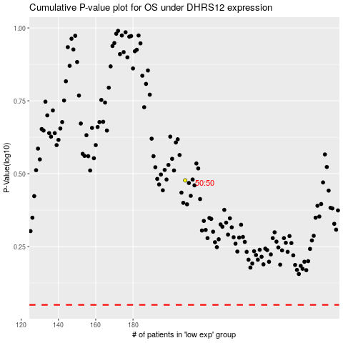

 |  |  |  |  |  | cases_OS | p_OS | rank | exp
 |  |  |  |  |  |  | cases_RFS | p_RFS | rank | exp

