DHRS3 _multivariate
Reported by Tex Li-Hsing Chi. tex@gate.sinica.edu.tw 2019-08-20

Table 2. The clinicopathological features of HNSCC cohort and DHRS3 expression. (Chi square test)
Cutoff at -0.377 (49.8%)
 |  | DHRS3 expression |  | DHRS3 expression |  | (Optimised)
 | Features | Low | (%) | High | (%) | Case no | P-value | Remark | Matthews
Gender | Female | 151 | 36.4 | 155 | 37.3 | 415 | 0.8007 | 0 | 0
2 | Male | 56 | 13.5 | 53 | 12.8
Age at diagnosis | <=65y | 141 | 34 | 133 | 32 | 415 | 0.4272 | 0 | 0
4 | >65y | 66 | 15.9 | 75 | 18.1
Clinical T Status | T1+T2 | 77 | 18.6 | 72 | 17.3 | 415 | 0.6556 | 0 | 0
6 | T3+T4 | 130 | 31.3 | 136 | 32.8
Clinical N Status | N0 | 111 | 26.7 | 105 | 25.3 | 415 | 0.5875 | 0 | 0
8 | N1-3 | 96 | 23.1 | 103 | 24.8
Clinical M Status | M0 | 206 | 49.6 | 206 | 49.6 | 415 | 1 | 0 | 0
10 | M1 | 1 | 0.2 | 2 | 0.5
Clinical Stage | Stage I+II | 56 | 13.5 | 46 | 11.1 | 415 | 0.2918 | 0 | 0
12 | Stage III+IV | 151 | 36.4 | 162 | 39
Surgical Margin status | Negative | 167 | 40.2 | 151 | 36.4 | 415 | 0.0632 | 0 | 0
14 | Positive | 40 | 9.6 | 57 | 13.7
Tobacco Exposure | Low | 85 | 20.5 | 76 | 18.3 | 415 | 0.3655 | 0 | 0
16 | High | 122 | 29.4 | 132 | 31.8

Table 3. Univariate/Multivariate Cox's proportional hazards regression analyses on OS time of DHRS3 gene expression in HNSCC

 |  | Univariate |  |  |  | Multivariate
 | Features | HR | CI95%(L) | CI95%(H) | P-value | HR | CI95%(L) | CI95%(H) | P-value
1 | Female | 1 |  |  |  | 1
Gender | Male | 1.157 | 0.843 | 1.587 | 0.367 | 1.198 | 0.857 | 1.675 | 0.29
11 | <=65y | 1 |  |  |  | 1
Age at diagnosis | >65y | 1.329 | 0.99 | 1.784 | 0.058 | 1.393 | 1.025 | 1.894 | 0.034
12 | T1+T2 | 1 |  |  |  | 1
Clinical T Status | T3+T4 | 1.409 | 1.028 | 1.931 | 0.033 | 2.186 | 1.155 | 4.138 | 0.016
13 | N0 | 1 |  |  |  | 1
Clinical N Status | N1-3 | 1.185 | 0.89 | 1.577 | 0.246 | 1.246 | 0.873 | 1.779 | 0.226
14 | M0 | 1 |  |  |  | 1
Clinical M Status | M1 | 4.097 | 1.009 | 16.644 | 0.049 | 9.382 | 2.047 | 43.004 | 0.004
15 | Stage I+II | 1 |  |  |  | 1
Clinical Stage | Stage III+IV | 1.245 | 0.882 | 1.759 | 0.213 | 0.509 | 0.237 | 1.093 | 0.083
16 | Negative | 1 |  |  |  | 1
Surgical Margin status | Positive | 1.591 | 1.155 | 2.191 | 0.004 | 1.68 | 1.215 | 2.323 | 0.002
17 | Low | 1 |  |  |  | 1
Tobacco Exposure | High | 1.364 | 1.008 | 1.844 | 0.044 | 1.458 | 1.058 | 2.01 | 0.021
18 | Low | 1 |  |  |  | 1
RNAseq(z-score) | High | 0.98 | 0.736 | 1.305 | 0.889 | 0.938 | 0.702 | 1.254 | 0.667

Table 4. Univariate/Multivariate Cox's proportional hazards regression analyses on RFS time of DHRS3 gene expression in HNSCC

 |  | Univariate |  |  |  | Multivariate
 | Features | HR | CI95%(L) | CI95%(H) | P-value | HR | CI95%(L) | CI95%(H) | P-value
1 | Female | 1 |  |  |  | 1
Gender | Male | 1.157 | 0.843 | 1.587 | 0.367 | 1.198 | 0.857 | 1.675 | 0.29
11 | <=65y | 1 |  |  |  | 1
Age at diagnosis | >65y | 1.329 | 0.99 | 1.784 | 0.058 | 1.393 | 1.025 | 1.894 | 0.034
12 | T1+T2 | 1 |  |  |  | 1
Clinical T Status | T3+T4 | 1.409 | 1.028 | 1.931 | 0.033 | 2.186 | 1.155 | 4.138 | 0.016
13 | N0 | 1 |  |  |  | 1
Clinical N Status | N1-3 | 1.185 | 0.89 | 1.577 | 0.246 | 1.246 | 0.873 | 1.779 | 0.226
14 | M0 | 1 |  |  |  | 1
Clinical M Status | M1 | 4.097 | 1.009 | 16.644 | 0.049 | 9.382 | 2.047 | 43.004 | 0.004
15 | Stage I+II | 1 |  |  |  | 1
Clinical Stage | Stage III+IV | 1.245 | 0.882 | 1.759 | 0.213 | 0.509 | 0.237 | 1.093 | 0.083
16 | Negative | 1 |  |  |  | 1
Surgical Margin status | Positive | 1.591 | 1.155 | 2.191 | 0.004 | 1.68 | 1.215 | 2.323 | 0.002
17 | Low | 1 |  |  |  | 1
Tobacco Exposure | High | 1.364 | 1.008 | 1.844 | 0.044 | 1.458 | 1.058 | 2.01 | 0.021
18 | Low | 1 |  |  |  | 1
RNAseq(z-score) | High | 0.98 | 0.736 | 1.305 | 0.889 | 0.938 | 0.702 | 1.254 | 0.667

Kaplan-Meier survival estimate: Cutoff at -0.377 (49.8%)



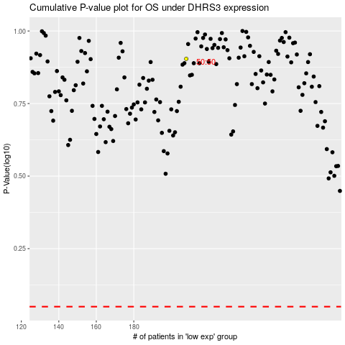

 |  |  |  |  |  | cases_OS | p_OS | rank | exp
 |  |  |  |  |  |  | cases_RFS | p_RFS | rank | exp

