DHRS4 _multivariate
Reported by Tex Li-Hsing Chi. tex@gate.sinica.edu.tw 2019-08-20

Table 2. The clinicopathological features of HNSCC cohort and DHRS4 expression. (Chi square test)
Cutoff at -0.255 (49.8%)
 |  | DHRS4 expression |  | DHRS4 expression |  | (Optimised)
 | Features | Low | (%) | High | (%) | Case no | P-value | Remark | Matthews
Gender | Female | 152 | 36.6 | 154 | 37.1 | 415 | 0.9766 | 0 | 0
2 | Male | 55 | 13.3 | 54 | 13
Age at diagnosis | <=65y | 141 | 34 | 133 | 32 | 415 | 0.4272 | 0 | 0
4 | >65y | 66 | 15.9 | 75 | 18.1
Clinical T Status | T1+T2 | 73 | 17.6 | 76 | 18.3 | 415 | 0.8666 | 0 | 0
6 | T3+T4 | 134 | 32.3 | 132 | 31.8
Clinical N Status | N0 | 92 | 22.2 | 124 | 29.9 | 415 | 0.0027 | 1 | 0
8 | N1-3 | 115 | 27.7 | 84 | 20.2
Clinical M Status | M0 | 206 | 49.6 | 206 | 49.6 | 415 | 1 | 0 | 0
10 | M1 | 1 | 0.2 | 2 | 0.5
Clinical Stage | Stage I+II | 47 | 11.3 | 55 | 13.3 | 415 | 0.4413 | 0 | 0
12 | Stage III+IV | 160 | 38.6 | 153 | 36.9
Surgical Margin status | Negative | 160 | 38.6 | 158 | 38.1 | 415 | 0.8167 | 0 | 0
14 | Positive | 47 | 11.3 | 50 | 12
Tobacco Exposure | Low | 87 | 21 | 74 | 17.8 | 415 | 0.1911 | 0 | 0
16 | High | 120 | 28.9 | 134 | 32.3

Table 3. Univariate/Multivariate Cox's proportional hazards regression analyses on OS time of DHRS4 gene expression in HNSCC

 |  | Univariate |  |  |  | Multivariate
 | Features | HR | CI95%(L) | CI95%(H) | P-value | HR | CI95%(L) | CI95%(H) | P-value
1 | Female | 1 |  |  |  | 1
Gender | Male | 1.157 | 0.843 | 1.587 | 0.367 | 1.197 | 0.856 | 1.673 | 0.294
11 | <=65y | 1 |  |  |  | 1
Age at diagnosis | >65y | 1.329 | 0.99 | 1.784 | 0.058 | 1.385 | 1.019 | 1.884 | 0.038
12 | T1+T2 | 1 |  |  |  | 1
Clinical T Status | T3+T4 | 1.409 | 1.028 | 1.931 | 0.033 | 2.195 | 1.161 | 4.15 | 0.016
13 | N0 | 1 |  |  |  | 1
Clinical N Status | N1-3 | 1.185 | 0.89 | 1.577 | 0.246 | 1.256 | 0.877 | 1.798 | 0.213
14 | M0 | 1 |  |  |  | 1
Clinical M Status | M1 | 4.097 | 1.009 | 16.644 | 0.049 | 9.214 | 2.006 | 42.333 | 0.004
15 | Stage I+II | 1 |  |  |  | 1
Clinical Stage | Stage III+IV | 1.245 | 0.882 | 1.759 | 0.213 | 0.504 | 0.235 | 1.083 | 0.079
16 | Negative | 1 |  |  |  | 1
Surgical Margin status | Positive | 1.591 | 1.155 | 2.191 | 0.004 | 1.662 | 1.202 | 2.298 | 0.002
17 | Low | 1 |  |  |  | 1
Tobacco Exposure | High | 1.364 | 1.008 | 1.844 | 0.044 | 1.436 | 1.038 | 1.985 | 0.029
18 | Low | 1 |  |  |  | 1
RNAseq(z-score) | High | 1.17 | 0.878 | 1.559 | 0.285 | 1.076 | 0.801 | 1.446 | 0.626

Table 4. Univariate/Multivariate Cox's proportional hazards regression analyses on RFS time of DHRS4 gene expression in HNSCC

 |  | Univariate |  |  |  | Multivariate
 | Features | HR | CI95%(L) | CI95%(H) | P-value | HR | CI95%(L) | CI95%(H) | P-value
1 | Female | 1 |  |  |  | 1
Gender | Male | 1.157 | 0.843 | 1.587 | 0.367 | 1.197 | 0.856 | 1.673 | 0.294
11 | <=65y | 1 |  |  |  | 1
Age at diagnosis | >65y | 1.329 | 0.99 | 1.784 | 0.058 | 1.385 | 1.019 | 1.884 | 0.038
12 | T1+T2 | 1 |  |  |  | 1
Clinical T Status | T3+T4 | 1.409 | 1.028 | 1.931 | 0.033 | 2.195 | 1.161 | 4.15 | 0.016
13 | N0 | 1 |  |  |  | 1
Clinical N Status | N1-3 | 1.185 | 0.89 | 1.577 | 0.246 | 1.256 | 0.877 | 1.798 | 0.213
14 | M0 | 1 |  |  |  | 1
Clinical M Status | M1 | 4.097 | 1.009 | 16.644 | 0.049 | 9.214 | 2.006 | 42.333 | 0.004
15 | Stage I+II | 1 |  |  |  | 1
Clinical Stage | Stage III+IV | 1.245 | 0.882 | 1.759 | 0.213 | 0.504 | 0.235 | 1.083 | 0.079
16 | Negative | 1 |  |  |  | 1
Surgical Margin status | Positive | 1.591 | 1.155 | 2.191 | 0.004 | 1.662 | 1.202 | 2.298 | 0.002
17 | Low | 1 |  |  |  | 1
Tobacco Exposure | High | 1.364 | 1.008 | 1.844 | 0.044 | 1.436 | 1.038 | 1.985 | 0.029
18 | Low | 1 |  |  |  | 1
RNAseq(z-score) | High | 1.17 | 0.878 | 1.559 | 0.285 | 1.076 | 0.801 | 1.446 | 0.626

Kaplan-Meier survival estimate: Cutoff at -0.255 (49.8%)



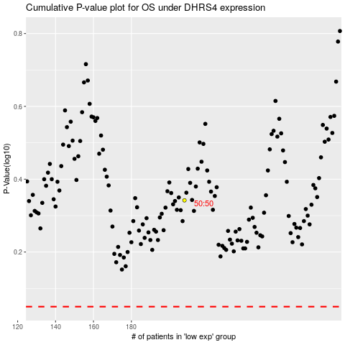

 |  |  |  |  |  | cases_OS | p_OS | rank | exp
 |  |  |  |  |  |  | cases_RFS | p_RFS | rank | exp

