DHRS4L1 _multivariate
Reported by Tex Li-Hsing Chi. tex@gate.sinica.edu.tw 2019-08-20

Table 2. The clinicopathological features of HNSCC cohort and DHRS4L1 expression. (Chi square test)
Cutoff at -0.291 (49.8%)
 |  | DHRS4L1 expression |  | DHRS4L1 expression |  | (Optimised)
 | Features | Low | (%) | High | (%) | Case no | P-value | Remark | Matthews
Gender | Female | 155 | 37.3 | 151 | 36.4 | 415 | 0.6768 | 0 | 0
2 | Male | 52 | 12.5 | 57 | 13.7
Age at diagnosis | <=65y | 141 | 34 | 133 | 32 | 415 | 0.4272 | 0 | 0
4 | >65y | 66 | 15.9 | 75 | 18.1
Clinical T Status | T1+T2 | 68 | 16.4 | 81 | 19.5 | 415 | 0.2336 | 0 | 0
6 | T3+T4 | 139 | 33.5 | 127 | 30.6
Clinical N Status | N0 | 95 | 22.9 | 121 | 29.2 | 415 | 0.0162 | 1 | 0
8 | N1-3 | 112 | 27 | 87 | 21
Clinical M Status | M0 | 206 | 49.6 | 206 | 49.6 | 415 | 1 | 0 | 0
10 | M1 | 1 | 0.2 | 2 | 0.5
Clinical Stage | Stage I+II | 49 | 11.8 | 53 | 12.8 | 415 | 0.7535 | 0 | 0
12 | Stage III+IV | 158 | 38.1 | 155 | 37.3
Surgical Margin status | Negative | 157 | 37.8 | 161 | 38.8 | 415 | 0.729 | 0 | 0
14 | Positive | 50 | 12 | 47 | 11.3
Tobacco Exposure | Low | 85 | 20.5 | 76 | 18.3 | 415 | 0.3655 | 0 | 0
16 | High | 122 | 29.4 | 132 | 31.8

Table 3. Univariate/Multivariate Cox's proportional hazards regression analyses on OS time of DHRS4L1 gene expression in HNSCC

 |  | Univariate |  |  |  | Multivariate
 | Features | HR | CI95%(L) | CI95%(H) | P-value | HR | CI95%(L) | CI95%(H) | P-value
1 | Female | 1 |  |  |  | 1
Gender | Male | 1.157 | 0.843 | 1.587 | 0.367 | 1.204 | 0.862 | 1.682 | 0.277
11 | <=65y | 1 |  |  |  | 1
Age at diagnosis | >65y | 1.329 | 0.99 | 1.784 | 0.058 | 1.396 | 1.025 | 1.899 | 0.034
12 | T1+T2 | 1 |  |  |  | 1
Clinical T Status | T3+T4 | 1.409 | 1.028 | 1.931 | 0.033 | 2.19 | 1.156 | 4.15 | 0.016
13 | N0 | 1 |  |  |  | 1
Clinical N Status | N1-3 | 1.185 | 0.89 | 1.577 | 0.246 | 1.236 | 0.864 | 1.767 | 0.246
14 | M0 | 1 |  |  |  | 1
Clinical M Status | M1 | 4.097 | 1.009 | 16.644 | 0.049 | 9.423 | 2.056 | 43.197 | 0.004
15 | Stage I+II | 1 |  |  |  | 1
Clinical Stage | Stage III+IV | 1.245 | 0.882 | 1.759 | 0.213 | 0.509 | 0.236 | 1.096 | 0.084
16 | Negative | 1 |  |  |  | 1
Surgical Margin status | Positive | 1.591 | 1.155 | 2.191 | 0.004 | 1.673 | 1.211 | 2.312 | 0.002
17 | Low | 1 |  |  |  | 1
Tobacco Exposure | High | 1.364 | 1.008 | 1.844 | 0.044 | 1.459 | 1.056 | 2.016 | 0.022
18 | Low | 1 |  |  |  | 1
RNAseq(z-score) | High | 1.015 | 0.763 | 1.352 | 0.916 | 0.969 | 0.723 | 1.298 | 0.833

Table 4. Univariate/Multivariate Cox's proportional hazards regression analyses on RFS time of DHRS4L1 gene expression in HNSCC

 |  | Univariate |  |  |  | Multivariate
 | Features | HR | CI95%(L) | CI95%(H) | P-value | HR | CI95%(L) | CI95%(H) | P-value
1 | Female | 1 |  |  |  | 1
Gender | Male | 1.157 | 0.843 | 1.587 | 0.367 | 1.204 | 0.862 | 1.682 | 0.277
11 | <=65y | 1 |  |  |  | 1
Age at diagnosis | >65y | 1.329 | 0.99 | 1.784 | 0.058 | 1.396 | 1.025 | 1.899 | 0.034
12 | T1+T2 | 1 |  |  |  | 1
Clinical T Status | T3+T4 | 1.409 | 1.028 | 1.931 | 0.033 | 2.19 | 1.156 | 4.15 | 0.016
13 | N0 | 1 |  |  |  | 1
Clinical N Status | N1-3 | 1.185 | 0.89 | 1.577 | 0.246 | 1.236 | 0.864 | 1.767 | 0.246
14 | M0 | 1 |  |  |  | 1
Clinical M Status | M1 | 4.097 | 1.009 | 16.644 | 0.049 | 9.423 | 2.056 | 43.197 | 0.004
15 | Stage I+II | 1 |  |  |  | 1
Clinical Stage | Stage III+IV | 1.245 | 0.882 | 1.759 | 0.213 | 0.509 | 0.236 | 1.096 | 0.084
16 | Negative | 1 |  |  |  | 1
Surgical Margin status | Positive | 1.591 | 1.155 | 2.191 | 0.004 | 1.673 | 1.211 | 2.312 | 0.002
17 | Low | 1 |  |  |  | 1
Tobacco Exposure | High | 1.364 | 1.008 | 1.844 | 0.044 | 1.459 | 1.056 | 2.016 | 0.022
18 | Low | 1 |  |  |  | 1
RNAseq(z-score) | High | 1.015 | 0.763 | 1.352 | 0.916 | 0.969 | 0.723 | 1.298 | 0.833

Kaplan-Meier survival estimate: Cutoff at -0.291 (49.8%)



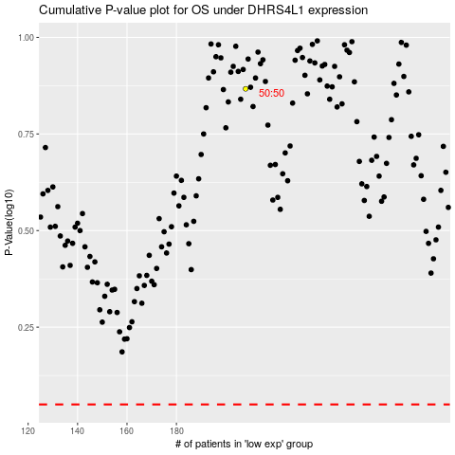

 |  |  |  |  |  | cases_OS | p_OS | rank | exp
 |  |  |  |  |  |  | cases_RFS | p_RFS | rank | exp

