DHRS4L2 _multivariate
Reported by Tex Li-Hsing Chi. tex@gate.sinica.edu.tw 2019-08-20

Table 2. The clinicopathological features of HNSCC cohort and DHRS4L2 expression. (Chi square test)
Cutoff at -0.274 (49.8%)
 |  | DHRS4L2 expression |  | DHRS4L2 expression |  | (Optimised)
 | Features | Low | (%) | High | (%) | Case no | P-value | Remark | Matthews
Gender | Female | 153 | 36.9 | 153 | 36.9 | 415 | 1 | 0 | 0
2 | Male | 54 | 13 | 55 | 13.3
Age at diagnosis | <=65y | 144 | 34.7 | 130 | 31.3 | 415 | 0.1568 | 0 | 0
4 | >65y | 63 | 15.2 | 78 | 18.8
Clinical T Status | T1+T2 | 76 | 18.3 | 73 | 17.6 | 415 | 0.8092 | 0 | 0
6 | T3+T4 | 131 | 31.6 | 135 | 32.5
Clinical N Status | N0 | 96 | 23.1 | 120 | 28.9 | 415 | 0.0272 | 1 | 0
8 | N1-3 | 111 | 26.7 | 88 | 21.2
Clinical M Status | M0 | 206 | 49.6 | 206 | 49.6 | 415 | 1 | 0 | 0
10 | M1 | 1 | 0.2 | 2 | 0.5
Clinical Stage | Stage I+II | 51 | 12.3 | 51 | 12.3 | 415 | 1 | 0 | 0
12 | Stage III+IV | 156 | 37.6 | 157 | 37.8
Surgical Margin status | Negative | 160 | 38.6 | 158 | 38.1 | 415 | 0.8167 | 0 | 0
14 | Positive | 47 | 11.3 | 50 | 12
Tobacco Exposure | Low | 88 | 21.2 | 73 | 17.6 | 415 | 0.1314 | 0 | 0
16 | High | 119 | 28.7 | 135 | 32.5

Table 3. Univariate/Multivariate Cox's proportional hazards regression analyses on OS time of DHRS4L2 gene expression in HNSCC

 |  | Univariate |  |  |  | Multivariate
 | Features | HR | CI95%(L) | CI95%(H) | P-value | HR | CI95%(L) | CI95%(H) | P-value
1 | Female | 1 |  |  |  | 1
Gender | Male | 1.157 | 0.843 | 1.587 | 0.367 | 1.213 | 0.866 | 1.699 | 0.261
11 | <=65y | 1 |  |  |  | 1
Age at diagnosis | >65y | 1.329 | 0.99 | 1.784 | 0.058 | 1.403 | 1.03 | 1.912 | 0.032
12 | T1+T2 | 1 |  |  |  | 1
Clinical T Status | T3+T4 | 1.409 | 1.028 | 1.931 | 0.033 | 2.207 | 1.167 | 4.174 | 0.015
13 | N0 | 1 |  |  |  | 1
Clinical N Status | N1-3 | 1.185 | 0.89 | 1.577 | 0.246 | 1.229 | 0.859 | 1.758 | 0.259
14 | M0 | 1 |  |  |  | 1
Clinical M Status | M1 | 4.097 | 1.009 | 16.644 | 0.049 | 9.573 | 2.084 | 43.972 | 0.004
15 | Stage I+II | 1 |  |  |  | 1
Clinical Stage | Stage III+IV | 1.245 | 0.882 | 1.759 | 0.213 | 0.506 | 0.236 | 1.087 | 0.081
16 | Negative | 1 |  |  |  | 1
Surgical Margin status | Positive | 1.591 | 1.155 | 2.191 | 0.004 | 1.68 | 1.215 | 2.322 | 0.002
17 | Low | 1 |  |  |  | 1
Tobacco Exposure | High | 1.364 | 1.008 | 1.844 | 0.044 | 1.47 | 1.062 | 2.034 | 0.02
18 | Low | 1 |  |  |  | 1
RNAseq(z-score) | High | 1.054 | 0.791 | 1.404 | 0.72 | 0.936 | 0.696 | 1.259 | 0.663

Table 4. Univariate/Multivariate Cox's proportional hazards regression analyses on RFS time of DHRS4L2 gene expression in HNSCC

 |  | Univariate |  |  |  | Multivariate
 | Features | HR | CI95%(L) | CI95%(H) | P-value | HR | CI95%(L) | CI95%(H) | P-value
1 | Female | 1 |  |  |  | 1
Gender | Male | 1.157 | 0.843 | 1.587 | 0.367 | 1.213 | 0.866 | 1.699 | 0.261
11 | <=65y | 1 |  |  |  | 1
Age at diagnosis | >65y | 1.329 | 0.99 | 1.784 | 0.058 | 1.403 | 1.03 | 1.912 | 0.032
12 | T1+T2 | 1 |  |  |  | 1
Clinical T Status | T3+T4 | 1.409 | 1.028 | 1.931 | 0.033 | 2.207 | 1.167 | 4.174 | 0.015
13 | N0 | 1 |  |  |  | 1
Clinical N Status | N1-3 | 1.185 | 0.89 | 1.577 | 0.246 | 1.229 | 0.859 | 1.758 | 0.259
14 | M0 | 1 |  |  |  | 1
Clinical M Status | M1 | 4.097 | 1.009 | 16.644 | 0.049 | 9.573 | 2.084 | 43.972 | 0.004
15 | Stage I+II | 1 |  |  |  | 1
Clinical Stage | Stage III+IV | 1.245 | 0.882 | 1.759 | 0.213 | 0.506 | 0.236 | 1.087 | 0.081
16 | Negative | 1 |  |  |  | 1
Surgical Margin status | Positive | 1.591 | 1.155 | 2.191 | 0.004 | 1.68 | 1.215 | 2.322 | 0.002
17 | Low | 1 |  |  |  | 1
Tobacco Exposure | High | 1.364 | 1.008 | 1.844 | 0.044 | 1.47 | 1.062 | 2.034 | 0.02
18 | Low | 1 |  |  |  | 1
RNAseq(z-score) | High | 1.054 | 0.791 | 1.404 | 0.72 | 0.936 | 0.696 | 1.259 | 0.663

Kaplan-Meier survival estimate: Cutoff at -0.274 (49.8%)



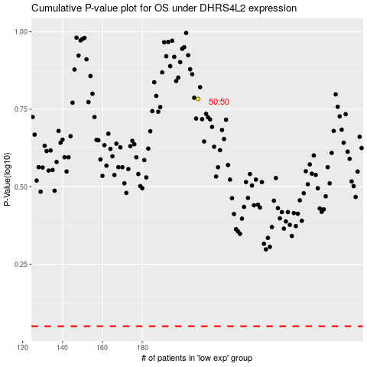

 |  |  |  |  |  | cases_OS | p_OS | rank | exp
 |  |  |  |  |  |  | cases_RFS | p_RFS | rank | exp

