DHRS9 _multivariate
Reported by Tex Li-Hsing Chi. tex@gate.sinica.edu.tw 2019-08-20

Table 2. The clinicopathological features of HNSCC cohort and DHRS9 expression. (Chi square test)
Cutoff at -0.316 (50.0%)
 |  | DHRS9 expression |  | DHRS9 expression |  | (Optimised)
 | Features | Low | (%) | High | (%) | Case no | P-value | Remark | Matthews
Gender | Female | 162 | 39 | 144 | 34.7 | 415 | 0.0479 | 1 | 0
2 | Male | 45 | 10.8 | 64 | 15.4
Age at diagnosis | <=65y | 141 | 34 | 133 | 32 | 415 | 0.4272 | 0 | 0
4 | >65y | 66 | 15.9 | 75 | 18.1
Clinical T Status | T1+T2 | 81 | 19.5 | 68 | 16.4 | 415 | 0.206 | 0 | 0
6 | T3+T4 | 126 | 30.4 | 140 | 33.7
Clinical N Status | N0 | 101 | 24.3 | 115 | 27.7 | 415 | 0.2201 | 0 | 0
8 | N1-3 | 106 | 25.5 | 93 | 22.4
Clinical M Status | M0 | 206 | 49.6 | 206 | 49.6 | 415 | 1 | 0 | 0
10 | M1 | 1 | 0.2 | 2 | 0.5
Clinical Stage | Stage I+II | 54 | 13 | 48 | 11.6 | 415 | 0.5498 | 0 | 0
12 | Stage III+IV | 153 | 36.9 | 160 | 38.6
Surgical Margin status | Negative | 150 | 36.1 | 168 | 40.5 | 415 | 0.0492 | 1 | 0
14 | Positive | 57 | 13.7 | 40 | 9.6
Tobacco Exposure | Low | 79 | 19 | 82 | 19.8 | 415 | 0.8405 | 0 | 0
16 | High | 128 | 30.8 | 126 | 30.4

Table 3. Univariate/Multivariate Cox's proportional hazards regression analyses on OS time of DHRS9 gene expression in HNSCC

 |  | Univariate |  |  |  | Multivariate
 | Features | HR | CI95%(L) | CI95%(H) | P-value | HR | CI95%(L) | CI95%(H) | P-value
1 | Female | 1 |  |  |  | 1
Gender | Male | 1.157 | 0.843 | 1.587 | 0.367 | 1.235 | 0.88 | 1.732 | 0.223
11 | <=65y | 1 |  |  |  | 1
Age at diagnosis | >65y | 1.329 | 0.99 | 1.784 | 0.058 | 1.389 | 1.021 | 1.888 | 0.036
12 | T1+T2 | 1 |  |  |  | 1
Clinical T Status | T3+T4 | 1.409 | 1.028 | 1.931 | 0.033 | 2.199 | 1.163 | 4.157 | 0.015
13 | N0 | 1 |  |  |  | 1
Clinical N Status | N1-3 | 1.185 | 0.89 | 1.577 | 0.246 | 1.203 | 0.839 | 1.724 | 0.314
14 | M0 | 1 |  |  |  | 1
Clinical M Status | M1 | 4.097 | 1.009 | 16.644 | 0.049 | 9.748 | 2.123 | 44.759 | 0.003
15 | Stage I+II | 1 |  |  |  | 1
Clinical Stage | Stage III+IV | 1.245 | 0.882 | 1.759 | 0.213 | 0.514 | 0.24 | 1.105 | 0.088
16 | Negative | 1 |  |  |  | 1
Surgical Margin status | Positive | 1.591 | 1.155 | 2.191 | 0.004 | 1.646 | 1.19 | 2.278 | 0.003
17 | Low | 1 |  |  |  | 1
Tobacco Exposure | High | 1.364 | 1.008 | 1.844 | 0.044 | 1.468 | 1.064 | 2.024 | 0.019
18 | Low | 1 |  |  |  | 1
RNAseq(z-score) | High | 0.846 | 0.635 | 1.128 | 0.255 | 0.855 | 0.636 | 1.149 | 0.299

Table 4. Univariate/Multivariate Cox's proportional hazards regression analyses on RFS time of DHRS9 gene expression in HNSCC

 |  | Univariate |  |  |  | Multivariate
 | Features | HR | CI95%(L) | CI95%(H) | P-value | HR | CI95%(L) | CI95%(H) | P-value
1 | Female | 1 |  |  |  | 1
Gender | Male | 1.157 | 0.843 | 1.587 | 0.367 | 1.235 | 0.88 | 1.732 | 0.223
11 | <=65y | 1 |  |  |  | 1
Age at diagnosis | >65y | 1.329 | 0.99 | 1.784 | 0.058 | 1.389 | 1.021 | 1.888 | 0.036
12 | T1+T2 | 1 |  |  |  | 1
Clinical T Status | T3+T4 | 1.409 | 1.028 | 1.931 | 0.033 | 2.199 | 1.163 | 4.157 | 0.015
13 | N0 | 1 |  |  |  | 1
Clinical N Status | N1-3 | 1.185 | 0.89 | 1.577 | 0.246 | 1.203 | 0.839 | 1.724 | 0.314
14 | M0 | 1 |  |  |  | 1
Clinical M Status | M1 | 4.097 | 1.009 | 16.644 | 0.049 | 9.748 | 2.123 | 44.759 | 0.003
15 | Stage I+II | 1 |  |  |  | 1
Clinical Stage | Stage III+IV | 1.245 | 0.882 | 1.759 | 0.213 | 0.514 | 0.24 | 1.105 | 0.088
16 | Negative | 1 |  |  |  | 1
Surgical Margin status | Positive | 1.591 | 1.155 | 2.191 | 0.004 | 1.646 | 1.19 | 2.278 | 0.003
17 | Low | 1 |  |  |  | 1
Tobacco Exposure | High | 1.364 | 1.008 | 1.844 | 0.044 | 1.468 | 1.064 | 2.024 | 0.019
18 | Low | 1 |  |  |  | 1
RNAseq(z-score) | High | 0.846 | 0.635 | 1.128 | 0.255 | 0.855 | 0.636 | 1.149 | 0.299

Kaplan-Meier survival estimate: Cutoff at -0.316 (50.0%)



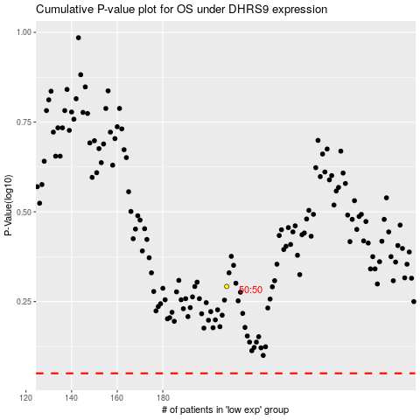

 |  |  |  |  |  | cases_OS | p_OS | rank | exp
 |  |  |  |  |  |  | cases_RFS | p_RFS | rank | exp

