DHX15 _multivariate
Reported by Tex Li-Hsing Chi. tex@gate.sinica.edu.tw 2019-08-20

Table 2. The clinicopathological features of HNSCC cohort and DHX15 expression. (Chi square test)
Cutoff at 0.016 (50.0%)
 |  | DHX15 expression |  | DHX15 expression |  | (Optimised)
 | Features | Low | (%) | High | (%) | Case no | P-value | Remark | Matthews
Gender | Female | 158 | 38.1 | 148 | 35.7 | 415 | 0.2774 | 0 | 0
2 | Male | 49 | 11.8 | 60 | 14.5
Age at diagnosis | <=65y | 137 | 33 | 137 | 33 | 415 | 1 | 0 | 0
4 | >65y | 70 | 16.9 | 71 | 17.1
Clinical T Status | T1+T2 | 78 | 18.8 | 71 | 17.1 | 415 | 0.5152 | 0 | 0
6 | T3+T4 | 129 | 31.1 | 137 | 33
Clinical N Status | N0 | 110 | 26.5 | 106 | 25.5 | 415 | 0.7294 | 0 | 0
8 | N1-3 | 97 | 23.4 | 102 | 24.6
Clinical M Status | M0 | 205 | 49.4 | 207 | 49.9 | 415 | 0.6232 | 0 | 0
10 | M1 | 2 | 0.5 | 1 | 0.2
Clinical Stage | Stage I+II | 54 | 13 | 48 | 11.6 | 415 | 0.5498 | 0 | 0
12 | Stage III+IV | 153 | 36.9 | 160 | 38.6
Surgical Margin status | Negative | 160 | 38.6 | 158 | 38.1 | 415 | 0.8167 | 0 | 0
14 | Positive | 47 | 11.3 | 50 | 12
Tobacco Exposure | Low | 70 | 16.9 | 91 | 21.9 | 415 | 0.0439 | 1 | 0
16 | High | 137 | 33 | 117 | 28.2

Table 3. Univariate/Multivariate Cox's proportional hazards regression analyses on OS time of DHX15 gene expression in HNSCC

 |  | Univariate |  |  |  | Multivariate
 | Features | HR | CI95%(L) | CI95%(H) | P-value | HR | CI95%(L) | CI95%(H) | P-value
1 | Female | 1 |  |  |  | 1
Gender | Male | 1.157 | 0.843 | 1.587 | 0.367 | 1.202 | 0.861 | 1.68 | 0.28
11 | <=65y | 1 |  |  |  | 1
Age at diagnosis | >65y | 1.329 | 0.99 | 1.784 | 0.058 | 1.392 | 1.024 | 1.892 | 0.035
12 | T1+T2 | 1 |  |  |  | 1
Clinical T Status | T3+T4 | 1.409 | 1.028 | 1.931 | 0.033 | 2.211 | 1.169 | 4.181 | 0.015
13 | N0 | 1 |  |  |  | 1
Clinical N Status | N1-3 | 1.185 | 0.89 | 1.577 | 0.246 | 1.246 | 0.873 | 1.778 | 0.225
14 | M0 | 1 |  |  |  | 1
Clinical M Status | M1 | 4.097 | 1.009 | 16.644 | 0.049 | 9.645 | 2.098 | 44.342 | 0.004
15 | Stage I+II | 1 |  |  |  | 1
Clinical Stage | Stage III+IV | 1.245 | 0.882 | 1.759 | 0.213 | 0.503 | 0.234 | 1.079 | 0.078
16 | Negative | 1 |  |  |  | 1
Surgical Margin status | Positive | 1.591 | 1.155 | 2.191 | 0.004 | 1.668 | 1.207 | 2.305 | 0.002
17 | Low | 1 |  |  |  | 1
Tobacco Exposure | High | 1.364 | 1.008 | 1.844 | 0.044 | 1.468 | 1.063 | 2.027 | 0.02
18 | Low | 1 |  |  |  | 1
RNAseq(z-score) | High | 1.026 | 0.771 | 1.366 | 0.859 | 1.081 | 0.809 | 1.444 | 0.601

Table 4. Univariate/Multivariate Cox's proportional hazards regression analyses on RFS time of DHX15 gene expression in HNSCC

 |  | Univariate |  |  |  | Multivariate
 | Features | HR | CI95%(L) | CI95%(H) | P-value | HR | CI95%(L) | CI95%(H) | P-value
1 | Female | 1 |  |  |  | 1
Gender | Male | 1.157 | 0.843 | 1.587 | 0.367 | 1.202 | 0.861 | 1.68 | 0.28
11 | <=65y | 1 |  |  |  | 1
Age at diagnosis | >65y | 1.329 | 0.99 | 1.784 | 0.058 | 1.392 | 1.024 | 1.892 | 0.035
12 | T1+T2 | 1 |  |  |  | 1
Clinical T Status | T3+T4 | 1.409 | 1.028 | 1.931 | 0.033 | 2.211 | 1.169 | 4.181 | 0.015
13 | N0 | 1 |  |  |  | 1
Clinical N Status | N1-3 | 1.185 | 0.89 | 1.577 | 0.246 | 1.246 | 0.873 | 1.778 | 0.225
14 | M0 | 1 |  |  |  | 1
Clinical M Status | M1 | 4.097 | 1.009 | 16.644 | 0.049 | 9.645 | 2.098 | 44.342 | 0.004
15 | Stage I+II | 1 |  |  |  | 1
Clinical Stage | Stage III+IV | 1.245 | 0.882 | 1.759 | 0.213 | 0.503 | 0.234 | 1.079 | 0.078
16 | Negative | 1 |  |  |  | 1
Surgical Margin status | Positive | 1.591 | 1.155 | 2.191 | 0.004 | 1.668 | 1.207 | 2.305 | 0.002
17 | Low | 1 |  |  |  | 1
Tobacco Exposure | High | 1.364 | 1.008 | 1.844 | 0.044 | 1.468 | 1.063 | 2.027 | 0.02
18 | Low | 1 |  |  |  | 1
RNAseq(z-score) | High | 1.026 | 0.771 | 1.366 | 0.859 | 1.081 | 0.809 | 1.444 | 0.601

Kaplan-Meier survival estimate: Cutoff at 0.016 (50.0%)



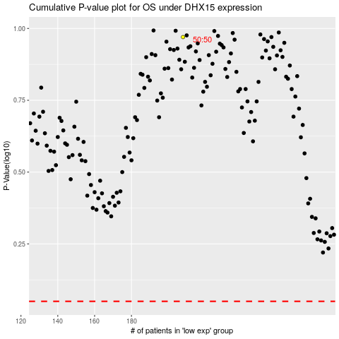

 |  |  |  |  |  | cases_OS | p_OS | rank | exp
 |  |  |  |  |  |  | cases_RFS | p_RFS | rank | exp

