DHX30 _multivariate
Reported by Tex Li-Hsing Chi. tex@gate.sinica.edu.tw 2019-08-20

Table 2. The clinicopathological features of HNSCC cohort and DHX30 expression. (Chi square test)
Cutoff at -0.196 (49.8%)
 |  | DHX30 expression |  | DHX30 expression |  | (Optimised)
 | Features | Low | (%) | High | (%) | Case no | P-value | Remark | Matthews
Gender | Female | 155 | 37.3 | 151 | 36.4 | 415 | 0.6768 | 0 | 0
2 | Male | 52 | 12.5 | 57 | 13.7
Age at diagnosis | <=65y | 151 | 36.4 | 123 | 29.6 | 415 | 0.0041 | 1 | 0
4 | >65y | 56 | 13.5 | 85 | 20.5
Clinical T Status | T1+T2 | 81 | 19.5 | 68 | 16.4 | 415 | 0.206 | 0 | 0
6 | T3+T4 | 126 | 30.4 | 140 | 33.7
Clinical N Status | N0 | 105 | 25.3 | 111 | 26.7 | 415 | 0.6598 | 0 | 0
8 | N1-3 | 102 | 24.6 | 97 | 23.4
Clinical M Status | M0 | 204 | 49.2 | 208 | 50.1 | 415 | 0.1232 | 0 | 0
10 | M1 | 3 | 0.7 | 0 | 0
Clinical Stage | Stage I+II | 59 | 14.2 | 43 | 10.4 | 415 | 0.0822 | 0 | 0
12 | Stage III+IV | 148 | 35.7 | 165 | 39.8
Surgical Margin status | Negative | 165 | 39.8 | 153 | 36.9 | 415 | 0.1639 | 0 | 0
14 | Positive | 42 | 10.1 | 55 | 13.3
Tobacco Exposure | Low | 81 | 19.5 | 80 | 19.3 | 415 | 0.9199 | 0 | 0
16 | High | 126 | 30.4 | 128 | 30.8

Table 3. Univariate/Multivariate Cox's proportional hazards regression analyses on OS time of DHX30 gene expression in HNSCC

 |  | Univariate |  |  |  | Multivariate
 | Features | HR | CI95%(L) | CI95%(H) | P-value | HR | CI95%(L) | CI95%(H) | P-value
1 | Female | 1 |  |  |  | 1
Gender | Male | 1.157 | 0.843 | 1.587 | 0.367 | 1.201 | 0.86 | 1.678 | 0.282
11 | <=65y | 1 |  |  |  | 1
Age at diagnosis | >65y | 1.329 | 0.99 | 1.784 | 0.058 | 1.397 | 1.024 | 1.906 | 0.035
12 | T1+T2 | 1 |  |  |  | 1
Clinical T Status | T3+T4 | 1.409 | 1.028 | 1.931 | 0.033 | 2.197 | 1.161 | 4.156 | 0.016
13 | N0 | 1 |  |  |  | 1
Clinical N Status | N1-3 | 1.185 | 0.89 | 1.577 | 0.246 | 1.239 | 0.868 | 1.768 | 0.239
14 | M0 | 1 |  |  |  | 1
Clinical M Status | M1 | 4.097 | 1.009 | 16.644 | 0.049 | 9.274 | 2.006 | 42.87 | 0.004
15 | Stage I+II | 1 |  |  |  | 1
Clinical Stage | Stage III+IV | 1.245 | 0.882 | 1.759 | 0.213 | 0.507 | 0.236 | 1.09 | 0.082
16 | Negative | 1 |  |  |  | 1
Surgical Margin status | Positive | 1.591 | 1.155 | 2.191 | 0.004 | 1.676 | 1.211 | 2.319 | 0.002
17 | Low | 1 |  |  |  | 1
Tobacco Exposure | High | 1.364 | 1.008 | 1.844 | 0.044 | 1.455 | 1.056 | 2.006 | 0.022
18 | Low | 1 |  |  |  | 1
RNAseq(z-score) | High | 1.038 | 0.779 | 1.383 | 0.797 | 0.974 | 0.725 | 1.309 | 0.863

Table 4. Univariate/Multivariate Cox's proportional hazards regression analyses on RFS time of DHX30 gene expression in HNSCC

 |  | Univariate |  |  |  | Multivariate
 | Features | HR | CI95%(L) | CI95%(H) | P-value | HR | CI95%(L) | CI95%(H) | P-value
1 | Female | 1 |  |  |  | 1
Gender | Male | 1.157 | 0.843 | 1.587 | 0.367 | 1.201 | 0.86 | 1.678 | 0.282
11 | <=65y | 1 |  |  |  | 1
Age at diagnosis | >65y | 1.329 | 0.99 | 1.784 | 0.058 | 1.397 | 1.024 | 1.906 | 0.035
12 | T1+T2 | 1 |  |  |  | 1
Clinical T Status | T3+T4 | 1.409 | 1.028 | 1.931 | 0.033 | 2.197 | 1.161 | 4.156 | 0.016
13 | N0 | 1 |  |  |  | 1
Clinical N Status | N1-3 | 1.185 | 0.89 | 1.577 | 0.246 | 1.239 | 0.868 | 1.768 | 0.239
14 | M0 | 1 |  |  |  | 1
Clinical M Status | M1 | 4.097 | 1.009 | 16.644 | 0.049 | 9.274 | 2.006 | 42.87 | 0.004
15 | Stage I+II | 1 |  |  |  | 1
Clinical Stage | Stage III+IV | 1.245 | 0.882 | 1.759 | 0.213 | 0.507 | 0.236 | 1.09 | 0.082
16 | Negative | 1 |  |  |  | 1
Surgical Margin status | Positive | 1.591 | 1.155 | 2.191 | 0.004 | 1.676 | 1.211 | 2.319 | 0.002
17 | Low | 1 |  |  |  | 1
Tobacco Exposure | High | 1.364 | 1.008 | 1.844 | 0.044 | 1.455 | 1.056 | 2.006 | 0.022
18 | Low | 1 |  |  |  | 1
RNAseq(z-score) | High | 1.038 | 0.779 | 1.383 | 0.797 | 0.974 | 0.725 | 1.309 | 0.863

Kaplan-Meier survival estimate: Cutoff at -0.196 (49.8%)



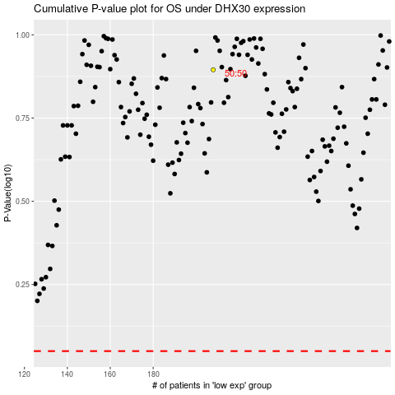

 |  |  |  |  |  | cases_OS | p_OS | rank | exp
 |  |  |  |  |  |  | cases_RFS | p_RFS | rank | exp

