DHX32 _multivariate
Reported by Tex Li-Hsing Chi. tex@gate.sinica.edu.tw 2019-08-20

Table 2. The clinicopathological features of HNSCC cohort and DHX32 expression. (Chi square test)
Cutoff at -0.079 (50.0%)
 |  | DHX32 expression |  | DHX32 expression |  | (Optimised)
 | Features | Low | (%) | High | (%) | Case no | P-value | Remark | Matthews
Gender | Female | 154 | 37.1 | 152 | 36.6 | 415 | 0.8463 | 0 | 0
2 | Male | 53 | 12.8 | 56 | 13.5
Age at diagnosis | <=65y | 139 | 33.5 | 135 | 32.5 | 415 | 0.7044 | 0 | 0
4 | >65y | 68 | 16.4 | 73 | 17.6
Clinical T Status | T1+T2 | 86 | 20.7 | 63 | 15.2 | 415 | 0.0221 | 1 | 0
6 | T3+T4 | 121 | 29.2 | 145 | 34.9
Clinical N Status | N0 | 109 | 26.3 | 107 | 25.8 | 415 | 0.8812 | 0 | 0
8 | N1-3 | 98 | 23.6 | 101 | 24.3
Clinical M Status | M0 | 207 | 49.9 | 205 | 49.4 | 415 | 0.2482 | 0 | 0
10 | M1 | 0 | 0 | 3 | 0.7
Clinical Stage | Stage I+II | 55 | 13.3 | 47 | 11.3 | 415 | 0.4087 | 0 | 0
12 | Stage III+IV | 152 | 36.6 | 161 | 38.8
Surgical Margin status | Negative | 155 | 37.3 | 163 | 39.3 | 415 | 0.4187 | 0 | 0
14 | Positive | 52 | 12.5 | 45 | 10.8
Tobacco Exposure | Low | 82 | 19.8 | 79 | 19 | 415 | 0.763 | 0 | 0
16 | High | 125 | 30.1 | 129 | 31.1

Table 3. Univariate/Multivariate Cox's proportional hazards regression analyses on OS time of DHX32 gene expression in HNSCC

 |  | Univariate |  |  |  | Multivariate
 | Features | HR | CI95%(L) | CI95%(H) | P-value | HR | CI95%(L) | CI95%(H) | P-value
1 | Female | 1 |  |  |  | 1
Gender | Male | 1.157 | 0.843 | 1.587 | 0.367 | 1.255 | 0.896 | 1.756 | 0.186
11 | <=65y | 1 |  |  |  | 1
Age at diagnosis | >65y | 1.329 | 0.99 | 1.784 | 0.058 | 1.429 | 1.05 | 1.945 | 0.023
12 | T1+T2 | 1 |  |  |  | 1
Clinical T Status | T3+T4 | 1.409 | 1.028 | 1.931 | 0.033 | 2.38 | 1.257 | 4.506 | 0.008
13 | N0 | 1 |  |  |  | 1
Clinical N Status | N1-3 | 1.185 | 0.89 | 1.577 | 0.246 | 1.273 | 0.891 | 1.818 | 0.185
14 | M0 | 1 |  |  |  | 1
Clinical M Status | M1 | 4.097 | 1.009 | 16.644 | 0.049 | 12.287 | 2.633 | 57.333 | 0.001
15 | Stage I+II | 1 |  |  |  | 1
Clinical Stage | Stage III+IV | 1.245 | 0.882 | 1.759 | 0.213 | 0.465 | 0.216 | 0.997 | 0.049
16 | Negative | 1 |  |  |  | 1
Surgical Margin status | Positive | 1.591 | 1.155 | 2.191 | 0.004 | 1.612 | 1.165 | 2.23 | 0.004
17 | Low | 1 |  |  |  | 1
Tobacco Exposure | High | 1.364 | 1.008 | 1.844 | 0.044 | 1.494 | 1.083 | 2.061 | 0.015
18 | Low | 1 |  |  |  | 1
RNAseq(z-score) | High | 0.787 | 0.59 | 1.05 | 0.103 | 0.7 | 0.519 | 0.942 | 0.019

Table 4. Univariate/Multivariate Cox's proportional hazards regression analyses on RFS time of DHX32 gene expression in HNSCC

 |  | Univariate |  |  |  | Multivariate
 | Features | HR | CI95%(L) | CI95%(H) | P-value | HR | CI95%(L) | CI95%(H) | P-value
1 | Female | 1 |  |  |  | 1
Gender | Male | 1.157 | 0.843 | 1.587 | 0.367 | 1.255 | 0.896 | 1.756 | 0.186
11 | <=65y | 1 |  |  |  | 1
Age at diagnosis | >65y | 1.329 | 0.99 | 1.784 | 0.058 | 1.429 | 1.05 | 1.945 | 0.023
12 | T1+T2 | 1 |  |  |  | 1
Clinical T Status | T3+T4 | 1.409 | 1.028 | 1.931 | 0.033 | 2.38 | 1.257 | 4.506 | 0.008
13 | N0 | 1 |  |  |  | 1
Clinical N Status | N1-3 | 1.185 | 0.89 | 1.577 | 0.246 | 1.273 | 0.891 | 1.818 | 0.185
14 | M0 | 1 |  |  |  | 1
Clinical M Status | M1 | 4.097 | 1.009 | 16.644 | 0.049 | 12.287 | 2.633 | 57.333 | 0.001
15 | Stage I+II | 1 |  |  |  | 1
Clinical Stage | Stage III+IV | 1.245 | 0.882 | 1.759 | 0.213 | 0.465 | 0.216 | 0.997 | 0.049
16 | Negative | 1 |  |  |  | 1
Surgical Margin status | Positive | 1.591 | 1.155 | 2.191 | 0.004 | 1.612 | 1.165 | 2.23 | 0.004
17 | Low | 1 |  |  |  | 1
Tobacco Exposure | High | 1.364 | 1.008 | 1.844 | 0.044 | 1.494 | 1.083 | 2.061 | 0.015
18 | Low | 1 |  |  |  | 1
RNAseq(z-score) | High | 0.787 | 0.59 | 1.05 | 0.103 | 0.7 | 0.519 | 0.942 | 0.019

Kaplan-Meier survival estimate: Cutoff at -0.079 (50.0%)



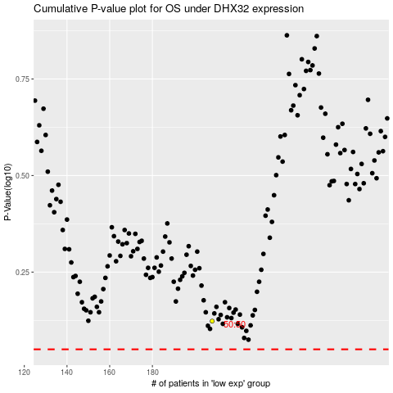

 |  |  |  |  |  | cases_OS | p_OS | rank | exp
 |  |  |  |  |  |  | cases_RFS | p_RFS | rank | exp

