DHX34 _multivariate
Reported by Tex Li-Hsing Chi. tex@gate.sinica.edu.tw 2019-08-20

Table 2. The clinicopathological features of HNSCC cohort and DHX34 expression. (Chi square test)
Cutoff at -0.159 (49.8%)
 |  | DHX34 expression |  | DHX34 expression |  | (Optimised)
 | Features | Low | (%) | High | (%) | Case no | P-value | Remark | Matthews
Gender | Female | 146 | 35.2 | 160 | 38.6 | 415 | 0.1714 | 0 | 0
2 | Male | 61 | 14.7 | 48 | 11.6
Age at diagnosis | <=65y | 132 | 31.8 | 142 | 34.2 | 415 | 0.3874 | 0 | 0
4 | >65y | 75 | 18.1 | 66 | 15.9
Clinical T Status | T1+T2 | 76 | 18.3 | 73 | 17.6 | 415 | 0.8092 | 0 | 0
6 | T3+T4 | 131 | 31.6 | 135 | 32.5
Clinical N Status | N0 | 111 | 26.7 | 105 | 25.3 | 415 | 0.5875 | 0 | 0
8 | N1-3 | 96 | 23.1 | 103 | 24.8
Clinical M Status | M0 | 207 | 49.9 | 205 | 49.4 | 415 | 0.2482 | 0 | 0
10 | M1 | 0 | 0 | 3 | 0.7
Clinical Stage | Stage I+II | 54 | 13 | 48 | 11.6 | 415 | 0.5498 | 0 | 0
12 | Stage III+IV | 153 | 36.9 | 160 | 38.6
Surgical Margin status | Negative | 155 | 37.3 | 163 | 39.3 | 415 | 0.4187 | 0 | 0
14 | Positive | 52 | 12.5 | 45 | 10.8
Tobacco Exposure | Low | 90 | 21.7 | 71 | 17.1 | 415 | 0.0559 | 0 | 0
16 | High | 117 | 28.2 | 137 | 33

Table 3. Univariate/Multivariate Cox's proportional hazards regression analyses on OS time of DHX34 gene expression in HNSCC

 |  | Univariate |  |  |  | Multivariate
 | Features | HR | CI95%(L) | CI95%(H) | P-value | HR | CI95%(L) | CI95%(H) | P-value
1 | Female | 1 |  |  |  | 1
Gender | Male | 1.157 | 0.843 | 1.587 | 0.367 | 1.195 | 0.857 | 1.666 | 0.294
11 | <=65y | 1 |  |  |  | 1
Age at diagnosis | >65y | 1.329 | 0.99 | 1.784 | 0.058 | 1.399 | 1.029 | 1.9 | 0.032
12 | T1+T2 | 1 |  |  |  | 1
Clinical T Status | T3+T4 | 1.409 | 1.028 | 1.931 | 0.033 | 2.192 | 1.159 | 4.145 | 0.016
13 | N0 | 1 |  |  |  | 1
Clinical N Status | N1-3 | 1.185 | 0.89 | 1.577 | 0.246 | 1.255 | 0.879 | 1.79 | 0.211
14 | M0 | 1 |  |  |  | 1
Clinical M Status | M1 | 4.097 | 1.009 | 16.644 | 0.049 | 10.652 | 2.308 | 49.169 | 0.002
15 | Stage I+II | 1 |  |  |  | 1
Clinical Stage | Stage III+IV | 1.245 | 0.882 | 1.759 | 0.213 | 0.513 | 0.239 | 1.101 | 0.087
16 | Negative | 1 |  |  |  | 1
Surgical Margin status | Positive | 1.591 | 1.155 | 2.191 | 0.004 | 1.652 | 1.195 | 2.284 | 0.002
17 | Low | 1 |  |  |  | 1
Tobacco Exposure | High | 1.364 | 1.008 | 1.844 | 0.044 | 1.48 | 1.075 | 2.04 | 0.016
18 | Low | 1 |  |  |  | 1
RNAseq(z-score) | High | 0.812 | 0.609 | 1.082 | 0.155 | 0.771 | 0.576 | 1.032 | 0.08

Table 4. Univariate/Multivariate Cox's proportional hazards regression analyses on RFS time of DHX34 gene expression in HNSCC

 |  | Univariate |  |  |  | Multivariate
 | Features | HR | CI95%(L) | CI95%(H) | P-value | HR | CI95%(L) | CI95%(H) | P-value
1 | Female | 1 |  |  |  | 1
Gender | Male | 1.157 | 0.843 | 1.587 | 0.367 | 1.195 | 0.857 | 1.666 | 0.294
11 | <=65y | 1 |  |  |  | 1
Age at diagnosis | >65y | 1.329 | 0.99 | 1.784 | 0.058 | 1.399 | 1.029 | 1.9 | 0.032
12 | T1+T2 | 1 |  |  |  | 1
Clinical T Status | T3+T4 | 1.409 | 1.028 | 1.931 | 0.033 | 2.192 | 1.159 | 4.145 | 0.016
13 | N0 | 1 |  |  |  | 1
Clinical N Status | N1-3 | 1.185 | 0.89 | 1.577 | 0.246 | 1.255 | 0.879 | 1.79 | 0.211
14 | M0 | 1 |  |  |  | 1
Clinical M Status | M1 | 4.097 | 1.009 | 16.644 | 0.049 | 10.652 | 2.308 | 49.169 | 0.002
15 | Stage I+II | 1 |  |  |  | 1
Clinical Stage | Stage III+IV | 1.245 | 0.882 | 1.759 | 0.213 | 0.513 | 0.239 | 1.101 | 0.087
16 | Negative | 1 |  |  |  | 1
Surgical Margin status | Positive | 1.591 | 1.155 | 2.191 | 0.004 | 1.652 | 1.195 | 2.284 | 0.002
17 | Low | 1 |  |  |  | 1
Tobacco Exposure | High | 1.364 | 1.008 | 1.844 | 0.044 | 1.48 | 1.075 | 2.04 | 0.016
18 | Low | 1 |  |  |  | 1
RNAseq(z-score) | High | 0.812 | 0.609 | 1.082 | 0.155 | 0.771 | 0.576 | 1.032 | 0.08

Kaplan-Meier survival estimate: Cutoff at -0.159 (49.8%)



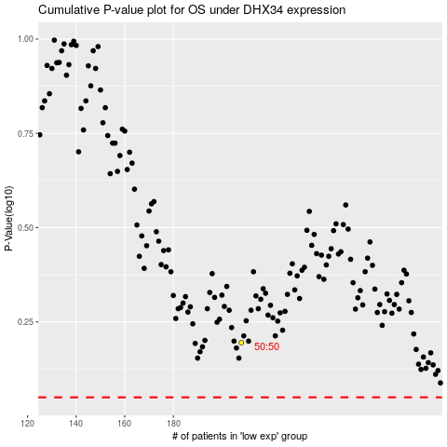

 |  |  |  |  |  | cases_OS | p_OS | rank | exp
 |  |  |  |  |  |  | cases_RFS | p_RFS | rank | exp

