DHX58 _multivariate
Reported by Tex Li-Hsing Chi. tex@gate.sinica.edu.tw 2019-08-20

Table 2. The clinicopathological features of HNSCC cohort and DHX58 expression. (Chi square test)
Cutoff at -0.235 (49.8%)
 |  | DHX58 expression |  | DHX58 expression |  | (Optimised)
 | Features | Low | (%) | High | (%) | Case no | P-value | Remark | Matthews
Gender | Female | 156 | 37.6 | 150 | 36.1 | 415 | 0.5222 | 0 | 0
2 | Male | 51 | 12.3 | 58 | 14
Age at diagnosis | <=65y | 142 | 34.2 | 132 | 31.8 | 415 | 0.3167 | 0 | 0
4 | >65y | 65 | 15.7 | 76 | 18.3
Clinical T Status | T1+T2 | 64 | 15.4 | 85 | 20.5 | 415 | 0.0445 | 1 | 0
6 | T3+T4 | 143 | 34.5 | 123 | 29.6
Clinical N Status | N0 | 101 | 24.3 | 115 | 27.7 | 415 | 0.2201 | 0 | 0
8 | N1-3 | 106 | 25.5 | 93 | 22.4
Clinical M Status | M0 | 206 | 49.6 | 206 | 49.6 | 415 | 1 | 0 | 0
10 | M1 | 1 | 0.2 | 2 | 0.5
Clinical Stage | Stage I+II | 43 | 10.4 | 59 | 14.2 | 415 | 0.0925 | 0 | 0
12 | Stage III+IV | 164 | 39.5 | 149 | 35.9
Surgical Margin status | Negative | 161 | 38.8 | 157 | 37.8 | 415 | 0.6429 | 0 | 0
14 | Positive | 46 | 11.1 | 51 | 12.3
Tobacco Exposure | Low | 70 | 16.9 | 91 | 21.9 | 415 | 0.0439 | 1 | 0
16 | High | 137 | 33 | 117 | 28.2

Table 3. Univariate/Multivariate Cox's proportional hazards regression analyses on OS time of DHX58 gene expression in HNSCC

 |  | Univariate |  |  |  | Multivariate
 | Features | HR | CI95%(L) | CI95%(H) | P-value | HR | CI95%(L) | CI95%(H) | P-value
1 | Female | 1 |  |  |  | 1
Gender | Male | 1.157 | 0.843 | 1.587 | 0.367 | 1.201 | 0.86 | 1.677 | 0.283
11 | <=65y | 1 |  |  |  | 1
Age at diagnosis | >65y | 1.329 | 0.99 | 1.784 | 0.058 | 1.391 | 1.023 | 1.891 | 0.035
12 | T1+T2 | 1 |  |  |  | 1
Clinical T Status | T3+T4 | 1.409 | 1.028 | 1.931 | 0.033 | 2.213 | 1.169 | 4.189 | 0.015
13 | N0 | 1 |  |  |  | 1
Clinical N Status | N1-3 | 1.185 | 0.89 | 1.577 | 0.246 | 1.241 | 0.87 | 1.77 | 0.234
14 | M0 | 1 |  |  |  | 1
Clinical M Status | M1 | 4.097 | 1.009 | 16.644 | 0.049 | 9.319 | 2.03 | 42.788 | 0.004
15 | Stage I+II | 1 |  |  |  | 1
Clinical Stage | Stage III+IV | 1.245 | 0.882 | 1.759 | 0.213 | 0.505 | 0.235 | 1.085 | 0.08
16 | Negative | 1 |  |  |  | 1
Surgical Margin status | Positive | 1.591 | 1.155 | 2.191 | 0.004 | 1.667 | 1.206 | 2.305 | 0.002
17 | Low | 1 |  |  |  | 1
Tobacco Exposure | High | 1.364 | 1.008 | 1.844 | 0.044 | 1.458 | 1.057 | 2.011 | 0.022
18 | Low | 1 |  |  |  | 1
RNAseq(z-score) | High | 1.03 | 0.773 | 1.373 | 0.839 | 1.04 | 0.776 | 1.394 | 0.791

Table 4. Univariate/Multivariate Cox's proportional hazards regression analyses on RFS time of DHX58 gene expression in HNSCC

 |  | Univariate |  |  |  | Multivariate
 | Features | HR | CI95%(L) | CI95%(H) | P-value | HR | CI95%(L) | CI95%(H) | P-value
1 | Female | 1 |  |  |  | 1
Gender | Male | 1.157 | 0.843 | 1.587 | 0.367 | 1.201 | 0.86 | 1.677 | 0.283
11 | <=65y | 1 |  |  |  | 1
Age at diagnosis | >65y | 1.329 | 0.99 | 1.784 | 0.058 | 1.391 | 1.023 | 1.891 | 0.035
12 | T1+T2 | 1 |  |  |  | 1
Clinical T Status | T3+T4 | 1.409 | 1.028 | 1.931 | 0.033 | 2.213 | 1.169 | 4.189 | 0.015
13 | N0 | 1 |  |  |  | 1
Clinical N Status | N1-3 | 1.185 | 0.89 | 1.577 | 0.246 | 1.241 | 0.87 | 1.77 | 0.234
14 | M0 | 1 |  |  |  | 1
Clinical M Status | M1 | 4.097 | 1.009 | 16.644 | 0.049 | 9.319 | 2.03 | 42.788 | 0.004
15 | Stage I+II | 1 |  |  |  | 1
Clinical Stage | Stage III+IV | 1.245 | 0.882 | 1.759 | 0.213 | 0.505 | 0.235 | 1.085 | 0.08
16 | Negative | 1 |  |  |  | 1
Surgical Margin status | Positive | 1.591 | 1.155 | 2.191 | 0.004 | 1.667 | 1.206 | 2.305 | 0.002
17 | Low | 1 |  |  |  | 1
Tobacco Exposure | High | 1.364 | 1.008 | 1.844 | 0.044 | 1.458 | 1.057 | 2.011 | 0.022
18 | Low | 1 |  |  |  | 1
RNAseq(z-score) | High | 1.03 | 0.773 | 1.373 | 0.839 | 1.04 | 0.776 | 1.394 | 0.791

Kaplan-Meier survival estimate: Cutoff at -0.235 (49.8%)

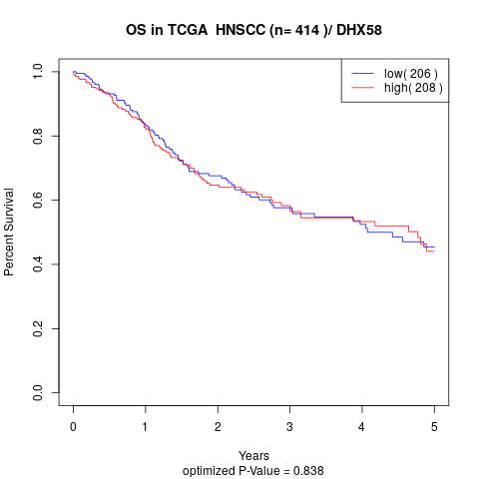

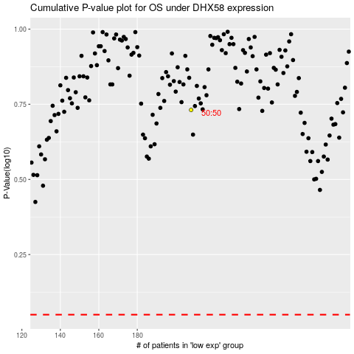

 |  |  |  |  |  | cases_OS | p_OS | rank | exp
 |  |  |  |  |  |  | cases_RFS | p_RFS | rank | exp

