DHX8 _multivariate
Reported by Tex Li-Hsing Chi. tex@gate.sinica.edu.tw 2019-08-20

Table 2. The clinicopathological features of HNSCC cohort and DHX8 expression. (Chi square test)
Cutoff at 0.263 (59.9%)
 |  | DHX8 expression |  | DHX8 expression |  | (Optimised)
 | Features | Low | (%) | High | (%) | Case no | P-value | Remark | Matthews
Gender | Female | 172 | 41.4 | 134 | 32.3 | 415 | 0.0115 | 1 | 0
2 | Male | 77 | 18.6 | 32 | 7.7
Age at diagnosis | <=65y | 164 | 39.5 | 110 | 26.5 | 415 | 1 | 0 | 0
4 | >65y | 85 | 20.5 | 56 | 13.5
Clinical T Status | T1+T2 | 104 | 25.1 | 45 | 10.8 | 415 | 0.0032 | 1 | 0
6 | T3+T4 | 145 | 34.9 | 121 | 29.2
Clinical N Status | N0 | 136 | 32.8 | 80 | 19.3 | 415 | 0.2367 | 0 | 0
8 | N1-3 | 113 | 27.2 | 86 | 20.7
Clinical M Status | M0 | 246 | 59.3 | 166 | 40 | 415 | 0.2783 | 0 | 0
10 | M1 | 3 | 0.7 | 0 | 0
Clinical Stage | Stage I+II | 74 | 17.8 | 28 | 6.7 | 415 | 0.0042 | 1 | 0
12 | Stage III+IV | 175 | 42.2 | 138 | 33.3
Surgical Margin status | Negative | 187 | 45.1 | 131 | 31.6 | 415 | 0.4081 | 0 | 0
14 | Positive | 62 | 14.9 | 35 | 8.4
Tobacco Exposure | Low | 111 | 26.7 | 50 | 12 | 415 | 0.0039 | 1 | 0
16 | High | 138 | 33.3 | 116 | 28

Table 3. Univariate/Multivariate Cox's proportional hazards regression analyses on OS time of DHX8 gene expression in HNSCC

 |  | Univariate |  |  |  | Multivariate
 | Features | HR | CI95%(L) | CI95%(H) | P-value | HR | CI95%(L) | CI95%(H) | P-value
1 | Female | 1 |  |  |  | 1
Gender | Male | 1.157 | 0.843 | 1.587 | 0.367 | 1.283 | 0.915 | 1.8 | 0.149
11 | <=65y | 1 |  |  |  | 1
Age at diagnosis | >65y | 1.329 | 0.99 | 1.784 | 0.058 | 1.377 | 1.012 | 1.874 | 0.042
12 | T1+T2 | 1 |  |  |  | 1
Clinical T Status | T3+T4 | 1.409 | 1.028 | 1.931 | 0.033 | 2.204 | 1.167 | 4.166 | 0.015
13 | N0 | 1 |  |  |  | 1
Clinical N Status | N1-3 | 1.185 | 0.89 | 1.577 | 0.246 | 1.26 | 0.883 | 1.799 | 0.203
14 | M0 | 1 |  |  |  | 1
Clinical M Status | M1 | 4.097 | 1.009 | 16.644 | 0.049 | 11.098 | 2.398 | 51.351 | 0.002
15 | Stage I+II | 1 |  |  |  | 1
Clinical Stage | Stage III+IV | 1.245 | 0.882 | 1.759 | 0.213 | 0.477 | 0.222 | 1.026 | 0.058
16 | Negative | 1 |  |  |  | 1
Surgical Margin status | Positive | 1.591 | 1.155 | 2.191 | 0.004 | 1.697 | 1.228 | 2.346 | 0.001
17 | Low | 1 |  |  |  | 1
Tobacco Exposure | High | 1.364 | 1.008 | 1.844 | 0.044 | 1.45 | 1.052 | 1.998 | 0.023
18 | Low | 1 |  |  |  | 1
RNAseq(z-score) | High | 1.332 | 1 | 1.773 | 0.05 | 1.376 | 1.021 | 1.854 | 0.036

Table 4. Univariate/Multivariate Cox's proportional hazards regression analyses on RFS time of DHX8 gene expression in HNSCC

 |  | Univariate |  |  |  | Multivariate
 | Features | HR | CI95%(L) | CI95%(H) | P-value | HR | CI95%(L) | CI95%(H) | P-value
1 | Female | 1 |  |  |  | 1
Gender | Male | 1.157 | 0.843 | 1.587 | 0.367 | 1.283 | 0.915 | 1.8 | 0.149
11 | <=65y | 1 |  |  |  | 1
Age at diagnosis | >65y | 1.329 | 0.99 | 1.784 | 0.058 | 1.377 | 1.012 | 1.874 | 0.042
12 | T1+T2 | 1 |  |  |  | 1
Clinical T Status | T3+T4 | 1.409 | 1.028 | 1.931 | 0.033 | 2.204 | 1.167 | 4.166 | 0.015
13 | N0 | 1 |  |  |  | 1
Clinical N Status | N1-3 | 1.185 | 0.89 | 1.577 | 0.246 | 1.26 | 0.883 | 1.799 | 0.203
14 | M0 | 1 |  |  |  | 1
Clinical M Status | M1 | 4.097 | 1.009 | 16.644 | 0.049 | 11.098 | 2.398 | 51.351 | 0.002
15 | Stage I+II | 1 |  |  |  | 1
Clinical Stage | Stage III+IV | 1.245 | 0.882 | 1.759 | 0.213 | 0.477 | 0.222 | 1.026 | 0.058
16 | Negative | 1 |  |  |  | 1
Surgical Margin status | Positive | 1.591 | 1.155 | 2.191 | 0.004 | 1.697 | 1.228 | 2.346 | 0.001
17 | Low | 1 |  |  |  | 1
Tobacco Exposure | High | 1.364 | 1.008 | 1.844 | 0.044 | 1.45 | 1.052 | 1.998 | 0.023
18 | Low | 1 |  |  |  | 1
RNAseq(z-score) | High | 1.332 | 1 | 1.773 | 0.05 | 1.376 | 1.021 | 1.854 | 0.036

Kaplan-Meier survival estimate: Cutoff at 0.263 (59.9%)



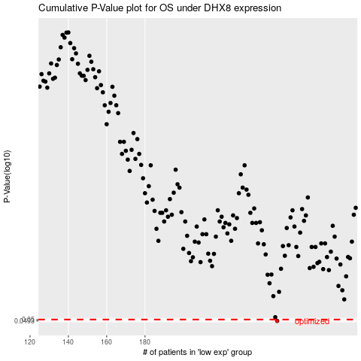

 |  |  |  |  |  | cases_OS | p_OS | rank | exp
 |  |  |  |  |  | 249 | 0.0493 | 214 | 0.26317386032
 |  |  |  |  |  |  | cases_RFS | p_RFS | rank | exp
 |  |  |  |  |  |  | 248 | 0.0493 | 145 | 0.25265485484

