DIAPH1 _multivariate
Reported by Tex Li-Hsing Chi. tex@gate.sinica.edu.tw 2019-08-20

Table 2. The clinicopathological features of HNSCC cohort and DIAPH1 expression. (Chi square test)
Cutoff at -0.164 (50.0%)
 |  | DIAPH1 expression |  | DIAPH1 expression |  | (Optimised)
 | Features | Low | (%) | High | (%) | Case no | P-value | Remark | Matthews
Gender | Female | 160 | 38.6 | 146 | 35.2 | 415 | 0.1254 | 0 | 0
2 | Male | 47 | 11.3 | 62 | 14.9
Age at diagnosis | <=65y | 143 | 34.5 | 131 | 31.6 | 415 | 0.2269 | 0 | 0
4 | >65y | 64 | 15.4 | 77 | 18.6
Clinical T Status | T1+T2 | 69 | 16.6 | 80 | 19.3 | 415 | 0.3239 | 0 | 0
6 | T3+T4 | 138 | 33.3 | 128 | 30.8
Clinical N Status | N0 | 106 | 25.5 | 110 | 26.5 | 415 | 0.8075 | 0 | 0
8 | N1-3 | 101 | 24.3 | 98 | 23.6
Clinical M Status | M0 | 206 | 49.6 | 206 | 49.6 | 415 | 1 | 0 | 0
10 | M1 | 1 | 0.2 | 2 | 0.5
Clinical Stage | Stage I+II | 51 | 12.3 | 51 | 12.3 | 415 | 1 | 0 | 0
12 | Stage III+IV | 156 | 37.6 | 157 | 37.8
Surgical Margin status | Negative | 155 | 37.3 | 163 | 39.3 | 415 | 0.4187 | 0 | 0
14 | Positive | 52 | 12.5 | 45 | 10.8
Tobacco Exposure | Low | 73 | 17.6 | 88 | 21.2 | 415 | 0.1587 | 0 | 0
16 | High | 134 | 32.3 | 120 | 28.9

Table 3. Univariate/Multivariate Cox's proportional hazards regression analyses on OS time of DIAPH1 gene expression in HNSCC

 |  | Univariate |  |  |  | Multivariate
 | Features | HR | CI95%(L) | CI95%(H) | P-value | HR | CI95%(L) | CI95%(H) | P-value
1 | Female | 1 |  |  |  | 1
Gender | Male | 1.157 | 0.843 | 1.587 | 0.367 | 1.193 | 0.855 | 1.666 | 0.3
11 | <=65y | 1 |  |  |  | 1
Age at diagnosis | >65y | 1.329 | 0.99 | 1.784 | 0.058 | 1.363 | 1.001 | 1.856 | 0.049
12 | T1+T2 | 1 |  |  |  | 1
Clinical T Status | T3+T4 | 1.409 | 1.028 | 1.931 | 0.033 | 2.284 | 1.206 | 4.327 | 0.011
13 | N0 | 1 |  |  |  | 1
Clinical N Status | N1-3 | 1.185 | 0.89 | 1.577 | 0.246 | 1.266 | 0.886 | 1.808 | 0.195
14 | M0 | 1 |  |  |  | 1
Clinical M Status | M1 | 4.097 | 1.009 | 16.644 | 0.049 | 9.443 | 2.06 | 43.281 | 0.004
15 | Stage I+II | 1 |  |  |  | 1
Clinical Stage | Stage III+IV | 1.245 | 0.882 | 1.759 | 0.213 | 0.483 | 0.224 | 1.04 | 0.063
16 | Negative | 1 |  |  |  | 1
Surgical Margin status | Positive | 1.591 | 1.155 | 2.191 | 0.004 | 1.694 | 1.225 | 2.341 | 0.001
17 | Low | 1 |  |  |  | 1
Tobacco Exposure | High | 1.364 | 1.008 | 1.844 | 0.044 | 1.479 | 1.071 | 2.042 | 0.017
18 | Low | 1 |  |  |  | 1
RNAseq(z-score) | High | 1.139 | 0.855 | 1.518 | 0.372 | 1.223 | 0.912 | 1.64 | 0.179

Table 4. Univariate/Multivariate Cox's proportional hazards regression analyses on RFS time of DIAPH1 gene expression in HNSCC

 |  | Univariate |  |  |  | Multivariate
 | Features | HR | CI95%(L) | CI95%(H) | P-value | HR | CI95%(L) | CI95%(H) | P-value
1 | Female | 1 |  |  |  | 1
Gender | Male | 1.157 | 0.843 | 1.587 | 0.367 | 1.193 | 0.855 | 1.666 | 0.3
11 | <=65y | 1 |  |  |  | 1
Age at diagnosis | >65y | 1.329 | 0.99 | 1.784 | 0.058 | 1.363 | 1.001 | 1.856 | 0.049
12 | T1+T2 | 1 |  |  |  | 1
Clinical T Status | T3+T4 | 1.409 | 1.028 | 1.931 | 0.033 | 2.284 | 1.206 | 4.327 | 0.011
13 | N0 | 1 |  |  |  | 1
Clinical N Status | N1-3 | 1.185 | 0.89 | 1.577 | 0.246 | 1.266 | 0.886 | 1.808 | 0.195
14 | M0 | 1 |  |  |  | 1
Clinical M Status | M1 | 4.097 | 1.009 | 16.644 | 0.049 | 9.443 | 2.06 | 43.281 | 0.004
15 | Stage I+II | 1 |  |  |  | 1
Clinical Stage | Stage III+IV | 1.245 | 0.882 | 1.759 | 0.213 | 0.483 | 0.224 | 1.04 | 0.063
16 | Negative | 1 |  |  |  | 1
Surgical Margin status | Positive | 1.591 | 1.155 | 2.191 | 0.004 | 1.694 | 1.225 | 2.341 | 0.001
17 | Low | 1 |  |  |  | 1
Tobacco Exposure | High | 1.364 | 1.008 | 1.844 | 0.044 | 1.479 | 1.071 | 2.042 | 0.017
18 | Low | 1 |  |  |  | 1
RNAseq(z-score) | High | 1.139 | 0.855 | 1.518 | 0.372 | 1.223 | 0.912 | 1.64 | 0.179

Kaplan-Meier survival estimate: Cutoff at -0.164 (50.0%)



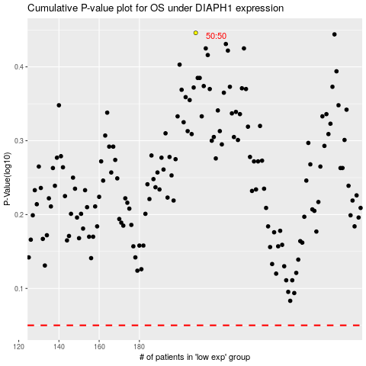

 |  |  |  |  |  | cases_OS | p_OS | rank | exp
 |  |  |  |  |  |  | cases_RFS | p_RFS | rank | exp

