DIAPH2 _multivariate
Reported by Tex Li-Hsing Chi. tex@gate.sinica.edu.tw 2019-08-20

Table 2. The clinicopathological features of HNSCC cohort and DIAPH2 expression. (Chi square test)
Cutoff at -0.2 (49.8%)
 |  | DIAPH2 expression |  | DIAPH2 expression |  | (Optimised)
 | Features | Low | (%) | High | (%) | Case no | P-value | Remark | Matthews
Gender | Female | 152 | 36.6 | 154 | 37.1 | 415 | 0.9766 | 0 | 0
2 | Male | 55 | 13.3 | 54 | 13
Age at diagnosis | <=65y | 139 | 33.5 | 135 | 32.5 | 415 | 0.7044 | 0 | 0
4 | >65y | 68 | 16.4 | 73 | 17.6
Clinical T Status | T1+T2 | 82 | 19.8 | 67 | 16.1 | 415 | 0.1417 | 0 | 0
6 | T3+T4 | 125 | 30.1 | 141 | 34
Clinical N Status | N0 | 101 | 24.3 | 115 | 27.7 | 415 | 0.2201 | 0 | 0
8 | N1-3 | 106 | 25.5 | 93 | 22.4
Clinical M Status | M0 | 204 | 49.2 | 208 | 50.1 | 415 | 0.1232 | 0 | 0
10 | M1 | 3 | 0.7 | 0 | 0
Clinical Stage | Stage I+II | 55 | 13.3 | 47 | 11.3 | 415 | 0.4087 | 0 | 0
12 | Stage III+IV | 152 | 36.6 | 161 | 38.8
Surgical Margin status | Negative | 159 | 38.3 | 159 | 38.3 | 415 | 1 | 0 | 0
14 | Positive | 48 | 11.6 | 49 | 11.8
Tobacco Exposure | Low | 85 | 20.5 | 76 | 18.3 | 415 | 0.3655 | 0 | 0
16 | High | 122 | 29.4 | 132 | 31.8

Table 3. Univariate/Multivariate Cox's proportional hazards regression analyses on OS time of DIAPH2 gene expression in HNSCC

 |  | Univariate |  |  |  | Multivariate
 | Features | HR | CI95%(L) | CI95%(H) | P-value | HR | CI95%(L) | CI95%(H) | P-value
1 | Female | 1 |  |  |  | 1
Gender | Male | 1.157 | 0.843 | 1.587 | 0.367 | 1.207 | 0.865 | 1.685 | 0.268
11 | <=65y | 1 |  |  |  | 1
Age at diagnosis | >65y | 1.329 | 0.99 | 1.784 | 0.058 | 1.41 | 1.037 | 1.917 | 0.028
12 | T1+T2 | 1 |  |  |  | 1
Clinical T Status | T3+T4 | 1.409 | 1.028 | 1.931 | 0.033 | 2.193 | 1.161 | 4.143 | 0.016
13 | N0 | 1 |  |  |  | 1
Clinical N Status | N1-3 | 1.185 | 0.89 | 1.577 | 0.246 | 1.278 | 0.893 | 1.829 | 0.18
14 | M0 | 1 |  |  |  | 1
Clinical M Status | M1 | 4.097 | 1.009 | 16.644 | 0.049 | 10.328 | 2.237 | 47.687 | 0.003
15 | Stage I+II | 1 |  |  |  | 1
Clinical Stage | Stage III+IV | 1.245 | 0.882 | 1.759 | 0.213 | 0.488 | 0.227 | 1.048 | 0.066
16 | Negative | 1 |  |  |  | 1
Surgical Margin status | Positive | 1.591 | 1.155 | 2.191 | 0.004 | 1.661 | 1.201 | 2.295 | 0.002
17 | Low | 1 |  |  |  | 1
Tobacco Exposure | High | 1.364 | 1.008 | 1.844 | 0.044 | 1.443 | 1.047 | 1.987 | 0.025
18 | Low | 1 |  |  |  | 1
RNAseq(z-score) | High | 1.186 | 0.888 | 1.585 | 0.248 | 1.213 | 0.902 | 1.633 | 0.201

Table 4. Univariate/Multivariate Cox's proportional hazards regression analyses on RFS time of DIAPH2 gene expression in HNSCC

 |  | Univariate |  |  |  | Multivariate
 | Features | HR | CI95%(L) | CI95%(H) | P-value | HR | CI95%(L) | CI95%(H) | P-value
1 | Female | 1 |  |  |  | 1
Gender | Male | 1.157 | 0.843 | 1.587 | 0.367 | 1.207 | 0.865 | 1.685 | 0.268
11 | <=65y | 1 |  |  |  | 1
Age at diagnosis | >65y | 1.329 | 0.99 | 1.784 | 0.058 | 1.41 | 1.037 | 1.917 | 0.028
12 | T1+T2 | 1 |  |  |  | 1
Clinical T Status | T3+T4 | 1.409 | 1.028 | 1.931 | 0.033 | 2.193 | 1.161 | 4.143 | 0.016
13 | N0 | 1 |  |  |  | 1
Clinical N Status | N1-3 | 1.185 | 0.89 | 1.577 | 0.246 | 1.278 | 0.893 | 1.829 | 0.18
14 | M0 | 1 |  |  |  | 1
Clinical M Status | M1 | 4.097 | 1.009 | 16.644 | 0.049 | 10.328 | 2.237 | 47.687 | 0.003
15 | Stage I+II | 1 |  |  |  | 1
Clinical Stage | Stage III+IV | 1.245 | 0.882 | 1.759 | 0.213 | 0.488 | 0.227 | 1.048 | 0.066
16 | Negative | 1 |  |  |  | 1
Surgical Margin status | Positive | 1.591 | 1.155 | 2.191 | 0.004 | 1.661 | 1.201 | 2.295 | 0.002
17 | Low | 1 |  |  |  | 1
Tobacco Exposure | High | 1.364 | 1.008 | 1.844 | 0.044 | 1.443 | 1.047 | 1.987 | 0.025
18 | Low | 1 |  |  |  | 1
RNAseq(z-score) | High | 1.186 | 0.888 | 1.585 | 0.248 | 1.213 | 0.902 | 1.633 | 0.201

Kaplan-Meier survival estimate: Cutoff at -0.2 (49.8%)



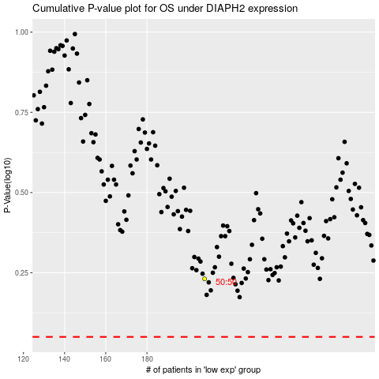

 |  |  |  |  |  | cases_OS | p_OS | rank | exp
 |  |  |  |  |  |  | cases_RFS | p_RFS | rank | exp

