DICER1 _multivariate
Reported by Tex Li-Hsing Chi. tex@gate.sinica.edu.tw 2019-08-20

Table 2. The clinicopathological features of HNSCC cohort and DICER1 expression. (Chi square test)
Cutoff at -0.052 (49.8%)
 |  | DICER1 expression |  | DICER1 expression |  | (Optimised)
 | Features | Low | (%) | High | (%) | Case no | P-value | Remark | Matthews
Gender | Female | 160 | 38.6 | 146 | 35.2 | 415 | 0.1254 | 0 | 0
2 | Male | 47 | 11.3 | 62 | 14.9
Age at diagnosis | <=65y | 140 | 33.7 | 134 | 32.3 | 415 | 0.5574 | 0 | 0
4 | >65y | 67 | 16.1 | 74 | 17.8
Clinical T Status | T1+T2 | 78 | 18.8 | 71 | 17.1 | 415 | 0.5152 | 0 | 0
6 | T3+T4 | 129 | 31.1 | 137 | 33
Clinical N Status | N0 | 100 | 24.1 | 116 | 28 | 415 | 0.1548 | 0 | 0
8 | N1-3 | 107 | 25.8 | 92 | 22.2
Clinical M Status | M0 | 204 | 49.2 | 208 | 50.1 | 415 | 0.1232 | 0 | 0
10 | M1 | 3 | 0.7 | 0 | 0
Clinical Stage | Stage I+II | 51 | 12.3 | 51 | 12.3 | 415 | 1 | 0 | 0
12 | Stage III+IV | 156 | 37.6 | 157 | 37.8
Surgical Margin status | Negative | 153 | 36.9 | 165 | 39.8 | 415 | 0.2036 | 0 | 0
14 | Positive | 54 | 13 | 43 | 10.4
Tobacco Exposure | Low | 75 | 18.1 | 86 | 20.7 | 415 | 0.3141 | 0 | 0
16 | High | 132 | 31.8 | 122 | 29.4

Table 3. Univariate/Multivariate Cox's proportional hazards regression analyses on OS time of DICER1 gene expression in HNSCC

 |  | Univariate |  |  |  | Multivariate
 | Features | HR | CI95%(L) | CI95%(H) | P-value | HR | CI95%(L) | CI95%(H) | P-value
1 | Female | 1 |  |  |  | 1
Gender | Male | 1.157 | 0.843 | 1.587 | 0.367 | 1.202 | 0.86 | 1.68 | 0.281
11 | <=65y | 1 |  |  |  | 1
Age at diagnosis | >65y | 1.329 | 0.99 | 1.784 | 0.058 | 1.401 | 1.03 | 1.905 | 0.032
12 | T1+T2 | 1 |  |  |  | 1
Clinical T Status | T3+T4 | 1.409 | 1.028 | 1.931 | 0.033 | 2.19 | 1.158 | 4.142 | 0.016
13 | N0 | 1 |  |  |  | 1
Clinical N Status | N1-3 | 1.185 | 0.89 | 1.577 | 0.246 | 1.215 | 0.849 | 1.74 | 0.287
14 | M0 | 1 |  |  |  | 1
Clinical M Status | M1 | 4.097 | 1.009 | 16.644 | 0.049 | 8.855 | 1.921 | 40.831 | 0.005
15 | Stage I+II | 1 |  |  |  | 1
Clinical Stage | Stage III+IV | 1.245 | 0.882 | 1.759 | 0.213 | 0.515 | 0.24 | 1.108 | 0.09
16 | Negative | 1 |  |  |  | 1
Surgical Margin status | Positive | 1.591 | 1.155 | 2.191 | 0.004 | 1.657 | 1.199 | 2.291 | 0.002
17 | Low | 1 |  |  |  | 1
Tobacco Exposure | High | 1.364 | 1.008 | 1.844 | 0.044 | 1.446 | 1.049 | 1.991 | 0.024
18 | Low | 1 |  |  |  | 1
RNAseq(z-score) | High | 0.846 | 0.635 | 1.126 | 0.252 | 0.882 | 0.658 | 1.181 | 0.399

Table 4. Univariate/Multivariate Cox's proportional hazards regression analyses on RFS time of DICER1 gene expression in HNSCC

 |  | Univariate |  |  |  | Multivariate
 | Features | HR | CI95%(L) | CI95%(H) | P-value | HR | CI95%(L) | CI95%(H) | P-value
1 | Female | 1 |  |  |  | 1
Gender | Male | 1.157 | 0.843 | 1.587 | 0.367 | 1.202 | 0.86 | 1.68 | 0.281
11 | <=65y | 1 |  |  |  | 1
Age at diagnosis | >65y | 1.329 | 0.99 | 1.784 | 0.058 | 1.401 | 1.03 | 1.905 | 0.032
12 | T1+T2 | 1 |  |  |  | 1
Clinical T Status | T3+T4 | 1.409 | 1.028 | 1.931 | 0.033 | 2.19 | 1.158 | 4.142 | 0.016
13 | N0 | 1 |  |  |  | 1
Clinical N Status | N1-3 | 1.185 | 0.89 | 1.577 | 0.246 | 1.215 | 0.849 | 1.74 | 0.287
14 | M0 | 1 |  |  |  | 1
Clinical M Status | M1 | 4.097 | 1.009 | 16.644 | 0.049 | 8.855 | 1.921 | 40.831 | 0.005
15 | Stage I+II | 1 |  |  |  | 1
Clinical Stage | Stage III+IV | 1.245 | 0.882 | 1.759 | 0.213 | 0.515 | 0.24 | 1.108 | 0.09
16 | Negative | 1 |  |  |  | 1
Surgical Margin status | Positive | 1.591 | 1.155 | 2.191 | 0.004 | 1.657 | 1.199 | 2.291 | 0.002
17 | Low | 1 |  |  |  | 1
Tobacco Exposure | High | 1.364 | 1.008 | 1.844 | 0.044 | 1.446 | 1.049 | 1.991 | 0.024
18 | Low | 1 |  |  |  | 1
RNAseq(z-score) | High | 0.846 | 0.635 | 1.126 | 0.252 | 0.882 | 0.658 | 1.181 | 0.399

Kaplan-Meier survival estimate: Cutoff at -0.052 (49.8%)



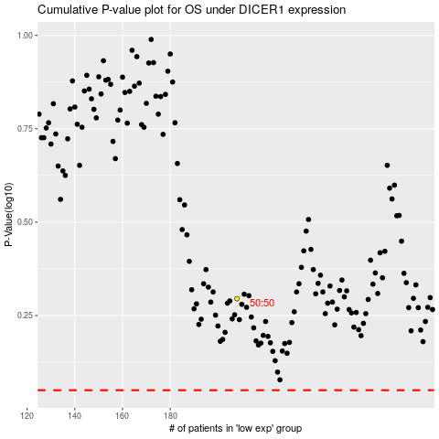

 |  |  |  |  |  | cases_OS | p_OS | rank | exp
 |  |  |  |  |  |  | cases_RFS | p_RFS | rank | exp

