DIO1 _multivariate
Reported by Tex Li-Hsing Chi. tex@gate.sinica.edu.tw 2019-08-20

Table 2. The clinicopathological features of HNSCC cohort and DIO1 expression. (Chi square test)
Cutoff at -0.286 (30.7%)
 |  | DIO1 expression |  | DIO1 expression |  | (Optimised)
 | Features | Low | (%) | High | (%) | Case no | P-value | Remark | Matthews
Gender | Female | 94 | 22.7 | 212 | 51.1 | 415 | 1 | 0 | 0
2 | Male | 33 | 8 | 76 | 18.3
Age at diagnosis | <=65y | 83 | 20 | 191 | 46 | 415 | 0.9372 | 0 | 0
4 | >65y | 44 | 10.6 | 97 | 23.4
Clinical T Status | T1+T2 | 41 | 9.9 | 108 | 26 | 415 | 0.3629 | 0 | 0
6 | T3+T4 | 86 | 20.7 | 180 | 43.4
Clinical N Status | N0 | 66 | 15.9 | 150 | 36.1 | 415 | 1 | 0 | 0
8 | N1-3 | 61 | 14.7 | 138 | 33.3
Clinical M Status | M0 | 126 | 30.4 | 286 | 68.9 | 415 | 1 | 0 | 0
10 | M1 | 1 | 0.2 | 2 | 0.5
Clinical Stage | Stage I+II | 29 | 7 | 73 | 17.6 | 415 | 0.6714 | 0 | 0
12 | Stage III+IV | 98 | 23.6 | 215 | 51.8
Surgical Margin status | Negative | 91 | 21.9 | 227 | 54.7 | 415 | 0.1309 | 0 | 0
14 | Positive | 36 | 8.7 | 61 | 14.7
Tobacco Exposure | Low | 52 | 12.5 | 109 | 26.3 | 415 | 0.5853 | 0 | 0
16 | High | 75 | 18.1 | 179 | 43.1

Table 3. Univariate/Multivariate Cox's proportional hazards regression analyses on OS time of DIO1 gene expression in HNSCC

 |  | Univariate |  |  |  | Multivariate
 | Features | HR | CI95%(L) | CI95%(H) | P-value | HR | CI95%(L) | CI95%(H) | P-value
1 | Female | 1 |  |  |  | 1
Gender | Male | 1.157 | 0.843 | 1.587 | 0.367 | 1.181 | 0.843 | 1.653 | 0.333
11 | <=65y | 1 |  |  |  | 1
Age at diagnosis | >65y | 1.329 | 0.99 | 1.784 | 0.058 | 1.411 | 1.039 | 1.916 | 0.027
12 | T1+T2 | 1 |  |  |  | 1
Clinical T Status | T3+T4 | 1.409 | 1.028 | 1.931 | 0.033 | 2.21 | 1.169 | 4.176 | 0.015
13 | N0 | 1 |  |  |  | 1
Clinical N Status | N1-3 | 1.185 | 0.89 | 1.577 | 0.246 | 1.242 | 0.871 | 1.77 | 0.231
14 | M0 | 1 |  |  |  | 1
Clinical M Status | M1 | 4.097 | 1.009 | 16.644 | 0.049 | 9.104 | 1.984 | 41.774 | 0.004
15 | Stage I+II | 1 |  |  |  | 1
Clinical Stage | Stage III+IV | 1.245 | 0.882 | 1.759 | 0.213 | 0.496 | 0.231 | 1.064 | 0.072
16 | Negative | 1 |  |  |  | 1
Surgical Margin status | Positive | 1.591 | 1.155 | 2.191 | 0.004 | 1.656 | 1.198 | 2.288 | 0.002
17 | Low | 1 |  |  |  | 1
Tobacco Exposure | High | 1.364 | 1.008 | 1.844 | 0.044 | 1.488 | 1.077 | 2.055 | 0.016
18 | Low | 1 |  |  |  | 1
RNAseq(z-score) | High | 0.724 | 0.534 | 0.98 | 0.037 | 0.732 | 0.539 | 0.994 | 0.046

Table 4. Univariate/Multivariate Cox's proportional hazards regression analyses on RFS time of DIO1 gene expression in HNSCC

 |  | Univariate |  |  |  | Multivariate
 | Features | HR | CI95%(L) | CI95%(H) | P-value | HR | CI95%(L) | CI95%(H) | P-value
1 | Female | 1 |  |  |  | 1
Gender | Male | 1.157 | 0.843 | 1.587 | 0.367 | 1.181 | 0.843 | 1.653 | 0.333
11 | <=65y | 1 |  |  |  | 1
Age at diagnosis | >65y | 1.329 | 0.99 | 1.784 | 0.058 | 1.411 | 1.039 | 1.916 | 0.027
12 | T1+T2 | 1 |  |  |  | 1
Clinical T Status | T3+T4 | 1.409 | 1.028 | 1.931 | 0.033 | 2.21 | 1.169 | 4.176 | 0.015
13 | N0 | 1 |  |  |  | 1
Clinical N Status | N1-3 | 1.185 | 0.89 | 1.577 | 0.246 | 1.242 | 0.871 | 1.77 | 0.231
14 | M0 | 1 |  |  |  | 1
Clinical M Status | M1 | 4.097 | 1.009 | 16.644 | 0.049 | 9.104 | 1.984 | 41.774 | 0.004
15 | Stage I+II | 1 |  |  |  | 1
Clinical Stage | Stage III+IV | 1.245 | 0.882 | 1.759 | 0.213 | 0.496 | 0.231 | 1.064 | 0.072
16 | Negative | 1 |  |  |  | 1
Surgical Margin status | Positive | 1.591 | 1.155 | 2.191 | 0.004 | 1.656 | 1.198 | 2.288 | 0.002
17 | Low | 1 |  |  |  | 1
Tobacco Exposure | High | 1.364 | 1.008 | 1.844 | 0.044 | 1.488 | 1.077 | 2.055 | 0.016
18 | Low | 1 |  |  |  | 1
RNAseq(z-score) | High | 0.724 | 0.534 | 0.98 | 0.037 | 0.732 | 0.539 | 0.994 | 0.046

Kaplan-Meier survival estimate: Cutoff at -0.286 (30.7%)



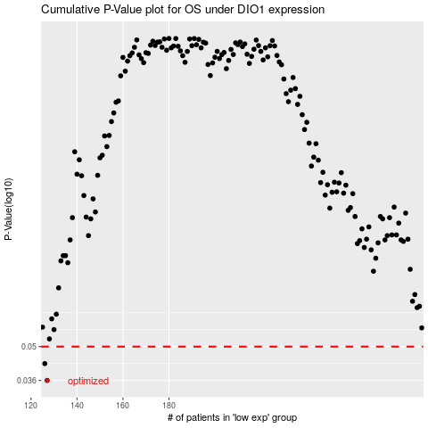

 |  |  |  |  |  | cases_OS | p_OS | rank | exp
 |  |  |  |  |  | 127 | 0.036 | 362 | -0.28557148219
 |  |  |  |  |  | 126 | 0.0424 | 273 | -0.28606089792
 |  |  |  |  |  |  | cases_RFS | p_RFS | rank | exp
 |  |  |  |  |  |  | 126 | 0.036 | 273 | -0.28606089792
 |  |  |  |  |  |  | 125 | 0.0424 | 264 | -0.28614988259

