DIO2 _multivariate
Reported by Tex Li-Hsing Chi. tex@gate.sinica.edu.tw 2019-08-20

Table 2. The clinicopathological features of HNSCC cohort and DIO2 expression. (Chi square test)
Cutoff at -0.371 (50.0%)
 |  | DIO2 expression |  | DIO2 expression |  | (Optimised)
 | Features | Low | (%) | High | (%) | Case no | P-value | Remark | Matthews
Gender | Female | 151 | 36.4 | 155 | 37.3 | 415 | 0.8007 | 0 | 0
2 | Male | 56 | 13.5 | 53 | 12.8
Age at diagnosis | <=65y | 132 | 31.8 | 142 | 34.2 | 415 | 0.3874 | 0 | 0
4 | >65y | 75 | 18.1 | 66 | 15.9
Clinical T Status | T1+T2 | 69 | 16.6 | 80 | 19.3 | 415 | 0.3239 | 0 | 0
6 | T3+T4 | 138 | 33.3 | 128 | 30.8
Clinical N Status | N0 | 108 | 26 | 108 | 26 | 415 | 1 | 0 | 0
8 | N1-3 | 99 | 23.9 | 100 | 24.1
Clinical M Status | M0 | 204 | 49.2 | 208 | 50.1 | 415 | 0.1232 | 0 | 0
10 | M1 | 3 | 0.7 | 0 | 0
Clinical Stage | Stage I+II | 42 | 10.1 | 60 | 14.5 | 415 | 0.0561 | 0 | 0
12 | Stage III+IV | 165 | 39.8 | 148 | 35.7
Surgical Margin status | Negative | 160 | 38.6 | 158 | 38.1 | 415 | 0.8167 | 0 | 0
14 | Positive | 47 | 11.3 | 50 | 12
Tobacco Exposure | Low | 92 | 22.2 | 69 | 16.6 | 415 | 0.0206 | 1 | 0
16 | High | 115 | 27.7 | 139 | 33.5

Table 3. Univariate/Multivariate Cox's proportional hazards regression analyses on OS time of DIO2 gene expression in HNSCC

 |  | Univariate |  |  |  | Multivariate
 | Features | HR | CI95%(L) | CI95%(H) | P-value | HR | CI95%(L) | CI95%(H) | P-value
1 | Female | 1 |  |  |  | 1
Gender | Male | 1.157 | 0.843 | 1.587 | 0.367 | 1.205 | 0.862 | 1.684 | 0.275
11 | <=65y | 1 |  |  |  | 1
Age at diagnosis | >65y | 1.329 | 0.99 | 1.784 | 0.058 | 1.379 | 1.015 | 1.874 | 0.04
12 | T1+T2 | 1 |  |  |  | 1
Clinical T Status | T3+T4 | 1.409 | 1.028 | 1.931 | 0.033 | 2.258 | 1.194 | 4.273 | 0.012
13 | N0 | 1 |  |  |  | 1
Clinical N Status | N1-3 | 1.185 | 0.89 | 1.577 | 0.246 | 1.254 | 0.878 | 1.789 | 0.213
14 | M0 | 1 |  |  |  | 1
Clinical M Status | M1 | 4.097 | 1.009 | 16.644 | 0.049 | 8.741 | 1.9 | 40.211 | 0.005
15 | Stage I+II | 1 |  |  |  | 1
Clinical Stage | Stage III+IV | 1.245 | 0.882 | 1.759 | 0.213 | 0.475 | 0.221 | 1.025 | 0.058
16 | Negative | 1 |  |  |  | 1
Surgical Margin status | Positive | 1.591 | 1.155 | 2.191 | 0.004 | 1.686 | 1.22 | 2.331 | 0.002
17 | Low | 1 |  |  |  | 1
Tobacco Exposure | High | 1.364 | 1.008 | 1.844 | 0.044 | 1.494 | 1.081 | 2.064 | 0.015
18 | Low | 1 |  |  |  | 1
RNAseq(z-score) | High | 0.845 | 0.634 | 1.125 | 0.248 | 0.815 | 0.608 | 1.093 | 0.172

Table 4. Univariate/Multivariate Cox's proportional hazards regression analyses on RFS time of DIO2 gene expression in HNSCC

 |  | Univariate |  |  |  | Multivariate
 | Features | HR | CI95%(L) | CI95%(H) | P-value | HR | CI95%(L) | CI95%(H) | P-value
1 | Female | 1 |  |  |  | 1
Gender | Male | 1.157 | 0.843 | 1.587 | 0.367 | 1.205 | 0.862 | 1.684 | 0.275
11 | <=65y | 1 |  |  |  | 1
Age at diagnosis | >65y | 1.329 | 0.99 | 1.784 | 0.058 | 1.379 | 1.015 | 1.874 | 0.04
12 | T1+T2 | 1 |  |  |  | 1
Clinical T Status | T3+T4 | 1.409 | 1.028 | 1.931 | 0.033 | 2.258 | 1.194 | 4.273 | 0.012
13 | N0 | 1 |  |  |  | 1
Clinical N Status | N1-3 | 1.185 | 0.89 | 1.577 | 0.246 | 1.254 | 0.878 | 1.789 | 0.213
14 | M0 | 1 |  |  |  | 1
Clinical M Status | M1 | 4.097 | 1.009 | 16.644 | 0.049 | 8.741 | 1.9 | 40.211 | 0.005
15 | Stage I+II | 1 |  |  |  | 1
Clinical Stage | Stage III+IV | 1.245 | 0.882 | 1.759 | 0.213 | 0.475 | 0.221 | 1.025 | 0.058
16 | Negative | 1 |  |  |  | 1
Surgical Margin status | Positive | 1.591 | 1.155 | 2.191 | 0.004 | 1.686 | 1.22 | 2.331 | 0.002
17 | Low | 1 |  |  |  | 1
Tobacco Exposure | High | 1.364 | 1.008 | 1.844 | 0.044 | 1.494 | 1.081 | 2.064 | 0.015
18 | Low | 1 |  |  |  | 1
RNAseq(z-score) | High | 0.845 | 0.634 | 1.125 | 0.248 | 0.815 | 0.608 | 1.093 | 0.172

Kaplan-Meier survival estimate: Cutoff at -0.371 (50.0%)



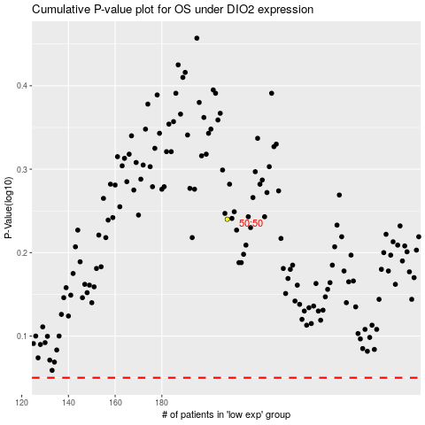

 |  |  |  |  |  | cases_OS | p_OS | rank | exp
 |  |  |  |  |  |  | cases_RFS | p_RFS | rank | exp

