DIP2C _multivariate
Reported by Tex Li-Hsing Chi. tex@gate.sinica.edu.tw 2019-08-20

Table 2. The clinicopathological features of HNSCC cohort and DIP2C expression. (Chi square test)
Cutoff at -0.155 (50.0%)
 |  | DIP2C expression |  | DIP2C expression |  | (Optimised)
 | Features | Low | (%) | High | (%) | Case no | P-value | Remark | Matthews
Gender | Female | 153 | 36.9 | 153 | 36.9 | 415 | 1 | 0 | 0
2 | Male | 54 | 13 | 55 | 13.3
Age at diagnosis | <=65y | 128 | 30.8 | 146 | 35.2 | 415 | 0.0904 | 0 | 0
4 | >65y | 79 | 19 | 62 | 14.9
Clinical T Status | T1+T2 | 68 | 16.4 | 81 | 19.5 | 415 | 0.2336 | 0 | 0
6 | T3+T4 | 139 | 33.5 | 127 | 30.6
Clinical N Status | N0 | 108 | 26 | 108 | 26 | 415 | 1 | 0 | 0
8 | N1-3 | 99 | 23.9 | 100 | 24.1
Clinical M Status | M0 | 205 | 49.4 | 207 | 49.9 | 415 | 0.6232 | 0 | 0
10 | M1 | 2 | 0.5 | 1 | 0.2
Clinical Stage | Stage I+II | 44 | 10.6 | 58 | 14 | 415 | 0.1459 | 0 | 0
12 | Stage III+IV | 163 | 39.3 | 150 | 36.1
Surgical Margin status | Negative | 150 | 36.1 | 168 | 40.5 | 415 | 0.0492 | 1 | 0
14 | Positive | 57 | 13.7 | 40 | 9.6
Tobacco Exposure | Low | 91 | 21.9 | 70 | 16.9 | 415 | 0.0346 | 1 | 0
16 | High | 116 | 28 | 138 | 33.3

Table 3. Univariate/Multivariate Cox's proportional hazards regression analyses on OS time of DIP2C gene expression in HNSCC

 |  | Univariate |  |  |  | Multivariate
 | Features | HR | CI95%(L) | CI95%(H) | P-value | HR | CI95%(L) | CI95%(H) | P-value
1 | Female | 1 |  |  |  | 1
Gender | Male | 1.157 | 0.843 | 1.587 | 0.367 | 1.201 | 0.859 | 1.678 | 0.284
11 | <=65y | 1 |  |  |  | 1
Age at diagnosis | >65y | 1.329 | 0.99 | 1.784 | 0.058 | 1.389 | 1.02 | 1.891 | 0.037
12 | T1+T2 | 1 |  |  |  | 1
Clinical T Status | T3+T4 | 1.409 | 1.028 | 1.931 | 0.033 | 2.203 | 1.165 | 4.165 | 0.015
13 | N0 | 1 |  |  |  | 1
Clinical N Status | N1-3 | 1.185 | 0.89 | 1.577 | 0.246 | 1.243 | 0.87 | 1.775 | 0.232
14 | M0 | 1 |  |  |  | 1
Clinical M Status | M1 | 4.097 | 1.009 | 16.644 | 0.049 | 9.376 | 2.044 | 43.011 | 0.004
15 | Stage I+II | 1 |  |  |  | 1
Clinical Stage | Stage III+IV | 1.245 | 0.882 | 1.759 | 0.213 | 0.504 | 0.235 | 1.082 | 0.079
16 | Negative | 1 |  |  |  | 1
Surgical Margin status | Positive | 1.591 | 1.155 | 2.191 | 0.004 | 1.667 | 1.204 | 2.309 | 0.002
17 | Low | 1 |  |  |  | 1
Tobacco Exposure | High | 1.364 | 1.008 | 1.844 | 0.044 | 1.456 | 1.055 | 2.008 | 0.022
18 | Low | 1 |  |  |  | 1
RNAseq(z-score) | High | 0.938 | 0.704 | 1.25 | 0.664 | 0.98 | 0.731 | 1.314 | 0.894

Table 4. Univariate/Multivariate Cox's proportional hazards regression analyses on RFS time of DIP2C gene expression in HNSCC

 |  | Univariate |  |  |  | Multivariate
 | Features | HR | CI95%(L) | CI95%(H) | P-value | HR | CI95%(L) | CI95%(H) | P-value
1 | Female | 1 |  |  |  | 1
Gender | Male | 1.157 | 0.843 | 1.587 | 0.367 | 1.201 | 0.859 | 1.678 | 0.284
11 | <=65y | 1 |  |  |  | 1
Age at diagnosis | >65y | 1.329 | 0.99 | 1.784 | 0.058 | 1.389 | 1.02 | 1.891 | 0.037
12 | T1+T2 | 1 |  |  |  | 1
Clinical T Status | T3+T4 | 1.409 | 1.028 | 1.931 | 0.033 | 2.203 | 1.165 | 4.165 | 0.015
13 | N0 | 1 |  |  |  | 1
Clinical N Status | N1-3 | 1.185 | 0.89 | 1.577 | 0.246 | 1.243 | 0.87 | 1.775 | 0.232
14 | M0 | 1 |  |  |  | 1
Clinical M Status | M1 | 4.097 | 1.009 | 16.644 | 0.049 | 9.376 | 2.044 | 43.011 | 0.004
15 | Stage I+II | 1 |  |  |  | 1
Clinical Stage | Stage III+IV | 1.245 | 0.882 | 1.759 | 0.213 | 0.504 | 0.235 | 1.082 | 0.079
16 | Negative | 1 |  |  |  | 1
Surgical Margin status | Positive | 1.591 | 1.155 | 2.191 | 0.004 | 1.667 | 1.204 | 2.309 | 0.002
17 | Low | 1 |  |  |  | 1
Tobacco Exposure | High | 1.364 | 1.008 | 1.844 | 0.044 | 1.456 | 1.055 | 2.008 | 0.022
18 | Low | 1 |  |  |  | 1
RNAseq(z-score) | High | 0.938 | 0.704 | 1.25 | 0.664 | 0.98 | 0.731 | 1.314 | 0.894

Kaplan-Meier survival estimate: Cutoff at -0.155 (50.0%)

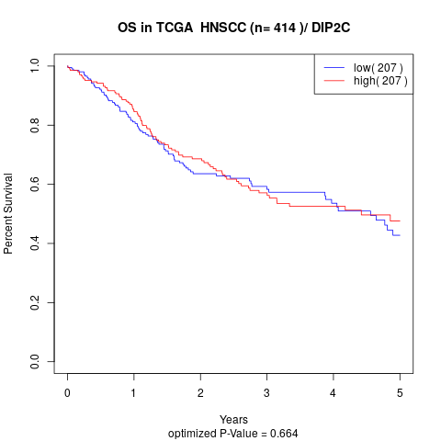

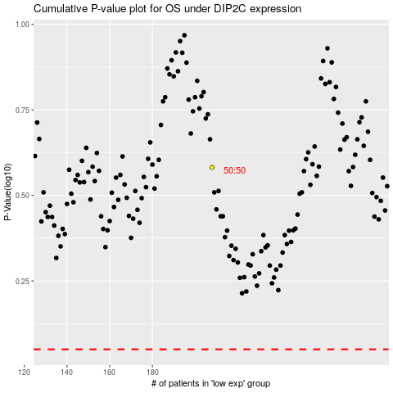

 |  |  |  |  |  | cases_OS | p_OS | rank | exp
 |  |  |  |  |  |  | cases_RFS | p_RFS | rank | exp

