DIRC2 _multivariate
Reported by Tex Li-Hsing Chi. tex@gate.sinica.edu.tw 2019-08-20

Table 2. The clinicopathological features of HNSCC cohort and DIRC2 expression. (Chi square test)
Cutoff at -0.173 (50.0%)
 |  | DIRC2 expression |  | DIRC2 expression |  | (Optimised)
 | Features | Low | (%) | High | (%) | Case no | P-value | Remark | Matthews
Gender | Female | 151 | 36.4 | 155 | 37.3 | 415 | 0.8007 | 0 | 0
2 | Male | 56 | 13.5 | 53 | 12.8
Age at diagnosis | <=65y | 136 | 32.8 | 138 | 33.3 | 415 | 0.9719 | 0 | 0
4 | >65y | 71 | 17.1 | 70 | 16.9
Clinical T Status | T1+T2 | 73 | 17.6 | 76 | 18.3 | 415 | 0.8666 | 0 | 0
6 | T3+T4 | 134 | 32.3 | 132 | 31.8
Clinical N Status | N0 | 93 | 22.4 | 123 | 29.6 | 415 | 0.0051 | 1 | 0
8 | N1-3 | 114 | 27.5 | 85 | 20.5
Clinical M Status | M0 | 205 | 49.4 | 207 | 49.9 | 415 | 0.6232 | 0 | 0
10 | M1 | 2 | 0.5 | 1 | 0.2
Clinical Stage | Stage I+II | 46 | 11.1 | 56 | 13.5 | 415 | 0.3182 | 0 | 0
12 | Stage III+IV | 161 | 38.8 | 152 | 36.6
Surgical Margin status | Negative | 153 | 36.9 | 165 | 39.8 | 415 | 0.2036 | 0 | 0
14 | Positive | 54 | 13 | 43 | 10.4
Tobacco Exposure | Low | 85 | 20.5 | 76 | 18.3 | 415 | 0.3655 | 0 | 0
16 | High | 122 | 29.4 | 132 | 31.8

Table 3. Univariate/Multivariate Cox's proportional hazards regression analyses on OS time of DIRC2 gene expression in HNSCC

 |  | Univariate |  |  |  | Multivariate
 | Features | HR | CI95%(L) | CI95%(H) | P-value | HR | CI95%(L) | CI95%(H) | P-value
1 | Female | 1 |  |  |  | 1
Gender | Male | 1.157 | 0.843 | 1.587 | 0.367 | 1.227 | 0.877 | 1.715 | 0.233
11 | <=65y | 1 |  |  |  | 1
Age at diagnosis | >65y | 1.329 | 0.99 | 1.784 | 0.058 | 1.377 | 1.013 | 1.872 | 0.041
12 | T1+T2 | 1 |  |  |  | 1
Clinical T Status | T3+T4 | 1.409 | 1.028 | 1.931 | 0.033 | 2.203 | 1.165 | 4.166 | 0.015
13 | N0 | 1 |  |  |  | 1
Clinical N Status | N1-3 | 1.185 | 0.89 | 1.577 | 0.246 | 1.27 | 0.888 | 1.817 | 0.19
14 | M0 | 1 |  |  |  | 1
Clinical M Status | M1 | 4.097 | 1.009 | 16.644 | 0.049 | 9.534 | 2.079 | 43.718 | 0.004
15 | Stage I+II | 1 |  |  |  | 1
Clinical Stage | Stage III+IV | 1.245 | 0.882 | 1.759 | 0.213 | 0.502 | 0.234 | 1.078 | 0.077
16 | Negative | 1 |  |  |  | 1
Surgical Margin status | Positive | 1.591 | 1.155 | 2.191 | 0.004 | 1.696 | 1.225 | 2.347 | 0.001
17 | Low | 1 |  |  |  | 1
Tobacco Exposure | High | 1.364 | 1.008 | 1.844 | 0.044 | 1.437 | 1.043 | 1.98 | 0.027
18 | Low | 1 |  |  |  | 1
RNAseq(z-score) | High | 1.115 | 0.837 | 1.487 | 0.456 | 1.173 | 0.873 | 1.575 | 0.289

Table 4. Univariate/Multivariate Cox's proportional hazards regression analyses on RFS time of DIRC2 gene expression in HNSCC

 |  | Univariate |  |  |  | Multivariate
 | Features | HR | CI95%(L) | CI95%(H) | P-value | HR | CI95%(L) | CI95%(H) | P-value
1 | Female | 1 |  |  |  | 1
Gender | Male | 1.157 | 0.843 | 1.587 | 0.367 | 1.227 | 0.877 | 1.715 | 0.233
11 | <=65y | 1 |  |  |  | 1
Age at diagnosis | >65y | 1.329 | 0.99 | 1.784 | 0.058 | 1.377 | 1.013 | 1.872 | 0.041
12 | T1+T2 | 1 |  |  |  | 1
Clinical T Status | T3+T4 | 1.409 | 1.028 | 1.931 | 0.033 | 2.203 | 1.165 | 4.166 | 0.015
13 | N0 | 1 |  |  |  | 1
Clinical N Status | N1-3 | 1.185 | 0.89 | 1.577 | 0.246 | 1.27 | 0.888 | 1.817 | 0.19
14 | M0 | 1 |  |  |  | 1
Clinical M Status | M1 | 4.097 | 1.009 | 16.644 | 0.049 | 9.534 | 2.079 | 43.718 | 0.004
15 | Stage I+II | 1 |  |  |  | 1
Clinical Stage | Stage III+IV | 1.245 | 0.882 | 1.759 | 0.213 | 0.502 | 0.234 | 1.078 | 0.077
16 | Negative | 1 |  |  |  | 1
Surgical Margin status | Positive | 1.591 | 1.155 | 2.191 | 0.004 | 1.696 | 1.225 | 2.347 | 0.001
17 | Low | 1 |  |  |  | 1
Tobacco Exposure | High | 1.364 | 1.008 | 1.844 | 0.044 | 1.437 | 1.043 | 1.98 | 0.027
18 | Low | 1 |  |  |  | 1
RNAseq(z-score) | High | 1.115 | 0.837 | 1.487 | 0.456 | 1.173 | 0.873 | 1.575 | 0.289

Kaplan-Meier survival estimate: Cutoff at -0.173 (50.0%)



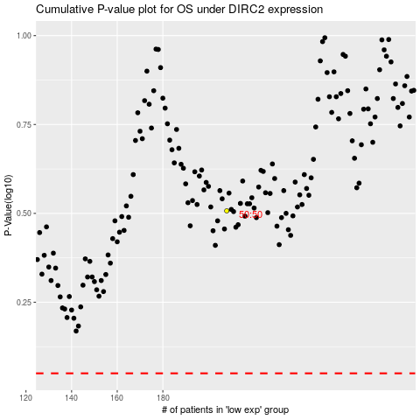

 |  |  |  |  |  | cases_OS | p_OS | rank | exp
 |  |  |  |  |  |  | cases_RFS | p_RFS | rank | exp

