DIRC3 _multivariate
Reported by Tex Li-Hsing Chi. tex@gate.sinica.edu.tw 2019-08-20

Table 2. The clinicopathological features of HNSCC cohort and DIRC3 expression. (Chi square test)
Cutoff at -0.28 (54.3%)
 |  | DIRC3 expression |  | DIRC3 expression |  | (Optimised)
 | Features | Low | (%) | High | (%) | Case no | P-value | Remark | Matthews
Gender | Female | 160 | 38.6 | 146 | 35.2 | 415 | 0.2264 | 0 | 0
2 | Male | 65 | 15.7 | 44 | 10.6
Age at diagnosis | <=65y | 146 | 35.2 | 128 | 30.8 | 415 | 0.6691 | 0 | 0
4 | >65y | 79 | 19 | 62 | 14.9
Clinical T Status | T1+T2 | 83 | 20 | 66 | 15.9 | 415 | 0.7244 | 0 | 0
6 | T3+T4 | 142 | 34.2 | 124 | 29.9
Clinical N Status | N0 | 112 | 27 | 104 | 25.1 | 415 | 0.3634 | 0 | 0
8 | N1-3 | 113 | 27.2 | 86 | 20.7
Clinical M Status | M0 | 223 | 53.7 | 189 | 45.5 | 415 | 1 | 0 | 0
10 | M1 | 2 | 0.5 | 1 | 0.2
Clinical Stage | Stage I+II | 53 | 12.8 | 49 | 11.8 | 415 | 0.6802 | 0 | 0
12 | Stage III+IV | 172 | 41.4 | 141 | 34
Surgical Margin status | Negative | 171 | 41.2 | 147 | 35.4 | 415 | 0.8161 | 0 | 0
14 | Positive | 54 | 13 | 43 | 10.4
Tobacco Exposure | Low | 100 | 24.1 | 61 | 14.7 | 415 | 0.0115 | 1 | 0
16 | High | 125 | 30.1 | 129 | 31.1

Table 3. Univariate/Multivariate Cox's proportional hazards regression analyses on OS time of DIRC3 gene expression in HNSCC

 |  | Univariate |  |  |  | Multivariate
 | Features | HR | CI95%(L) | CI95%(H) | P-value | HR | CI95%(L) | CI95%(H) | P-value
1 | Female | 1 |  |  |  | 1
Gender | Male | 1.157 | 0.843 | 1.587 | 0.367 | 1.16 | 0.829 | 1.623 | 0.387
11 | <=65y | 1 |  |  |  | 1
Age at diagnosis | >65y | 1.329 | 0.99 | 1.784 | 0.058 | 1.415 | 1.039 | 1.927 | 0.028
12 | T1+T2 | 1 |  |  |  | 1
Clinical T Status | T3+T4 | 1.409 | 1.028 | 1.931 | 0.033 | 2.274 | 1.202 | 4.301 | 0.012
13 | N0 | 1 |  |  |  | 1
Clinical N Status | N1-3 | 1.185 | 0.89 | 1.577 | 0.246 | 1.22 | 0.854 | 1.743 | 0.275
14 | M0 | 1 |  |  |  | 1
Clinical M Status | M1 | 4.097 | 1.009 | 16.644 | 0.049 | 9.498 | 2.071 | 43.558 | 0.004
15 | Stage I+II | 1 |  |  |  | 1
Clinical Stage | Stage III+IV | 1.245 | 0.882 | 1.759 | 0.213 | 0.486 | 0.226 | 1.043 | 0.064
16 | Negative | 1 |  |  |  | 1
Surgical Margin status | Positive | 1.591 | 1.155 | 2.191 | 0.004 | 1.648 | 1.193 | 2.277 | 0.002
17 | Low | 1 |  |  |  | 1
Tobacco Exposure | High | 1.364 | 1.008 | 1.844 | 0.044 | 1.538 | 1.111 | 2.13 | 0.01
18 | Low | 1 |  |  |  | 1
RNAseq(z-score) | High | 0.741 | 0.553 | 0.992 | 0.044 | 0.72 | 0.533 | 0.972 | 0.032

Table 4. Univariate/Multivariate Cox's proportional hazards regression analyses on RFS time of DIRC3 gene expression in HNSCC

 |  | Univariate |  |  |  | Multivariate
 | Features | HR | CI95%(L) | CI95%(H) | P-value | HR | CI95%(L) | CI95%(H) | P-value
1 | Female | 1 |  |  |  | 1
Gender | Male | 1.157 | 0.843 | 1.587 | 0.367 | 1.16 | 0.829 | 1.623 | 0.387
11 | <=65y | 1 |  |  |  | 1
Age at diagnosis | >65y | 1.329 | 0.99 | 1.784 | 0.058 | 1.415 | 1.039 | 1.927 | 0.028
12 | T1+T2 | 1 |  |  |  | 1
Clinical T Status | T3+T4 | 1.409 | 1.028 | 1.931 | 0.033 | 2.274 | 1.202 | 4.301 | 0.012
13 | N0 | 1 |  |  |  | 1
Clinical N Status | N1-3 | 1.185 | 0.89 | 1.577 | 0.246 | 1.22 | 0.854 | 1.743 | 0.275
14 | M0 | 1 |  |  |  | 1
Clinical M Status | M1 | 4.097 | 1.009 | 16.644 | 0.049 | 9.498 | 2.071 | 43.558 | 0.004
15 | Stage I+II | 1 |  |  |  | 1
Clinical Stage | Stage III+IV | 1.245 | 0.882 | 1.759 | 0.213 | 0.486 | 0.226 | 1.043 | 0.064
16 | Negative | 1 |  |  |  | 1
Surgical Margin status | Positive | 1.591 | 1.155 | 2.191 | 0.004 | 1.648 | 1.193 | 2.277 | 0.002
17 | Low | 1 |  |  |  | 1
Tobacco Exposure | High | 1.364 | 1.008 | 1.844 | 0.044 | 1.538 | 1.111 | 2.13 | 0.01
18 | Low | 1 |  |  |  | 1
RNAseq(z-score) | High | 0.741 | 0.553 | 0.992 | 0.044 | 0.72 | 0.533 | 0.972 | 0.032

Kaplan-Meier survival estimate: Cutoff at -0.28 (54.3%)



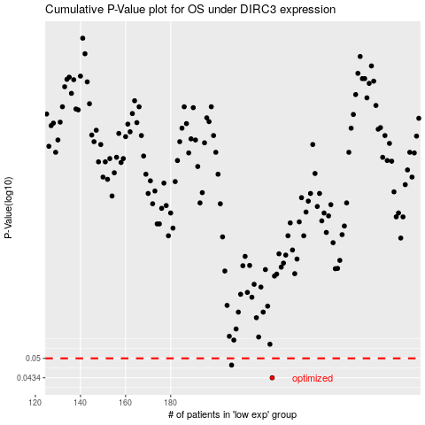

 |  |  |  |  |  | cases_OS | p_OS | rank | exp
 |  |  |  |  |  | 225 | 0.0434 | 245 | -0.27966767329
 |  |  |  |  |  | 207 | 0.0476 | 160 | -0.32693035563
 |  |  |  |  |  |  | cases_RFS | p_RFS | rank | exp
 |  |  |  |  |  |  | 224 | 0.0434 | 65 | -0.28432036604
 |  |  |  |  |  |  | 206 | 0.0476 | 161 | -0.32790214749

