DISC1 _multivariate
Reported by Tex Li-Hsing Chi. tex@gate.sinica.edu.tw 2019-08-20

Table 2. The clinicopathological features of HNSCC cohort and DISC1 expression. (Chi square test)
Cutoff at -0.402 (45.2%)
 |  | DISC1 expression |  | DISC1 expression |  | (Optimised)
 | Features | Low | (%) | High | (%) | Case no | P-value | Remark | Matthews
Gender | Female | 138 | 33.3 | 168 | 40.5 | 415 | 0.9782 | 0 | 0
2 | Male | 50 | 12 | 59 | 14.2
Age at diagnosis | <=65y | 130 | 31.3 | 144 | 34.7 | 415 | 0.2631 | 0 | 0
4 | >65y | 58 | 14 | 83 | 20
Clinical T Status | T1+T2 | 65 | 15.7 | 84 | 20.2 | 415 | 0.6812 | 0 | 0
6 | T3+T4 | 123 | 29.6 | 143 | 34.5
Clinical N Status | N0 | 92 | 22.2 | 124 | 29.9 | 415 | 0.2909 | 0 | 0
8 | N1-3 | 96 | 23.1 | 103 | 24.8
Clinical M Status | M0 | 185 | 44.6 | 227 | 54.7 | 415 | 0.0922 | 0 | 0
10 | M1 | 3 | 0.7 | 0 | 0
Clinical Stage | Stage I+II | 47 | 11.3 | 55 | 13.3 | 415 | 0.9465 | 0 | 0
12 | Stage III+IV | 141 | 34 | 172 | 41.4
Surgical Margin status | Negative | 139 | 33.5 | 179 | 43.1 | 415 | 0.2462 | 0 | 0
14 | Positive | 49 | 11.8 | 48 | 11.6
Tobacco Exposure | Low | 74 | 17.8 | 87 | 21 | 415 | 0.8402 | 0 | 0
16 | High | 114 | 27.5 | 140 | 33.7

Table 3. Univariate/Multivariate Cox's proportional hazards regression analyses on OS time of DISC1 gene expression in HNSCC

 |  | Univariate |  |  |  | Multivariate
 | Features | HR | CI95%(L) | CI95%(H) | P-value | HR | CI95%(L) | CI95%(H) | P-value
1 | Female | 1 |  |  |  | 1
Gender | Male | 1.157 | 0.843 | 1.587 | 0.367 | 1.183 | 0.846 | 1.654 | 0.326
11 | <=65y | 1 |  |  |  | 1
Age at diagnosis | >65y | 1.329 | 0.99 | 1.784 | 0.058 | 1.404 | 1.033 | 1.908 | 0.03
12 | T1+T2 | 1 |  |  |  | 1
Clinical T Status | T3+T4 | 1.409 | 1.028 | 1.931 | 0.033 | 2.109 | 1.113 | 3.995 | 0.022
13 | N0 | 1 |  |  |  | 1
Clinical N Status | N1-3 | 1.185 | 0.89 | 1.577 | 0.246 | 1.201 | 0.84 | 1.717 | 0.317
14 | M0 | 1 |  |  |  | 1
Clinical M Status | M1 | 4.097 | 1.009 | 16.644 | 0.049 | 7.998 | 1.724 | 37.097 | 0.008
15 | Stage I+II | 1 |  |  |  | 1
Clinical Stage | Stage III+IV | 1.245 | 0.882 | 1.759 | 0.213 | 0.543 | 0.252 | 1.172 | 0.12
16 | Negative | 1 |  |  |  | 1
Surgical Margin status | Positive | 1.591 | 1.155 | 2.191 | 0.004 | 1.619 | 1.169 | 2.242 | 0.004
17 | Low | 1 |  |  |  | 1
Tobacco Exposure | High | 1.364 | 1.008 | 1.844 | 0.044 | 1.445 | 1.048 | 1.991 | 0.025
18 | Low | 1 |  |  |  | 1
RNAseq(z-score) | High | 0.723 | 0.543 | 0.964 | 0.027 | 0.785 | 0.584 | 1.055 | 0.109

Table 4. Univariate/Multivariate Cox's proportional hazards regression analyses on RFS time of DISC1 gene expression in HNSCC

 |  | Univariate |  |  |  | Multivariate
 | Features | HR | CI95%(L) | CI95%(H) | P-value | HR | CI95%(L) | CI95%(H) | P-value
1 | Female | 1 |  |  |  | 1
Gender | Male | 1.157 | 0.843 | 1.587 | 0.367 | 1.183 | 0.846 | 1.654 | 0.326
11 | <=65y | 1 |  |  |  | 1
Age at diagnosis | >65y | 1.329 | 0.99 | 1.784 | 0.058 | 1.404 | 1.033 | 1.908 | 0.03
12 | T1+T2 | 1 |  |  |  | 1
Clinical T Status | T3+T4 | 1.409 | 1.028 | 1.931 | 0.033 | 2.109 | 1.113 | 3.995 | 0.022
13 | N0 | 1 |  |  |  | 1
Clinical N Status | N1-3 | 1.185 | 0.89 | 1.577 | 0.246 | 1.201 | 0.84 | 1.717 | 0.317
14 | M0 | 1 |  |  |  | 1
Clinical M Status | M1 | 4.097 | 1.009 | 16.644 | 0.049 | 7.998 | 1.724 | 37.097 | 0.008
15 | Stage I+II | 1 |  |  |  | 1
Clinical Stage | Stage III+IV | 1.245 | 0.882 | 1.759 | 0.213 | 0.543 | 0.252 | 1.172 | 0.12
16 | Negative | 1 |  |  |  | 1
Surgical Margin status | Positive | 1.591 | 1.155 | 2.191 | 0.004 | 1.619 | 1.169 | 2.242 | 0.004
17 | Low | 1 |  |  |  | 1
Tobacco Exposure | High | 1.364 | 1.008 | 1.844 | 0.044 | 1.445 | 1.048 | 1.991 | 0.025
18 | Low | 1 |  |  |  | 1
RNAseq(z-score) | High | 0.723 | 0.543 | 0.964 | 0.027 | 0.785 | 0.584 | 1.055 | 0.109

Kaplan-Meier survival estimate: Cutoff at -0.402 (45.2%)

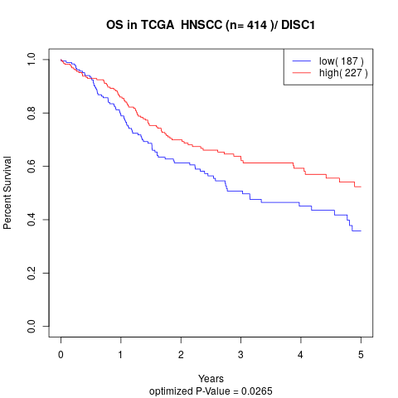

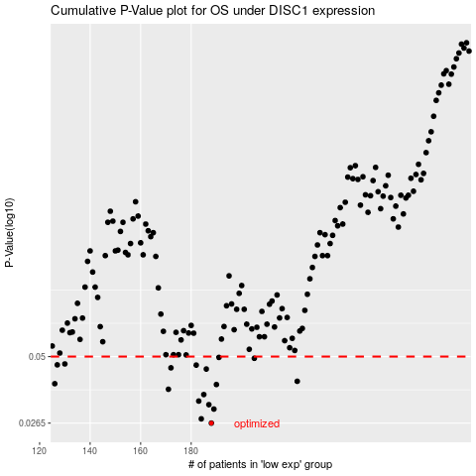

 |  |  |  |  |  | cases_OS | p_OS | rank | exp
 |  |  |  |  |  | 188 | 0.0265 | 299 | -0.40160278524
 |  |  |  |  |  | 184 | 0.0276 | 130 | -0.41606365891
 |  |  |  |  |  | 189 | 0.0303 | 121 | -0.40150010049
 |  |  |  |  |  | 187 | 0.0316 | 87 | -0.40517570933
 |  |  |  |  |  | 183 | 0.0327 | 412 | -0.42114234535
 |  |  |  |  |  | 185 | 0.0348 | 105 | -0.41586418117
 |  |  |  |  |  | 171 | 0.0366 | 174 | -0.4577309397
 |  |  |  |  |  | 190 | 0.0383 | 50 | -0.39977381844
 |  |  |  |  |  | 126 | 0.0386 | 305 | -0.54302997828
 |  |  |  |  |  | 222 | 0.0395 | 177 | -0.31313061974
 |  |  |  |  |  | 186 | 0.0444 | 43 | -0.4062168653
 |  |  |  |  |  | 172 | 0.0449 | 252 | -0.45402923885
 |  |  |  |  |  | 182 | 0.0461 | 124 | -0.42216919279
 |  |  |  |  |  | 127 | 0.0462 | 331 | -0.542136116
 |  |  |  |  |  | 130 | 0.0466 | 368 | -0.53669298288
 |  |  |  |  |  | 205 | 0.0492 | 32 | -0.36990939148
 |  |  |  |  |  | 191 | 0.0496 | 234 | -0.39770076496
 |  |  |  |  |  |  | cases_RFS | p_RFS | rank | exp
 |  |  |  |  |  |  | 187 | 0.0265 | 87 | -0.40517570933
 |  |  |  |  |  |  | 183 | 0.0276 | 412 | -0.42114234535
 |  |  |  |  |  |  | 188 | 0.0303 | 299 | -0.40160278524
 |  |  |  |  |  |  | 186 | 0.0316 | 43 | -0.4062168653
 |  |  |  |  |  |  | 182 | 0.0327 | 124 | -0.42216919279
 |  |  |  |  |  |  | 184 | 0.0348 | 130 | -0.41606365891
 |  |  |  |  |  |  | 170 | 0.0366 | 264 | -0.45935622037
 |  |  |  |  |  |  | 189 | 0.0383 | 121 | -0.40150010049
 |  |  |  |  |  |  | 125 | 0.0386 | 276 | -0.54794117075
 |  |  |  |  |  |  | 221 | 0.0395 | 355 | -0.31843403426
 |  |  |  |  |  |  | 185 | 0.0444 | 105 | -0.41586418117
 |  |  |  |  |  |  | 171 | 0.0449 | 174 | -0.4577309397
 |  |  |  |  |  |  | 181 | 0.0461 | 64 | -0.423955234
 |  |  |  |  |  |  | 126 | 0.0462 | 305 | -0.54302997828
 |  |  |  |  |  |  | 129 | 0.0466 | 296 | -0.53848407415
 |  |  |  |  |  |  | 204 | 0.0492 | 114 | -0.37311702721
 |  |  |  |  |  |  | 190 | 0.0496 | 50 | -0.39977381844

