DISP2 _multivariate
Reported by Tex Li-Hsing Chi. tex@gate.sinica.edu.tw 2019-08-20

Table 2. The clinicopathological features of HNSCC cohort and DISP2 expression. (Chi square test)
Cutoff at -0.343 (49.8%)
 |  | DISP2 expression |  | DISP2 expression |  | (Optimised)
 | Features | Low | (%) | High | (%) | Case no | P-value | Remark | Matthews
Gender | Female | 156 | 37.6 | 150 | 36.1 | 415 | 0.5222 | 0 | 0
2 | Male | 51 | 12.3 | 58 | 14
Age at diagnosis | <=65y | 136 | 32.8 | 138 | 33.3 | 415 | 0.9719 | 0 | 0
4 | >65y | 71 | 17.1 | 70 | 16.9
Clinical T Status | T1+T2 | 61 | 14.7 | 88 | 21.2 | 415 | 0.0087 | 1 | 0
6 | T3+T4 | 146 | 35.2 | 120 | 28.9
Clinical N Status | N0 | 96 | 23.1 | 120 | 28.9 | 415 | 0.0272 | 1 | 0
8 | N1-3 | 111 | 26.7 | 88 | 21.2
Clinical M Status | M0 | 206 | 49.6 | 206 | 49.6 | 415 | 1 | 0 | 0
10 | M1 | 1 | 0.2 | 2 | 0.5
Clinical Stage | Stage I+II | 36 | 8.7 | 66 | 15.9 | 415 | 0.001 | 1 | 0
12 | Stage III+IV | 171 | 41.2 | 142 | 34.2
Surgical Margin status | Negative | 156 | 37.6 | 162 | 39 | 415 | 0.5636 | 0 | 0
14 | Positive | 51 | 12.3 | 46 | 11.1
Tobacco Exposure | Low | 73 | 17.6 | 88 | 21.2 | 415 | 0.1587 | 0 | 0
16 | High | 134 | 32.3 | 120 | 28.9

Table 3. Univariate/Multivariate Cox's proportional hazards regression analyses on OS time of DISP2 gene expression in HNSCC

 |  | Univariate |  |  |  | Multivariate
 | Features | HR | CI95%(L) | CI95%(H) | P-value | HR | CI95%(L) | CI95%(H) | P-value
1 | Female | 1 |  |  |  | 1
Gender | Male | 1.157 | 0.843 | 1.587 | 0.367 | 1.162 | 0.83 | 1.627 | 0.383
11 | <=65y | 1 |  |  |  | 1
Age at diagnosis | >65y | 1.329 | 0.99 | 1.784 | 0.058 | 1.444 | 1.059 | 1.967 | 0.02
12 | T1+T2 | 1 |  |  |  | 1
Clinical T Status | T3+T4 | 1.409 | 1.028 | 1.931 | 0.033 | 2.234 | 1.181 | 4.227 | 0.013
13 | N0 | 1 |  |  |  | 1
Clinical N Status | N1-3 | 1.185 | 0.89 | 1.577 | 0.246 | 1.289 | 0.901 | 1.843 | 0.165
14 | M0 | 1 |  |  |  | 1
Clinical M Status | M1 | 4.097 | 1.009 | 16.644 | 0.049 | 8.261 | 1.795 | 38.019 | 0.007
15 | Stage I+II | 1 |  |  |  | 1
Clinical Stage | Stage III+IV | 1.245 | 0.882 | 1.759 | 0.213 | 0.534 | 0.248 | 1.148 | 0.108
16 | Negative | 1 |  |  |  | 1
Surgical Margin status | Positive | 1.591 | 1.155 | 2.191 | 0.004 | 1.663 | 1.203 | 2.297 | 0.002
17 | Low | 1 |  |  |  | 1
Tobacco Exposure | High | 1.364 | 1.008 | 1.844 | 0.044 | 1.48 | 1.074 | 2.04 | 0.017
18 | Low | 1 |  |  |  | 1
RNAseq(z-score) | High | 1.285 | 0.964 | 1.711 | 0.087 | 1.43 | 1.06 | 1.929 | 0.019

Table 4. Univariate/Multivariate Cox's proportional hazards regression analyses on RFS time of DISP2 gene expression in HNSCC

 |  | Univariate |  |  |  | Multivariate
 | Features | HR | CI95%(L) | CI95%(H) | P-value | HR | CI95%(L) | CI95%(H) | P-value
1 | Female | 1 |  |  |  | 1
Gender | Male | 1.157 | 0.843 | 1.587 | 0.367 | 1.162 | 0.83 | 1.627 | 0.383
11 | <=65y | 1 |  |  |  | 1
Age at diagnosis | >65y | 1.329 | 0.99 | 1.784 | 0.058 | 1.444 | 1.059 | 1.967 | 0.02
12 | T1+T2 | 1 |  |  |  | 1
Clinical T Status | T3+T4 | 1.409 | 1.028 | 1.931 | 0.033 | 2.234 | 1.181 | 4.227 | 0.013
13 | N0 | 1 |  |  |  | 1
Clinical N Status | N1-3 | 1.185 | 0.89 | 1.577 | 0.246 | 1.289 | 0.901 | 1.843 | 0.165
14 | M0 | 1 |  |  |  | 1
Clinical M Status | M1 | 4.097 | 1.009 | 16.644 | 0.049 | 8.261 | 1.795 | 38.019 | 0.007
15 | Stage I+II | 1 |  |  |  | 1
Clinical Stage | Stage III+IV | 1.245 | 0.882 | 1.759 | 0.213 | 0.534 | 0.248 | 1.148 | 0.108
16 | Negative | 1 |  |  |  | 1
Surgical Margin status | Positive | 1.591 | 1.155 | 2.191 | 0.004 | 1.663 | 1.203 | 2.297 | 0.002
17 | Low | 1 |  |  |  | 1
Tobacco Exposure | High | 1.364 | 1.008 | 1.844 | 0.044 | 1.48 | 1.074 | 2.04 | 0.017
18 | Low | 1 |  |  |  | 1
RNAseq(z-score) | High | 1.285 | 0.964 | 1.711 | 0.087 | 1.43 | 1.06 | 1.929 | 0.019

Kaplan-Meier survival estimate: Cutoff at -0.343 (49.8%)



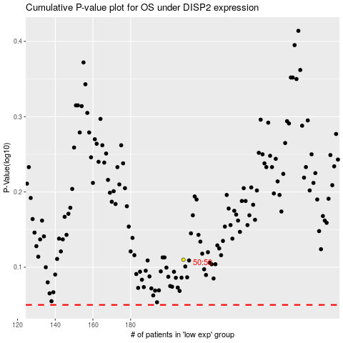

 |  |  |  |  |  | cases_OS | p_OS | rank | exp
 |  |  |  |  |  |  | cases_RFS | p_RFS | rank | exp

