DIXDC1 _multivariate
Reported by Tex Li-Hsing Chi. tex@gate.sinica.edu.tw 2019-08-20

Table 2. The clinicopathological features of HNSCC cohort and DIXDC1 expression. (Chi square test)
Cutoff at -0.268 (50.0%)
 |  | DIXDC1 expression |  | DIXDC1 expression |  | (Optimised)
 | Features | Low | (%) | High | (%) | Case no | P-value | Remark | Matthews
Gender | Female | 159 | 38.3 | 147 | 35.4 | 415 | 0.1905 | 0 | 0
2 | Male | 48 | 11.6 | 61 | 14.7
Age at diagnosis | <=65y | 147 | 35.4 | 127 | 30.6 | 415 | 0.0416 | 1 | 0
4 | >65y | 60 | 14.5 | 81 | 19.5
Clinical T Status | T1+T2 | 82 | 19.8 | 67 | 16.1 | 415 | 0.1417 | 0 | 0
6 | T3+T4 | 125 | 30.1 | 141 | 34
Clinical N Status | N0 | 105 | 25.3 | 111 | 26.7 | 415 | 0.6598 | 0 | 0
8 | N1-3 | 102 | 24.6 | 97 | 23.4
Clinical M Status | M0 | 204 | 49.2 | 208 | 50.1 | 415 | 0.1232 | 0 | 0
10 | M1 | 3 | 0.7 | 0 | 0
Clinical Stage | Stage I+II | 51 | 12.3 | 51 | 12.3 | 415 | 1 | 0 | 0
12 | Stage III+IV | 156 | 37.6 | 157 | 37.8
Surgical Margin status | Negative | 153 | 36.9 | 165 | 39.8 | 415 | 0.2036 | 0 | 0
14 | Positive | 54 | 13 | 43 | 10.4
Tobacco Exposure | Low | 91 | 21.9 | 70 | 16.9 | 415 | 0.0346 | 1 | 0
16 | High | 116 | 28 | 138 | 33.3

Table 3. Univariate/Multivariate Cox's proportional hazards regression analyses on OS time of DIXDC1 gene expression in HNSCC

 |  | Univariate |  |  |  | Multivariate
 | Features | HR | CI95%(L) | CI95%(H) | P-value | HR | CI95%(L) | CI95%(H) | P-value
1 | Female | 1 |  |  |  | 1
Gender | Male | 1.157 | 0.843 | 1.587 | 0.367 | 1.202 | 0.86 | 1.68 | 0.28
11 | <=65y | 1 |  |  |  | 1
Age at diagnosis | >65y | 1.329 | 0.99 | 1.784 | 0.058 | 1.404 | 1.031 | 1.912 | 0.031
12 | T1+T2 | 1 |  |  |  | 1
Clinical T Status | T3+T4 | 1.409 | 1.028 | 1.931 | 0.033 | 2.235 | 1.179 | 4.237 | 0.014
13 | N0 | 1 |  |  |  | 1
Clinical N Status | N1-3 | 1.185 | 0.89 | 1.577 | 0.246 | 1.24 | 0.869 | 1.769 | 0.236
14 | M0 | 1 |  |  |  | 1
Clinical M Status | M1 | 4.097 | 1.009 | 16.644 | 0.049 | 9.181 | 1.997 | 42.2 | 0.004
15 | Stage I+II | 1 |  |  |  | 1
Clinical Stage | Stage III+IV | 1.245 | 0.882 | 1.759 | 0.213 | 0.498 | 0.232 | 1.071 | 0.074
16 | Negative | 1 |  |  |  | 1
Surgical Margin status | Positive | 1.591 | 1.155 | 2.191 | 0.004 | 1.662 | 1.202 | 2.298 | 0.002
17 | Low | 1 |  |  |  | 1
Tobacco Exposure | High | 1.364 | 1.008 | 1.844 | 0.044 | 1.463 | 1.061 | 2.018 | 0.02
18 | Low | 1 |  |  |  | 1
RNAseq(z-score) | High | 0.966 | 0.726 | 1.287 | 0.814 | 0.926 | 0.691 | 1.241 | 0.607

Table 4. Univariate/Multivariate Cox's proportional hazards regression analyses on RFS time of DIXDC1 gene expression in HNSCC

 |  | Univariate |  |  |  | Multivariate
 | Features | HR | CI95%(L) | CI95%(H) | P-value | HR | CI95%(L) | CI95%(H) | P-value
1 | Female | 1 |  |  |  | 1
Gender | Male | 1.157 | 0.843 | 1.587 | 0.367 | 1.202 | 0.86 | 1.68 | 0.28
11 | <=65y | 1 |  |  |  | 1
Age at diagnosis | >65y | 1.329 | 0.99 | 1.784 | 0.058 | 1.404 | 1.031 | 1.912 | 0.031
12 | T1+T2 | 1 |  |  |  | 1
Clinical T Status | T3+T4 | 1.409 | 1.028 | 1.931 | 0.033 | 2.235 | 1.179 | 4.237 | 0.014
13 | N0 | 1 |  |  |  | 1
Clinical N Status | N1-3 | 1.185 | 0.89 | 1.577 | 0.246 | 1.24 | 0.869 | 1.769 | 0.236
14 | M0 | 1 |  |  |  | 1
Clinical M Status | M1 | 4.097 | 1.009 | 16.644 | 0.049 | 9.181 | 1.997 | 42.2 | 0.004
15 | Stage I+II | 1 |  |  |  | 1
Clinical Stage | Stage III+IV | 1.245 | 0.882 | 1.759 | 0.213 | 0.498 | 0.232 | 1.071 | 0.074
16 | Negative | 1 |  |  |  | 1
Surgical Margin status | Positive | 1.591 | 1.155 | 2.191 | 0.004 | 1.662 | 1.202 | 2.298 | 0.002
17 | Low | 1 |  |  |  | 1
Tobacco Exposure | High | 1.364 | 1.008 | 1.844 | 0.044 | 1.463 | 1.061 | 2.018 | 0.02
18 | Low | 1 |  |  |  | 1
RNAseq(z-score) | High | 0.966 | 0.726 | 1.287 | 0.814 | 0.926 | 0.691 | 1.241 | 0.607

Kaplan-Meier survival estimate: Cutoff at -0.268 (50.0%)



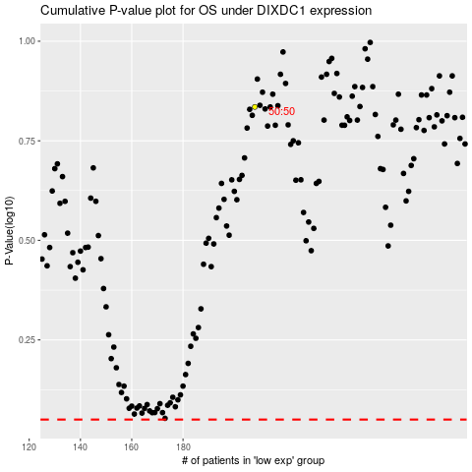

 |  |  |  |  |  | cases_OS | p_OS | rank | exp
 |  |  |  |  |  |  | cases_RFS | p_RFS | rank | exp

