DKFZP586I1420 _multivariate
Reported by Tex Li-Hsing Chi. tex@gate.sinica.edu.tw 2019-08-20

Table 2. The clinicopathological features of HNSCC cohort and DKFZP586I1420 expression. (Chi square test)
Cutoff at -0.181 (50.0%)
 |  | DKFZP586I1420 expression |  | DKFZP586I1420 expression |  | (Optimised)
 | Features | Low | (%) | High | (%) | Case no | P-value | Remark | Matthews
Gender | Female | 165 | 39.8 | 141 | 34 | 415 | 0.0081 | 1 | 0
2 | Male | 42 | 10.1 | 67 | 16.1
Age at diagnosis | <=65y | 131 | 31.6 | 143 | 34.5 | 415 | 0.2839 | 0 | 0
4 | >65y | 76 | 18.3 | 65 | 15.7
Clinical T Status | T1+T2 | 60 | 14.5 | 89 | 21.4 | 415 | 0.0047 | 1 | 0
6 | T3+T4 | 147 | 35.4 | 119 | 28.7
Clinical N Status | N0 | 104 | 25.1 | 112 | 27 | 415 | 0.5243 | 0 | 0
8 | N1-3 | 103 | 24.8 | 96 | 23.1
Clinical M Status | M0 | 206 | 49.6 | 206 | 49.6 | 415 | 1 | 0 | 0
10 | M1 | 1 | 0.2 | 2 | 0.5
Clinical Stage | Stage I+II | 39 | 9.4 | 63 | 15.2 | 415 | 0.0095 | 1 | 0
12 | Stage III+IV | 168 | 40.5 | 145 | 34.9
Surgical Margin status | Negative | 156 | 37.6 | 162 | 39 | 415 | 0.5636 | 0 | 0
14 | Positive | 51 | 12.3 | 46 | 11.1
Tobacco Exposure | Low | 73 | 17.6 | 88 | 21.2 | 415 | 0.1587 | 0 | 0
16 | High | 134 | 32.3 | 120 | 28.9

Table 3. Univariate/Multivariate Cox's proportional hazards regression analyses on OS time of DKFZP586I1420 gene expression in HNSCC

 |  | Univariate |  |  |  | Multivariate
 | Features | HR | CI95%(L) | CI95%(H) | P-value | HR | CI95%(L) | CI95%(H) | P-value
1 | Female | 1 |  |  |  | 1
Gender | Male | 1.157 | 0.843 | 1.587 | 0.367 | 1.216 | 0.868 | 1.701 | 0.255
11 | <=65y | 1 |  |  |  | 1
Age at diagnosis | >65y | 1.329 | 0.99 | 1.784 | 0.058 | 1.387 | 1.02 | 1.886 | 0.037
12 | T1+T2 | 1 |  |  |  | 1
Clinical T Status | T3+T4 | 1.409 | 1.028 | 1.931 | 0.033 | 2.162 | 1.141 | 4.099 | 0.018
13 | N0 | 1 |  |  |  | 1
Clinical N Status | N1-3 | 1.185 | 0.89 | 1.577 | 0.246 | 1.241 | 0.869 | 1.77 | 0.235
14 | M0 | 1 |  |  |  | 1
Clinical M Status | M1 | 4.097 | 1.009 | 16.644 | 0.049 | 9.372 | 2.044 | 42.966 | 0.004
15 | Stage I+II | 1 |  |  |  | 1
Clinical Stage | Stage III+IV | 1.245 | 0.882 | 1.759 | 0.213 | 0.506 | 0.236 | 1.086 | 0.08
16 | Negative | 1 |  |  |  | 1
Surgical Margin status | Positive | 1.591 | 1.155 | 2.191 | 0.004 | 1.668 | 1.207 | 2.304 | 0.002
17 | Low | 1 |  |  |  | 1
Tobacco Exposure | High | 1.364 | 1.008 | 1.844 | 0.044 | 1.451 | 1.053 | 2 | 0.023
18 | Low | 1 |  |  |  | 1
RNAseq(z-score) | High | 0.852 | 0.64 | 1.135 | 0.274 | 0.91 | 0.679 | 1.22 | 0.527

Table 4. Univariate/Multivariate Cox's proportional hazards regression analyses on RFS time of DKFZP586I1420 gene expression in HNSCC

 |  | Univariate |  |  |  | Multivariate
 | Features | HR | CI95%(L) | CI95%(H) | P-value | HR | CI95%(L) | CI95%(H) | P-value
1 | Female | 1 |  |  |  | 1
Gender | Male | 1.157 | 0.843 | 1.587 | 0.367 | 1.216 | 0.868 | 1.701 | 0.255
11 | <=65y | 1 |  |  |  | 1
Age at diagnosis | >65y | 1.329 | 0.99 | 1.784 | 0.058 | 1.387 | 1.02 | 1.886 | 0.037
12 | T1+T2 | 1 |  |  |  | 1
Clinical T Status | T3+T4 | 1.409 | 1.028 | 1.931 | 0.033 | 2.162 | 1.141 | 4.099 | 0.018
13 | N0 | 1 |  |  |  | 1
Clinical N Status | N1-3 | 1.185 | 0.89 | 1.577 | 0.246 | 1.241 | 0.869 | 1.77 | 0.235
14 | M0 | 1 |  |  |  | 1
Clinical M Status | M1 | 4.097 | 1.009 | 16.644 | 0.049 | 9.372 | 2.044 | 42.966 | 0.004
15 | Stage I+II | 1 |  |  |  | 1
Clinical Stage | Stage III+IV | 1.245 | 0.882 | 1.759 | 0.213 | 0.506 | 0.236 | 1.086 | 0.08
16 | Negative | 1 |  |  |  | 1
Surgical Margin status | Positive | 1.591 | 1.155 | 2.191 | 0.004 | 1.668 | 1.207 | 2.304 | 0.002
17 | Low | 1 |  |  |  | 1
Tobacco Exposure | High | 1.364 | 1.008 | 1.844 | 0.044 | 1.451 | 1.053 | 2 | 0.023
18 | Low | 1 |  |  |  | 1
RNAseq(z-score) | High | 0.852 | 0.64 | 1.135 | 0.274 | 0.91 | 0.679 | 1.22 | 0.527

Kaplan-Meier survival estimate: Cutoff at -0.181 (50.0%)

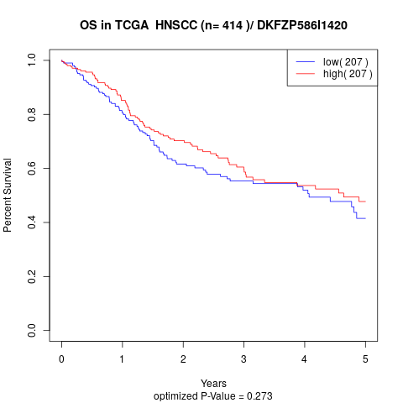

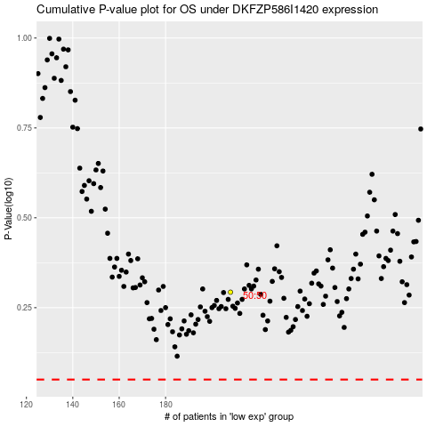

 |  |  |  |  |  | cases_OS | p_OS | rank | exp
 |  |  |  |  |  |  | cases_RFS | p_RFS | rank | exp

