DKK3 _multivariate
Reported by Tex Li-Hsing Chi. tex@gate.sinica.edu.tw 2019-08-20

Table 2. The clinicopathological features of HNSCC cohort and DKK3 expression. (Chi square test)
Cutoff at -0.399 (36.2%)
 |  | DKK3 expression |  | DKK3 expression |  | (Optimised)
 | Features | Low | (%) | High | (%) | Case no | P-value | Remark | Matthews
Gender | Female | 109 | 26.3 | 197 | 47.5 | 415 | 0.798 | 0 | 0
2 | Male | 41 | 9.9 | 68 | 16.4
Age at diagnosis | <=65y | 98 | 23.6 | 176 | 42.4 | 415 | 0.9079 | 0 | 0
4 | >65y | 52 | 12.5 | 89 | 21.4
Clinical T Status | T1+T2 | 51 | 12.3 | 98 | 23.6 | 415 | 0.6159 | 0 | 0
6 | T3+T4 | 99 | 23.9 | 167 | 40.2
Clinical N Status | N0 | 80 | 19.3 | 136 | 32.8 | 415 | 0.7703 | 0 | 0
8 | N1-3 | 70 | 16.9 | 129 | 31.1
Clinical M Status | M0 | 150 | 36.1 | 262 | 63.1 | 415 | 0.5563 | 0 | 0
10 | M1 | 0 | 0 | 3 | 0.7
Clinical Stage | Stage I+II | 31 | 7.5 | 71 | 17.1 | 415 | 0.2027 | 0 | 0
12 | Stage III+IV | 119 | 28.7 | 194 | 46.7
Surgical Margin status | Negative | 112 | 27 | 206 | 49.6 | 415 | 0.4722 | 0 | 0
14 | Positive | 38 | 9.2 | 59 | 14.2
Tobacco Exposure | Low | 63 | 15.2 | 98 | 23.6 | 415 | 0.3457 | 0 | 0
16 | High | 87 | 21 | 167 | 40.2

Table 3. Univariate/Multivariate Cox's proportional hazards regression analyses on OS time of DKK3 gene expression in HNSCC

 |  | Univariate |  |  |  | Multivariate
 | Features | HR | CI95%(L) | CI95%(H) | P-value | HR | CI95%(L) | CI95%(H) | P-value
1 | Female | 1 |  |  |  | 1
Gender | Male | 1.157 | 0.843 | 1.587 | 0.367 | 1.188 | 0.853 | 1.656 | 0.308
11 | <=65y | 1 |  |  |  | 1
Age at diagnosis | >65y | 1.329 | 0.99 | 1.784 | 0.058 | 1.411 | 1.039 | 1.918 | 0.028
12 | T1+T2 | 1 |  |  |  | 1
Clinical T Status | T3+T4 | 1.409 | 1.028 | 1.931 | 0.033 | 2.175 | 1.15 | 4.114 | 0.017
13 | N0 | 1 |  |  |  | 1
Clinical N Status | N1-3 | 1.185 | 0.89 | 1.577 | 0.246 | 1.213 | 0.851 | 1.73 | 0.285
14 | M0 | 1 |  |  |  | 1
Clinical M Status | M1 | 4.097 | 1.009 | 16.644 | 0.049 | 7.944 | 1.728 | 36.526 | 0.008
15 | Stage I+II | 1 |  |  |  | 1
Clinical Stage | Stage III+IV | 1.245 | 0.882 | 1.759 | 0.213 | 0.565 | 0.262 | 1.217 | 0.145
16 | Negative | 1 |  |  |  | 1
Surgical Margin status | Positive | 1.591 | 1.155 | 2.191 | 0.004 | 1.719 | 1.243 | 2.375 | 0.001
17 | Low | 1 |  |  |  | 1
Tobacco Exposure | High | 1.364 | 1.008 | 1.844 | 0.044 | 1.385 | 1.006 | 1.907 | 0.046
18 | Low | 1 |  |  |  | 1
RNAseq(z-score) | High | 1.53 | 1.118 | 2.094 | 0.008 | 1.59 | 1.153 | 2.193 | 0.005

Table 4. Univariate/Multivariate Cox's proportional hazards regression analyses on RFS time of DKK3 gene expression in HNSCC

 |  | Univariate |  |  |  | Multivariate
 | Features | HR | CI95%(L) | CI95%(H) | P-value | HR | CI95%(L) | CI95%(H) | P-value
1 | Female | 1 |  |  |  | 1
Gender | Male | 1.157 | 0.843 | 1.587 | 0.367 | 1.188 | 0.853 | 1.656 | 0.308
11 | <=65y | 1 |  |  |  | 1
Age at diagnosis | >65y | 1.329 | 0.99 | 1.784 | 0.058 | 1.411 | 1.039 | 1.918 | 0.028
12 | T1+T2 | 1 |  |  |  | 1
Clinical T Status | T3+T4 | 1.409 | 1.028 | 1.931 | 0.033 | 2.175 | 1.15 | 4.114 | 0.017
13 | N0 | 1 |  |  |  | 1
Clinical N Status | N1-3 | 1.185 | 0.89 | 1.577 | 0.246 | 1.213 | 0.851 | 1.73 | 0.285
14 | M0 | 1 |  |  |  | 1
Clinical M Status | M1 | 4.097 | 1.009 | 16.644 | 0.049 | 7.944 | 1.728 | 36.526 | 0.008
15 | Stage I+II | 1 |  |  |  | 1
Clinical Stage | Stage III+IV | 1.245 | 0.882 | 1.759 | 0.213 | 0.565 | 0.262 | 1.217 | 0.145
16 | Negative | 1 |  |  |  | 1
Surgical Margin status | Positive | 1.591 | 1.155 | 2.191 | 0.004 | 1.719 | 1.243 | 2.375 | 0.001
17 | Low | 1 |  |  |  | 1
Tobacco Exposure | High | 1.364 | 1.008 | 1.844 | 0.044 | 1.385 | 1.006 | 1.907 | 0.046
18 | Low | 1 |  |  |  | 1
RNAseq(z-score) | High | 1.53 | 1.118 | 2.094 | 0.008 | 1.59 | 1.153 | 2.193 | 0.005

Kaplan-Meier survival estimate: Cutoff at -0.399 (36.2%)

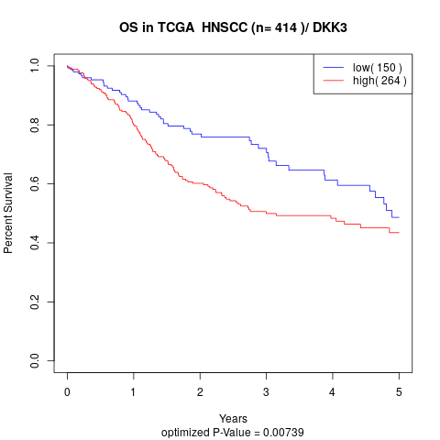

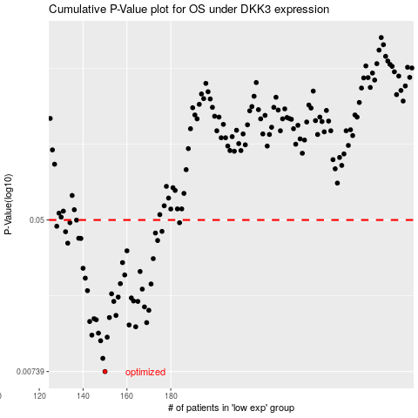

 |  |  |  |  |  | cases_OS | p_OS | rank | exp
 |  |  |  |  |  | 150 | 0.00739 | 225 | -0.39935190854
 |  |  |  |  |  | 149 | 0.00873 | 382 | -0.40095354904
 |  |  |  |  |  | 148 | 0.0109 | 160 | -0.40583083021
 |  |  |  |  |  | 151 | 0.0114 | 405 | -0.39755850494
 |  |  |  |  |  | 144 | 0.0117 | 48 | -0.43182294308
 |  |  |  |  |  | 147 | 0.012 | 395 | -0.4174438202
 |  |  |  |  |  | 164 | 0.013 | 52 | -0.33704464851
 |  |  |  |  |  | 161 | 0.0133 | 204 | -0.35785186189
 |  |  |  |  |  | 169 | 0.0137 | 366 | -0.33042902087
 |  |  |  |  |  | 143 | 0.0139 | 293 | -0.43337718102
 |  |  |  |  |  | 146 | 0.0142 | 305 | -0.4179239057
 |  |  |  |  |  | 145 | 0.0144 | 345 | -0.41864853899
 |  |  |  |  |  | 152 | 0.0146 | 1 | -0.39724151774
 |  |  |  |  |  | 155 | 0.015 | 203 | -0.3940653467
 |  |  |  |  |  | 170 | 0.016 | 66 | -0.32752000254
 |  |  |  |  |  | 168 | 0.0167 | 170 | -0.33096145252
 |  |  |  |  |  | 154 | 0.0179 | 337 | -0.39496117141
 |  |  |  |  |  | 165 | 0.0179 | 394 | -0.33567404068
 |  |  |  |  |  | 163 | 0.018 | 190 | -0.34775997987
 |  |  |  |  |  | 162 | 0.0187 | 94 | -0.3490256562
 |  |  |  |  |  | 156 | 0.0189 | 3 | -0.39284161107
 |  |  |  |  |  | 153 | 0.0197 | 22 | -0.39516836327
 |  |  |  |  |  | 142 | 0.0205 | 231 | -0.43452449048
 |  |  |  |  |  | 167 | 0.0209 | 233 | -0.33330000552
 |  |  |  |  |  | 171 | 0.0223 | 229 | -0.32634283225
 |  |  |  |  |  | 157 | 0.0224 | 176 | -0.38714748288
 |  |  |  |  |  | 141 | 0.024 | 187 | -0.43584649972
 |  |  |  |  |  | 159 | 0.025 | 97 | -0.37201370641
 |  |  |  |  |  | 166 | 0.0261 | 84 | -0.33511553564
 |  |  |  |  |  | 140 | 0.0272 | 309 | -0.43738463115
 |  |  |  |  |  | 158 | 0.0292 | 317 | -0.37852476136
 |  |  |  |  |  | 172 | 0.0307 | 61 | -0.32614082318
 |  |  |  |  |  | 160 | 0.0339 | 245 | -0.36215628568
 |  |  |  |  |  | 133 | 0.0373 | 163 | -0.46223421867
 |  |  |  |  |  | 174 | 0.0386 | 224 | -0.31419824784
 |  |  |  |  |  | 139 | 0.0396 | 188 | -0.43898846437
 |  |  |  |  |  | 138 | 0.0397 | 342 | -0.45070048545
 |  |  |  |  |  | 173 | 0.0424 | 331 | -0.32278237753
 |  |  |  |  |  | 132 | 0.0431 | 316 | -0.46599126047
 |  |  |  |  |  | 176 | 0.0433 | 201 | -0.30652469388
 |  |  |  |  |  | 128 | 0.0462 | 266 | -0.49277614034
 |  |  |  |  |  | 184 | 0.0483 | 323 | -0.28586283772
 |  |  |  |  |  | 134 | 0.0483 | 370 | -0.46076246677
 |  |  |  |  |  | 137 | 0.0499 | 105 | -0.45300630716
 |  |  |  |  |  |  | cases_RFS | p_RFS | rank | exp
 |  |  |  |  |  |  | 149 | 0.00739 | 382 | -0.40095354904
 |  |  |  |  |  |  | 148 | 0.00873 | 160 | -0.40583083021
 |  |  |  |  |  |  | 147 | 0.0109 | 395 | -0.4174438202
 |  |  |  |  |  |  | 150 | 0.0114 | 225 | -0.39935190854
 |  |  |  |  |  |  | 143 | 0.0117 | 293 | -0.43337718102
 |  |  |  |  |  |  | 146 | 0.012 | 305 | -0.4179239057
 |  |  |  |  |  |  | 163 | 0.013 | 190 | -0.34775997987
 |  |  |  |  |  |  | 160 | 0.0133 | 245 | -0.36215628568
 |  |  |  |  |  |  | 168 | 0.0137 | 170 | -0.33096145252
 |  |  |  |  |  |  | 142 | 0.0139 | 231 | -0.43452449048
 |  |  |  |  |  |  | 145 | 0.0142 | 345 | -0.41864853899
 |  |  |  |  |  |  | 144 | 0.0144 | 48 | -0.43182294308
 |  |  |  |  |  |  | 151 | 0.0146 | 405 | -0.39755850494
 |  |  |  |  |  |  | 154 | 0.015 | 337 | -0.39496117141
 |  |  |  |  |  |  | 169 | 0.016 | 366 | -0.33042902087
 |  |  |  |  |  |  | 167 | 0.0167 | 233 | -0.33330000552
 |  |  |  |  |  |  | 153 | 0.0179 | 22 | -0.39516836327
 |  |  |  |  |  |  | 164 | 0.0179 | 52 | -0.33704464851
 |  |  |  |  |  |  | 162 | 0.018 | 94 | -0.3490256562
 |  |  |  |  |  |  | 161 | 0.0187 | 204 | -0.35785186189
 |  |  |  |  |  |  | 155 | 0.0189 | 203 | -0.3940653467
 |  |  |  |  |  |  | 152 | 0.0197 | 1 | -0.39724151774
 |  |  |  |  |  |  | 141 | 0.0205 | 187 | -0.43584649972
 |  |  |  |  |  |  | 166 | 0.0209 | 84 | -0.33511553564
 |  |  |  |  |  |  | 170 | 0.0223 | 66 | -0.32752000254
 |  |  |  |  |  |  | 156 | 0.0224 | 3 | -0.39284161107
 |  |  |  |  |  |  | 140 | 0.024 | 309 | -0.43738463115
 |  |  |  |  |  |  | 158 | 0.025 | 317 | -0.37852476136
 |  |  |  |  |  |  | 165 | 0.0261 | 394 | -0.33567404068
 |  |  |  |  |  |  | 139 | 0.0272 | 188 | -0.43898846437
 |  |  |  |  |  |  | 157 | 0.0292 | 176 | -0.38714748288
 |  |  |  |  |  |  | 171 | 0.0307 | 229 | -0.32634283225
 |  |  |  |  |  |  | 159 | 0.0339 | 97 | -0.37201370641
 |  |  |  |  |  |  | 132 | 0.0373 | 316 | -0.46599126047
 |  |  |  |  |  |  | 173 | 0.0386 | 331 | -0.32278237753
 |  |  |  |  |  |  | 138 | 0.0396 | 342 | -0.45070048545
 |  |  |  |  |  |  | 137 | 0.0397 | 105 | -0.45300630716
 |  |  |  |  |  |  | 172 | 0.0424 | 61 | -0.32614082318
 |  |  |  |  |  |  | 131 | 0.0431 | 51 | -0.46704751236
 |  |  |  |  |  |  | 175 | 0.0433 | 121 | -0.3077192863
 |  |  |  |  |  |  | 127 | 0.0462 | 271 | -0.49394948334
 |  |  |  |  |  |  | 133 | 0.0483 | 163 | -0.46223421867
 |  |  |  |  |  |  | 183 | 0.0483 | 392 | -0.28707800182
 |  |  |  |  |  |  | 136 | 0.0499 | 269 | -0.45494574574

