DKKL1 _multivariate
Reported by Tex Li-Hsing Chi. tex@gate.sinica.edu.tw 2019-08-20

Table 2. The clinicopathological features of HNSCC cohort and DKKL1 expression. (Chi square test)
Cutoff at -0.228 (57.0%)
 |  | DKKL1 expression |  | DKKL1 expression |  | (Optimised)
 | Features | Low | (%) | High | (%) | Case no | P-value | Remark | Matthews
Gender | Female | 166 | 40 | 140 | 33.7 | 415 | 0.0629 | 0 | 0
2 | Male | 71 | 17.1 | 38 | 9.2
Age at diagnosis | <=65y | 164 | 39.5 | 110 | 26.5 | 415 | 0.1414 | 0 | 0
4 | >65y | 73 | 17.6 | 68 | 16.4
Clinical T Status | T1+T2 | 88 | 21.2 | 61 | 14.7 | 415 | 0.6185 | 0 | 0
6 | T3+T4 | 149 | 35.9 | 117 | 28.2
Clinical N Status | N0 | 127 | 30.6 | 89 | 21.4 | 415 | 0.5323 | 0 | 0
8 | N1-3 | 110 | 26.5 | 89 | 21.4
Clinical M Status | M0 | 235 | 56.6 | 177 | 42.7 | 415 | 1 | 0 | 0
10 | M1 | 2 | 0.5 | 1 | 0.2
Clinical Stage | Stage I+II | 65 | 15.7 | 37 | 8.9 | 415 | 0.15 | 0 | 0
12 | Stage III+IV | 172 | 41.4 | 141 | 34
Surgical Margin status | Negative | 187 | 45.1 | 131 | 31.6 | 415 | 0.2413 | 0 | 0
14 | Positive | 50 | 12 | 47 | 11.3
Tobacco Exposure | Low | 99 | 23.9 | 62 | 14.9 | 415 | 0.1558 | 0 | 0
16 | High | 138 | 33.3 | 116 | 28

Table 3. Univariate/Multivariate Cox's proportional hazards regression analyses on OS time of DKKL1 gene expression in HNSCC

 |  | Univariate |  |  |  | Multivariate
 | Features | HR | CI95%(L) | CI95%(H) | P-value | HR | CI95%(L) | CI95%(H) | P-value
1 | Female | 1 |  |  |  | 1
Gender | Male | 1.157 | 0.843 | 1.587 | 0.367 | 1.15 | 0.822 | 1.609 | 0.413
11 | <=65y | 1 |  |  |  | 1
Age at diagnosis | >65y | 1.329 | 0.99 | 1.784 | 0.058 | 1.472 | 1.08 | 2.007 | 0.014
12 | T1+T2 | 1 |  |  |  | 1
Clinical T Status | T3+T4 | 1.409 | 1.028 | 1.931 | 0.033 | 2.227 | 1.179 | 4.207 | 0.014
13 | N0 | 1 |  |  |  | 1
Clinical N Status | N1-3 | 1.185 | 0.89 | 1.577 | 0.246 | 1.297 | 0.909 | 1.851 | 0.151
14 | M0 | 1 |  |  |  | 1
Clinical M Status | M1 | 4.097 | 1.009 | 16.644 | 0.049 | 9.032 | 1.969 | 41.428 | 0.005
15 | Stage I+II | 1 |  |  |  | 1
Clinical Stage | Stage III+IV | 1.245 | 0.882 | 1.759 | 0.213 | 0.509 | 0.237 | 1.092 | 0.083
16 | Negative | 1 |  |  |  | 1
Surgical Margin status | Positive | 1.591 | 1.155 | 2.191 | 0.004 | 1.707 | 1.236 | 2.358 | 0.001
17 | Low | 1 |  |  |  | 1
Tobacco Exposure | High | 1.364 | 1.008 | 1.844 | 0.044 | 1.504 | 1.091 | 2.074 | 0.013
18 | Low | 1 |  |  |  | 1
RNAseq(z-score) | High | 0.732 | 0.545 | 0.984 | 0.039 | 0.659 | 0.487 | 0.894 | 0.007

Table 4. Univariate/Multivariate Cox's proportional hazards regression analyses on RFS time of DKKL1 gene expression in HNSCC

 |  | Univariate |  |  |  | Multivariate
 | Features | HR | CI95%(L) | CI95%(H) | P-value | HR | CI95%(L) | CI95%(H) | P-value
1 | Female | 1 |  |  |  | 1
Gender | Male | 1.157 | 0.843 | 1.587 | 0.367 | 1.15 | 0.822 | 1.609 | 0.413
11 | <=65y | 1 |  |  |  | 1
Age at diagnosis | >65y | 1.329 | 0.99 | 1.784 | 0.058 | 1.472 | 1.08 | 2.007 | 0.014
12 | T1+T2 | 1 |  |  |  | 1
Clinical T Status | T3+T4 | 1.409 | 1.028 | 1.931 | 0.033 | 2.227 | 1.179 | 4.207 | 0.014
13 | N0 | 1 |  |  |  | 1
Clinical N Status | N1-3 | 1.185 | 0.89 | 1.577 | 0.246 | 1.297 | 0.909 | 1.851 | 0.151
14 | M0 | 1 |  |  |  | 1
Clinical M Status | M1 | 4.097 | 1.009 | 16.644 | 0.049 | 9.032 | 1.969 | 41.428 | 0.005
15 | Stage I+II | 1 |  |  |  | 1
Clinical Stage | Stage III+IV | 1.245 | 0.882 | 1.759 | 0.213 | 0.509 | 0.237 | 1.092 | 0.083
16 | Negative | 1 |  |  |  | 1
Surgical Margin status | Positive | 1.591 | 1.155 | 2.191 | 0.004 | 1.707 | 1.236 | 2.358 | 0.001
17 | Low | 1 |  |  |  | 1
Tobacco Exposure | High | 1.364 | 1.008 | 1.844 | 0.044 | 1.504 | 1.091 | 2.074 | 0.013
18 | Low | 1 |  |  |  | 1
RNAseq(z-score) | High | 0.732 | 0.545 | 0.984 | 0.039 | 0.659 | 0.487 | 0.894 | 0.007

Kaplan-Meier survival estimate: Cutoff at -0.228 (57.0%)



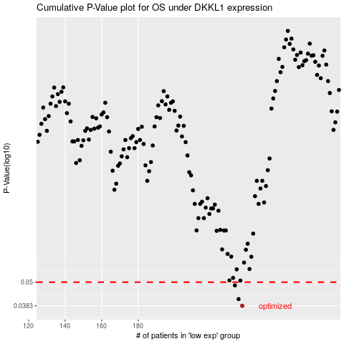

 |  |  |  |  |  | cases_OS | p_OS | rank | exp
 |  |  |  |  |  | 237 | 0.0383 | 205 | -0.22757043484
 |  |  |  |  |  | 235 | 0.0413 | 128 | -0.23386553608
 |  |  |  |  |  | 233 | 0.0482 | 160 | -0.23698770323
 |  |  |  |  |  |  | cases_RFS | p_RFS | rank | exp
 |  |  |  |  |  |  | 236 | 0.0383 | 97 | -0.22948688703
 |  |  |  |  |  |  | 234 | 0.0413 | 108 | -0.23669579329
 |  |  |  |  |  |  | 232 | 0.0482 | 72 | -0.24177248784

