DLEC1 _multivariate
Reported by Tex Li-Hsing Chi. tex@gate.sinica.edu.tw 2019-08-20

Table 2. The clinicopathological features of HNSCC cohort and DLEC1 expression. (Chi square test)
Cutoff at -0.194 (30.4%)
 |  | DLEC1 expression |  | DLEC1 expression |  | (Optimised)
 | Features | Low | (%) | High | (%) | Case no | P-value | Remark | Matthews
Gender | Female | 92 | 22.2 | 214 | 51.6 | 415 | 0.9215 | 0 | 0
2 | Male | 34 | 8.2 | 75 | 18.1
Age at diagnosis | <=65y | 86 | 20.7 | 188 | 45.3 | 415 | 0.6027 | 0 | 0
4 | >65y | 40 | 9.6 | 101 | 24.3
Clinical T Status | T1+T2 | 48 | 11.6 | 101 | 24.3 | 415 | 0.6148 | 0 | 0
6 | T3+T4 | 78 | 18.8 | 188 | 45.3
Clinical N Status | N0 | 63 | 15.2 | 153 | 36.9 | 415 | 0.6566 | 0 | 0
8 | N1-3 | 63 | 15.2 | 136 | 32.8
Clinical M Status | M0 | 125 | 30.1 | 287 | 69.2 | 415 | 1 | 0 | 0
10 | M1 | 1 | 0.2 | 2 | 0.5
Clinical Stage | Stage I+II | 37 | 8.9 | 65 | 15.7 | 415 | 0.1702 | 0 | 0
12 | Stage III+IV | 89 | 21.4 | 224 | 54
Surgical Margin status | Negative | 104 | 25.1 | 214 | 51.6 | 415 | 0.0769 | 0 | 0
14 | Positive | 22 | 5.3 | 75 | 18.1
Tobacco Exposure | Low | 60 | 14.5 | 101 | 24.3 | 415 | 0.0162 | 1 | 0
16 | High | 66 | 15.9 | 188 | 45.3

Table 3. Univariate/Multivariate Cox's proportional hazards regression analyses on OS time of DLEC1 gene expression in HNSCC

 |  | Univariate |  |  |  | Multivariate
 | Features | HR | CI95%(L) | CI95%(H) | P-value | HR | CI95%(L) | CI95%(H) | P-value
1 | Female | 1 |  |  |  | 1
Gender | Male | 1.157 | 0.843 | 1.587 | 0.367 | 1.186 | 0.849 | 1.656 | 0.317
11 | <=65y | 1 |  |  |  | 1
Age at diagnosis | >65y | 1.329 | 0.99 | 1.784 | 0.058 | 1.455 | 1.07 | 1.978 | 0.017
12 | T1+T2 | 1 |  |  |  | 1
Clinical T Status | T3+T4 | 1.409 | 1.028 | 1.931 | 0.033 | 2.187 | 1.155 | 4.139 | 0.016
13 | N0 | 1 |  |  |  | 1
Clinical N Status | N1-3 | 1.185 | 0.89 | 1.577 | 0.246 | 1.154 | 0.807 | 1.652 | 0.433
14 | M0 | 1 |  |  |  | 1
Clinical M Status | M1 | 4.097 | 1.009 | 16.644 | 0.049 | 9.124 | 1.988 | 41.88 | 0.004
15 | Stage I+II | 1 |  |  |  | 1
Clinical Stage | Stage III+IV | 1.245 | 0.882 | 1.759 | 0.213 | 0.554 | 0.257 | 1.193 | 0.132
16 | Negative | 1 |  |  |  | 1
Surgical Margin status | Positive | 1.591 | 1.155 | 2.191 | 0.004 | 1.836 | 1.32 | 2.554 | 0
17 | Low | 1 |  |  |  | 1
Tobacco Exposure | High | 1.364 | 1.008 | 1.844 | 0.044 | 1.558 | 1.127 | 2.155 | 0.007
18 | Low | 1 |  |  |  | 1
RNAseq(z-score) | High | 0.711 | 0.528 | 0.956 | 0.024 | 0.606 | 0.444 | 0.827 | 0.002

Table 4. Univariate/Multivariate Cox's proportional hazards regression analyses on RFS time of DLEC1 gene expression in HNSCC

 |  | Univariate |  |  |  | Multivariate
 | Features | HR | CI95%(L) | CI95%(H) | P-value | HR | CI95%(L) | CI95%(H) | P-value
1 | Female | 1 |  |  |  | 1
Gender | Male | 1.157 | 0.843 | 1.587 | 0.367 | 1.186 | 0.849 | 1.656 | 0.317
11 | <=65y | 1 |  |  |  | 1
Age at diagnosis | >65y | 1.329 | 0.99 | 1.784 | 0.058 | 1.455 | 1.07 | 1.978 | 0.017
12 | T1+T2 | 1 |  |  |  | 1
Clinical T Status | T3+T4 | 1.409 | 1.028 | 1.931 | 0.033 | 2.187 | 1.155 | 4.139 | 0.016
13 | N0 | 1 |  |  |  | 1
Clinical N Status | N1-3 | 1.185 | 0.89 | 1.577 | 0.246 | 1.154 | 0.807 | 1.652 | 0.433
14 | M0 | 1 |  |  |  | 1
Clinical M Status | M1 | 4.097 | 1.009 | 16.644 | 0.049 | 9.124 | 1.988 | 41.88 | 0.004
15 | Stage I+II | 1 |  |  |  | 1
Clinical Stage | Stage III+IV | 1.245 | 0.882 | 1.759 | 0.213 | 0.554 | 0.257 | 1.193 | 0.132
16 | Negative | 1 |  |  |  | 1
Surgical Margin status | Positive | 1.591 | 1.155 | 2.191 | 0.004 | 1.836 | 1.32 | 2.554 | 0
17 | Low | 1 |  |  |  | 1
Tobacco Exposure | High | 1.364 | 1.008 | 1.844 | 0.044 | 1.558 | 1.127 | 2.155 | 0.007
18 | Low | 1 |  |  |  | 1
RNAseq(z-score) | High | 0.711 | 0.528 | 0.956 | 0.024 | 0.606 | 0.444 | 0.827 | 0.002

Kaplan-Meier survival estimate: Cutoff at -0.194 (30.4%)



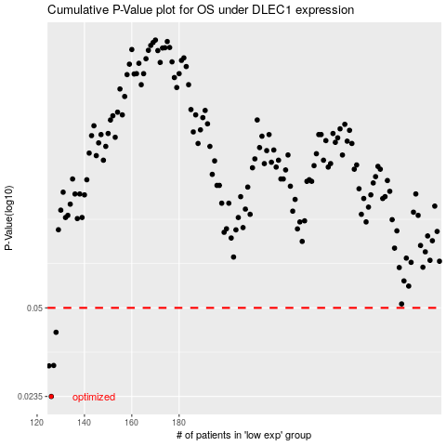

 |  |  |  |  |  | cases_OS | p_OS | rank | exp
 |  |  |  |  |  | 126 | 0.0235 | 128 | -0.19391744301
 |  |  |  |  |  | 125 | 0.0305 | 143 | -0.19416356117
 |  |  |  |  |  | 127 | 0.0306 | 44 | -0.19321211397
 |  |  |  |  |  | 128 | 0.0406 | 271 | -0.19317515693
 |  |  |  |  |  |  | cases_RFS | p_RFS | rank | exp
 |  |  |  |  |  |  | 125 | 0.0235 | 143 | -0.19416356117
 |  |  |  |  |  |  |  | 0.0305 | 196 | -0.19427443229
 |  |  |  |  |  |  | 126 | 0.0306 | 128 | -0.19391744301
 |  |  |  |  |  |  | 127 | 0.0406 | 44 | -0.19321211397

