DLEU2 _multivariate
Reported by Tex Li-Hsing Chi. tex@gate.sinica.edu.tw 2019-08-20

Table 2. The clinicopathological features of HNSCC cohort and DLEU2 expression. (Chi square test)
Cutoff at -0.258 (49.8%)
 |  | DLEU2 expression |  | DLEU2 expression |  | (Optimised)
 | Features | Low | (%) | High | (%) | Case no | P-value | Remark | Matthews
Gender | Female | 147 | 35.4 | 159 | 38.3 | 415 | 0.2523 | 0 | 0
2 | Male | 60 | 14.5 | 49 | 11.8
Age at diagnosis | <=65y | 133 | 32 | 141 | 34 | 415 | 0.5111 | 0 | 0
4 | >65y | 74 | 17.8 | 67 | 16.1
Clinical T Status | T1+T2 | 70 | 16.9 | 79 | 19 | 415 | 0.4343 | 0 | 0
6 | T3+T4 | 137 | 33 | 129 | 31.1
Clinical N Status | N0 | 109 | 26.3 | 107 | 25.8 | 415 | 0.8812 | 0 | 0
8 | N1-3 | 98 | 23.6 | 101 | 24.3
Clinical M Status | M0 | 205 | 49.4 | 207 | 49.9 | 415 | 0.6232 | 0 | 0
10 | M1 | 2 | 0.5 | 1 | 0.2
Clinical Stage | Stage I+II | 46 | 11.1 | 56 | 13.5 | 415 | 0.3182 | 0 | 0
12 | Stage III+IV | 161 | 38.8 | 152 | 36.6
Surgical Margin status | Negative | 162 | 39 | 156 | 37.6 | 415 | 0.4867 | 0 | 0
14 | Positive | 45 | 10.8 | 52 | 12.5
Tobacco Exposure | Low | 84 | 20.2 | 77 | 18.6 | 415 | 0.4816 | 0 | 0
16 | High | 123 | 29.6 | 131 | 31.6

Table 3. Univariate/Multivariate Cox's proportional hazards regression analyses on OS time of DLEU2 gene expression in HNSCC

 |  | Univariate |  |  |  | Multivariate
 | Features | HR | CI95%(L) | CI95%(H) | P-value | HR | CI95%(L) | CI95%(H) | P-value
1 | Female | 1 |  |  |  | 1
Gender | Male | 1.157 | 0.843 | 1.587 | 0.367 | 1.222 | 0.873 | 1.709 | 0.243
11 | <=65y | 1 |  |  |  | 1
Age at diagnosis | >65y | 1.329 | 0.99 | 1.784 | 0.058 | 1.407 | 1.034 | 1.915 | 0.03
12 | T1+T2 | 1 |  |  |  | 1
Clinical T Status | T3+T4 | 1.409 | 1.028 | 1.931 | 0.033 | 2.175 | 1.15 | 4.111 | 0.017
13 | N0 | 1 |  |  |  | 1
Clinical N Status | N1-3 | 1.185 | 0.89 | 1.577 | 0.246 | 1.223 | 0.857 | 1.747 | 0.267
14 | M0 | 1 |  |  |  | 1
Clinical M Status | M1 | 4.097 | 1.009 | 16.644 | 0.049 | 9.806 | 2.135 | 45.046 | 0.003
15 | Stage I+II | 1 |  |  |  | 1
Clinical Stage | Stage III+IV | 1.245 | 0.882 | 1.759 | 0.213 | 0.522 | 0.243 | 1.124 | 0.097
16 | Negative | 1 |  |  |  | 1
Surgical Margin status | Positive | 1.591 | 1.155 | 2.191 | 0.004 | 1.651 | 1.194 | 2.283 | 0.002
17 | Low | 1 |  |  |  | 1
Tobacco Exposure | High | 1.364 | 1.008 | 1.844 | 0.044 | 1.451 | 1.053 | 2.001 | 0.023
18 | Low | 1 |  |  |  | 1
RNAseq(z-score) | High | 1.127 | 0.846 | 1.502 | 0.415 | 1.159 | 0.864 | 1.554 | 0.325

Table 4. Univariate/Multivariate Cox's proportional hazards regression analyses on RFS time of DLEU2 gene expression in HNSCC

 |  | Univariate |  |  |  | Multivariate
 | Features | HR | CI95%(L) | CI95%(H) | P-value | HR | CI95%(L) | CI95%(H) | P-value
1 | Female | 1 |  |  |  | 1
Gender | Male | 1.157 | 0.843 | 1.587 | 0.367 | 1.222 | 0.873 | 1.709 | 0.243
11 | <=65y | 1 |  |  |  | 1
Age at diagnosis | >65y | 1.329 | 0.99 | 1.784 | 0.058 | 1.407 | 1.034 | 1.915 | 0.03
12 | T1+T2 | 1 |  |  |  | 1
Clinical T Status | T3+T4 | 1.409 | 1.028 | 1.931 | 0.033 | 2.175 | 1.15 | 4.111 | 0.017
13 | N0 | 1 |  |  |  | 1
Clinical N Status | N1-3 | 1.185 | 0.89 | 1.577 | 0.246 | 1.223 | 0.857 | 1.747 | 0.267
14 | M0 | 1 |  |  |  | 1
Clinical M Status | M1 | 4.097 | 1.009 | 16.644 | 0.049 | 9.806 | 2.135 | 45.046 | 0.003
15 | Stage I+II | 1 |  |  |  | 1
Clinical Stage | Stage III+IV | 1.245 | 0.882 | 1.759 | 0.213 | 0.522 | 0.243 | 1.124 | 0.097
16 | Negative | 1 |  |  |  | 1
Surgical Margin status | Positive | 1.591 | 1.155 | 2.191 | 0.004 | 1.651 | 1.194 | 2.283 | 0.002
17 | Low | 1 |  |  |  | 1
Tobacco Exposure | High | 1.364 | 1.008 | 1.844 | 0.044 | 1.451 | 1.053 | 2.001 | 0.023
18 | Low | 1 |  |  |  | 1
RNAseq(z-score) | High | 1.127 | 0.846 | 1.502 | 0.415 | 1.159 | 0.864 | 1.554 | 0.325

Kaplan-Meier survival estimate: Cutoff at -0.258 (49.8%)



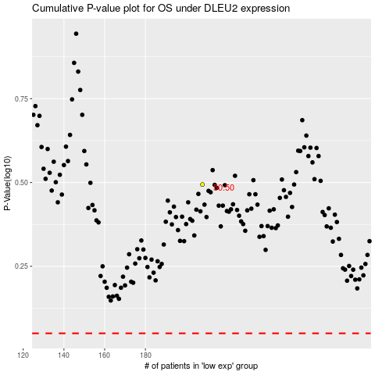

 |  |  |  |  |  | cases_OS | p_OS | rank | exp
 |  |  |  |  |  |  | cases_RFS | p_RFS | rank | exp

