DLG1 _multivariate
Reported by Tex Li-Hsing Chi. tex@gate.sinica.edu.tw 2019-08-20

Table 2. The clinicopathological features of HNSCC cohort and DLG1 expression. (Chi square test)
Cutoff at -0.17 (49.8%)
 |  | DLG1 expression |  | DLG1 expression |  | (Optimised)
 | Features | Low | (%) | High | (%) | Case no | P-value | Remark | Matthews
Gender | Female | 145 | 34.9 | 161 | 38.8 | 415 | 0.1116 | 0 | 0
2 | Male | 62 | 14.9 | 47 | 11.3
Age at diagnosis | <=65y | 133 | 32 | 141 | 34 | 415 | 0.5111 | 0 | 0
4 | >65y | 74 | 17.8 | 67 | 16.1
Clinical T Status | T1+T2 | 74 | 17.8 | 75 | 18.1 | 415 | 1 | 0 | 0
6 | T3+T4 | 133 | 32 | 133 | 32
Clinical N Status | N0 | 101 | 24.3 | 115 | 27.7 | 415 | 0.2201 | 0 | 0
8 | N1-3 | 106 | 25.5 | 93 | 22.4
Clinical M Status | M0 | 206 | 49.6 | 206 | 49.6 | 415 | 1 | 0 | 0
10 | M1 | 1 | 0.2 | 2 | 0.5
Clinical Stage | Stage I+II | 51 | 12.3 | 51 | 12.3 | 415 | 1 | 0 | 0
12 | Stage III+IV | 156 | 37.6 | 157 | 37.8
Surgical Margin status | Negative | 160 | 38.6 | 158 | 38.1 | 415 | 0.8167 | 0 | 0
14 | Positive | 47 | 11.3 | 50 | 12
Tobacco Exposure | Low | 85 | 20.5 | 76 | 18.3 | 415 | 0.3655 | 0 | 0
16 | High | 122 | 29.4 | 132 | 31.8

Table 3. Univariate/Multivariate Cox's proportional hazards regression analyses on OS time of DLG1 gene expression in HNSCC

 |  | Univariate |  |  |  | Multivariate
 | Features | HR | CI95%(L) | CI95%(H) | P-value | HR | CI95%(L) | CI95%(H) | P-value
1 | Female | 1 |  |  |  | 1
Gender | Male | 1.157 | 0.843 | 1.587 | 0.367 | 1.208 | 0.865 | 1.686 | 0.268
11 | <=65y | 1 |  |  |  | 1
Age at diagnosis | >65y | 1.329 | 0.99 | 1.784 | 0.058 | 1.396 | 1.027 | 1.897 | 0.033
12 | T1+T2 | 1 |  |  |  | 1
Clinical T Status | T3+T4 | 1.409 | 1.028 | 1.931 | 0.033 | 2.206 | 1.166 | 4.173 | 0.015
13 | N0 | 1 |  |  |  | 1
Clinical N Status | N1-3 | 1.185 | 0.89 | 1.577 | 0.246 | 1.245 | 0.872 | 1.777 | 0.228
14 | M0 | 1 |  |  |  | 1
Clinical M Status | M1 | 4.097 | 1.009 | 16.644 | 0.049 | 9.363 | 2.042 | 42.925 | 0.004
15 | Stage I+II | 1 |  |  |  | 1
Clinical Stage | Stage III+IV | 1.245 | 0.882 | 1.759 | 0.213 | 0.5 | 0.233 | 1.074 | 0.076
16 | Negative | 1 |  |  |  | 1
Surgical Margin status | Positive | 1.591 | 1.155 | 2.191 | 0.004 | 1.674 | 1.211 | 2.315 | 0.002
17 | Low | 1 |  |  |  | 1
Tobacco Exposure | High | 1.364 | 1.008 | 1.844 | 0.044 | 1.443 | 1.047 | 1.988 | 0.025
18 | Low | 1 |  |  |  | 1
RNAseq(z-score) | High | 1.085 | 0.814 | 1.446 | 0.577 | 1.096 | 0.821 | 1.464 | 0.534

Table 4. Univariate/Multivariate Cox's proportional hazards regression analyses on RFS time of DLG1 gene expression in HNSCC

 |  | Univariate |  |  |  | Multivariate
 | Features | HR | CI95%(L) | CI95%(H) | P-value | HR | CI95%(L) | CI95%(H) | P-value
1 | Female | 1 |  |  |  | 1
Gender | Male | 1.157 | 0.843 | 1.587 | 0.367 | 1.208 | 0.865 | 1.686 | 0.268
11 | <=65y | 1 |  |  |  | 1
Age at diagnosis | >65y | 1.329 | 0.99 | 1.784 | 0.058 | 1.396 | 1.027 | 1.897 | 0.033
12 | T1+T2 | 1 |  |  |  | 1
Clinical T Status | T3+T4 | 1.409 | 1.028 | 1.931 | 0.033 | 2.206 | 1.166 | 4.173 | 0.015
13 | N0 | 1 |  |  |  | 1
Clinical N Status | N1-3 | 1.185 | 0.89 | 1.577 | 0.246 | 1.245 | 0.872 | 1.777 | 0.228
14 | M0 | 1 |  |  |  | 1
Clinical M Status | M1 | 4.097 | 1.009 | 16.644 | 0.049 | 9.363 | 2.042 | 42.925 | 0.004
15 | Stage I+II | 1 |  |  |  | 1
Clinical Stage | Stage III+IV | 1.245 | 0.882 | 1.759 | 0.213 | 0.5 | 0.233 | 1.074 | 0.076
16 | Negative | 1 |  |  |  | 1
Surgical Margin status | Positive | 1.591 | 1.155 | 2.191 | 0.004 | 1.674 | 1.211 | 2.315 | 0.002
17 | Low | 1 |  |  |  | 1
Tobacco Exposure | High | 1.364 | 1.008 | 1.844 | 0.044 | 1.443 | 1.047 | 1.988 | 0.025
18 | Low | 1 |  |  |  | 1
RNAseq(z-score) | High | 1.085 | 0.814 | 1.446 | 0.577 | 1.096 | 0.821 | 1.464 | 0.534

Kaplan-Meier survival estimate: Cutoff at -0.17 (49.8%)



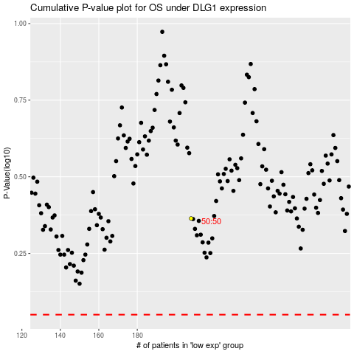

 |  |  |  |  |  | cases_OS | p_OS | rank | exp
 |  |  |  |  |  |  | cases_RFS | p_RFS | rank | exp

