DLG2 _multivariate
Reported by Tex Li-Hsing Chi. tex@gate.sinica.edu.tw 2019-08-20

Table 2. The clinicopathological features of HNSCC cohort and DLG2 expression. (Chi square test)
Cutoff at -0.361 (58.2%)
 |  | DLG2 expression |  | DLG2 expression |  | (Optimised)
 | Features | Low | (%) | High | (%) | Case no | P-value | Remark | Matthews
Gender | Female | 175 | 42.2 | 131 | 31.6 | 415 | 0.6188 | 0 | 0
2 | Male | 66 | 15.9 | 43 | 10.4
Age at diagnosis | <=65y | 149 | 35.9 | 125 | 30.1 | 415 | 0.0434 | 1 | 0
4 | >65y | 92 | 22.2 | 49 | 11.8
Clinical T Status | T1+T2 | 67 | 16.1 | 82 | 19.8 | 415 | 1e-04 | 1 | 0
6 | T3+T4 | 174 | 41.9 | 92 | 22.2
Clinical N Status | N0 | 125 | 30.1 | 91 | 21.9 | 415 | 1 | 0 | 0
8 | N1-3 | 116 | 28 | 83 | 20
Clinical M Status | M0 | 238 | 57.3 | 174 | 41.9 | 415 | 0.2678 | 0 | 0
10 | M1 | 3 | 0.7 | 0 | 0
Clinical Stage | Stage I+II | 50 | 12 | 52 | 12.5 | 415 | 0.0436 | 1 | 0
12 | Stage III+IV | 191 | 46 | 122 | 29.4
Surgical Margin status | Negative | 184 | 44.3 | 134 | 32.3 | 415 | 0.9068 | 0 | 0
14 | Positive | 57 | 13.7 | 40 | 9.6
Tobacco Exposure | Low | 98 | 23.6 | 63 | 15.2 | 415 | 0.4142 | 0 | 0
16 | High | 143 | 34.5 | 111 | 26.7

Table 3. Univariate/Multivariate Cox's proportional hazards regression analyses on OS time of DLG2 gene expression in HNSCC

 |  | Univariate |  |  |  | Multivariate
 | Features | HR | CI95%(L) | CI95%(H) | P-value | HR | CI95%(L) | CI95%(H) | P-value
1 | Female | 1 |  |  |  | 1
Gender | Male | 1.157 | 0.843 | 1.587 | 0.367 | 1.21 | 0.865 | 1.693 | 0.265
11 | <=65y | 1 |  |  |  | 1
Age at diagnosis | >65y | 1.329 | 0.99 | 1.784 | 0.058 | 1.359 | 0.997 | 1.853 | 0.052
12 | T1+T2 | 1 |  |  |  | 1
Clinical T Status | T3+T4 | 1.409 | 1.028 | 1.931 | 0.033 | 2.064 | 1.084 | 3.931 | 0.027
13 | N0 | 1 |  |  |  | 1
Clinical N Status | N1-3 | 1.185 | 0.89 | 1.577 | 0.246 | 1.225 | 0.858 | 1.75 | 0.264
14 | M0 | 1 |  |  |  | 1
Clinical M Status | M1 | 4.097 | 1.009 | 16.644 | 0.049 | 8.297 | 1.79 | 38.446 | 0.007
15 | Stage I+II | 1 |  |  |  | 1
Clinical Stage | Stage III+IV | 1.245 | 0.882 | 1.759 | 0.213 | 0.523 | 0.243 | 1.124 | 0.097
16 | Negative | 1 |  |  |  | 1
Surgical Margin status | Positive | 1.591 | 1.155 | 2.191 | 0.004 | 1.671 | 1.209 | 2.309 | 0.002
17 | Low | 1 |  |  |  | 1
Tobacco Exposure | High | 1.364 | 1.008 | 1.844 | 0.044 | 1.479 | 1.071 | 2.044 | 0.018
18 | Low | 1 |  |  |  | 1
RNAseq(z-score) | High | 0.745 | 0.555 | 1.001 | 0.051 | 0.817 | 0.602 | 1.109 | 0.195

Table 4. Univariate/Multivariate Cox's proportional hazards regression analyses on RFS time of DLG2 gene expression in HNSCC

 |  | Univariate |  |  |  | Multivariate
 | Features | HR | CI95%(L) | CI95%(H) | P-value | HR | CI95%(L) | CI95%(H) | P-value
1 | Female | 1 |  |  |  | 1
Gender | Male | 1.157 | 0.843 | 1.587 | 0.367 | 1.21 | 0.865 | 1.693 | 0.265
11 | <=65y | 1 |  |  |  | 1
Age at diagnosis | >65y | 1.329 | 0.99 | 1.784 | 0.058 | 1.359 | 0.997 | 1.853 | 0.052
12 | T1+T2 | 1 |  |  |  | 1
Clinical T Status | T3+T4 | 1.409 | 1.028 | 1.931 | 0.033 | 2.064 | 1.084 | 3.931 | 0.027
13 | N0 | 1 |  |  |  | 1
Clinical N Status | N1-3 | 1.185 | 0.89 | 1.577 | 0.246 | 1.225 | 0.858 | 1.75 | 0.264
14 | M0 | 1 |  |  |  | 1
Clinical M Status | M1 | 4.097 | 1.009 | 16.644 | 0.049 | 8.297 | 1.79 | 38.446 | 0.007
15 | Stage I+II | 1 |  |  |  | 1
Clinical Stage | Stage III+IV | 1.245 | 0.882 | 1.759 | 0.213 | 0.523 | 0.243 | 1.124 | 0.097
16 | Negative | 1 |  |  |  | 1
Surgical Margin status | Positive | 1.591 | 1.155 | 2.191 | 0.004 | 1.671 | 1.209 | 2.309 | 0.002
17 | Low | 1 |  |  |  | 1
Tobacco Exposure | High | 1.364 | 1.008 | 1.844 | 0.044 | 1.479 | 1.071 | 2.044 | 0.018
18 | Low | 1 |  |  |  | 1
RNAseq(z-score) | High | 0.745 | 0.555 | 1.001 | 0.051 | 0.817 | 0.602 | 1.109 | 0.195

Kaplan-Meier survival estimate: Cutoff at -0.361 (58.2%)

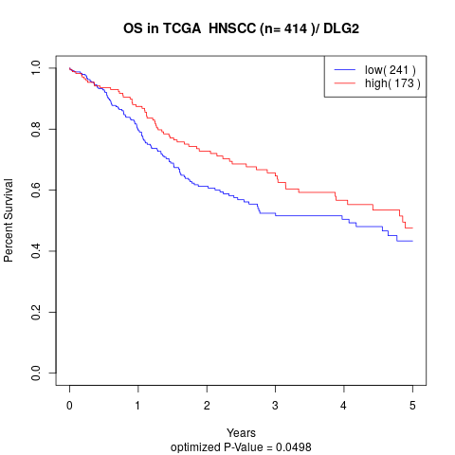

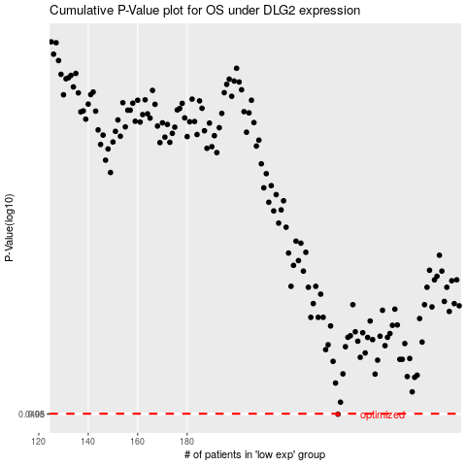

 |  |  |  |  |  | cases_OS | p_OS | rank | exp
 |  |  |  |  |  | 241 | 0.0498 | 147 | -0.36105377194
 |  |  |  |  |  |  | cases_RFS | p_RFS | rank | exp
 |  |  |  |  |  |  | 240 | 0.0498 | 117 | -0.36154943403

