DLG3 _multivariate
Reported by Tex Li-Hsing Chi. tex@gate.sinica.edu.tw 2019-08-20

Table 2. The clinicopathological features of HNSCC cohort and DLG3 expression. (Chi square test)
Cutoff at -0.07 (65.2%)
 |  | DLG3 expression |  | DLG3 expression |  | (Optimised)
 | Features | Low | (%) | High | (%) | Case no | P-value | Remark | Matthews
Gender | Female | 193 | 46.5 | 113 | 27.2 | 415 | 0.1385 | 0 | 0
2 | Male | 78 | 18.8 | 31 | 7.5
Age at diagnosis | <=65y | 178 | 42.9 | 96 | 23.1 | 415 | 0.9262 | 0 | 0
4 | >65y | 93 | 22.4 | 48 | 11.6
Clinical T Status | T1+T2 | 94 | 22.7 | 55 | 13.3 | 415 | 0.5474 | 0 | 0
6 | T3+T4 | 177 | 42.7 | 89 | 21.4
Clinical N Status | N0 | 145 | 34.9 | 71 | 17.1 | 415 | 0.4764 | 0 | 0
8 | N1-3 | 126 | 30.4 | 73 | 17.6
Clinical M Status | M0 | 268 | 64.6 | 144 | 34.7 | 415 | 0.5545 | 0 | 0
10 | M1 | 3 | 0.7 | 0 | 0
Clinical Stage | Stage I+II | 74 | 17.8 | 28 | 6.7 | 415 | 0.0988 | 0 | 0
12 | Stage III+IV | 197 | 47.5 | 116 | 28
Surgical Margin status | Negative | 217 | 52.3 | 101 | 24.3 | 415 | 0.0281 | 1 | 0
14 | Positive | 54 | 13 | 43 | 10.4
Tobacco Exposure | Low | 111 | 26.7 | 50 | 12 | 415 | 0.2446 | 0 | 0
16 | High | 160 | 38.6 | 94 | 22.7

Table 3. Univariate/Multivariate Cox's proportional hazards regression analyses on OS time of DLG3 gene expression in HNSCC

 |  | Univariate |  |  |  | Multivariate
 | Features | HR | CI95%(L) | CI95%(H) | P-value | HR | CI95%(L) | CI95%(H) | P-value
1 | Female | 1 |  |  |  | 1
Gender | Male | 1.157 | 0.843 | 1.587 | 0.367 | 1.161 | 0.829 | 1.625 | 0.386
11 | <=65y | 1 |  |  |  | 1
Age at diagnosis | >65y | 1.329 | 0.99 | 1.784 | 0.058 | 1.409 | 1.036 | 1.916 | 0.029
12 | T1+T2 | 1 |  |  |  | 1
Clinical T Status | T3+T4 | 1.409 | 1.028 | 1.931 | 0.033 | 1.939 | 1.017 | 3.696 | 0.044
13 | N0 | 1 |  |  |  | 1
Clinical N Status | N1-3 | 1.185 | 0.89 | 1.577 | 0.246 | 1.216 | 0.852 | 1.733 | 0.281
14 | M0 | 1 |  |  |  | 1
Clinical M Status | M1 | 4.097 | 1.009 | 16.644 | 0.049 | 7.386 | 1.594 | 34.233 | 0.011
15 | Stage I+II | 1 |  |  |  | 1
Clinical Stage | Stage III+IV | 1.245 | 0.882 | 1.759 | 0.213 | 0.597 | 0.275 | 1.297 | 0.192
16 | Negative | 1 |  |  |  | 1
Surgical Margin status | Positive | 1.591 | 1.155 | 2.191 | 0.004 | 1.73 | 1.252 | 2.391 | 0.001
17 | Low | 1 |  |  |  | 1
Tobacco Exposure | High | 1.364 | 1.008 | 1.844 | 0.044 | 1.486 | 1.076 | 2.051 | 0.016
18 | Low | 1 |  |  |  | 1
RNAseq(z-score) | High | 0.686 | 0.497 | 0.948 | 0.022 | 0.674 | 0.483 | 0.941 | 0.021

Table 4. Univariate/Multivariate Cox's proportional hazards regression analyses on RFS time of DLG3 gene expression in HNSCC

 |  | Univariate |  |  |  | Multivariate
 | Features | HR | CI95%(L) | CI95%(H) | P-value | HR | CI95%(L) | CI95%(H) | P-value
1 | Female | 1 |  |  |  | 1
Gender | Male | 1.157 | 0.843 | 1.587 | 0.367 | 1.161 | 0.829 | 1.625 | 0.386
11 | <=65y | 1 |  |  |  | 1
Age at diagnosis | >65y | 1.329 | 0.99 | 1.784 | 0.058 | 1.409 | 1.036 | 1.916 | 0.029
12 | T1+T2 | 1 |  |  |  | 1
Clinical T Status | T3+T4 | 1.409 | 1.028 | 1.931 | 0.033 | 1.939 | 1.017 | 3.696 | 0.044
13 | N0 | 1 |  |  |  | 1
Clinical N Status | N1-3 | 1.185 | 0.89 | 1.577 | 0.246 | 1.216 | 0.852 | 1.733 | 0.281
14 | M0 | 1 |  |  |  | 1
Clinical M Status | M1 | 4.097 | 1.009 | 16.644 | 0.049 | 7.386 | 1.594 | 34.233 | 0.011
15 | Stage I+II | 1 |  |  |  | 1
Clinical Stage | Stage III+IV | 1.245 | 0.882 | 1.759 | 0.213 | 0.597 | 0.275 | 1.297 | 0.192
16 | Negative | 1 |  |  |  | 1
Surgical Margin status | Positive | 1.591 | 1.155 | 2.191 | 0.004 | 1.73 | 1.252 | 2.391 | 0.001
17 | Low | 1 |  |  |  | 1
Tobacco Exposure | High | 1.364 | 1.008 | 1.844 | 0.044 | 1.486 | 1.076 | 2.051 | 0.016
18 | Low | 1 |  |  |  | 1
RNAseq(z-score) | High | 0.686 | 0.497 | 0.948 | 0.022 | 0.674 | 0.483 | 0.941 | 0.021

Kaplan-Meier survival estimate: Cutoff at -0.07 (65.2%)

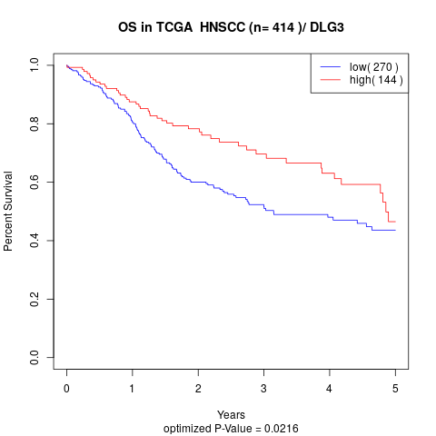

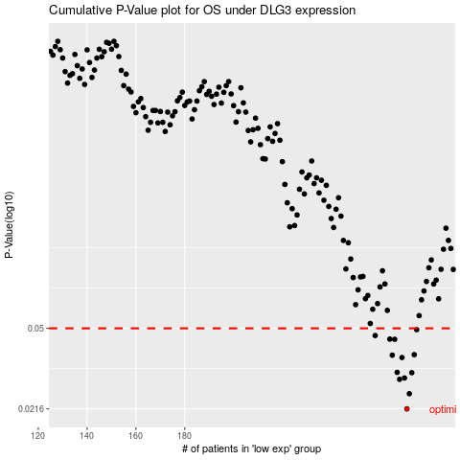

 |  |  |  |  |  | cases_OS | p_OS | rank | exp
 |  |  |  |  |  | 271 | 0.0216 | 5 | -0.070276470549
 |  |  |  |  |  | 272 | 0.0253 | 84 | -0.066406346946
 |  |  |  |  |  | 268 | 0.0294 | 60 | -0.072749595016
 |  |  |  |  |  | 270 | 0.0298 | 62 | -0.070286019292
 |  |  |  |  |  | 273 | 0.0315 | 392 | -0.054558338552
 |  |  |  |  |  | 267 | 0.0316 | 218 | -0.073762842777
 |  |  |  |  |  | 269 | 0.0369 | 56 | -0.070378804249
 |  |  |  |  |  | 265 | 0.0378 | 18 | -0.08955051845
 |  |  |  |  |  | 274 | 0.038 | 45 | -0.053659315379
 |  |  |  |  |  | 266 | 0.0446 | 276 | -0.079179322269
 |  |  |  |  |  | 264 | 0.0447 | 153 | -0.089597001011
 |  |  |  |  |  | 258 | 0.0464 | 131 | -0.12277744203
 |  |  |  |  |  | 275 | 0.0493 | 311 | -0.049785408312
 |  |  |  |  |  |  | cases_RFS | p_RFS | rank | exp
 |  |  |  |  |  |  | 270 | 0.0216 | 62 | -0.070286019292
 |  |  |  |  |  |  | 271 | 0.0253 | 5 | -0.070276470549
 |  |  |  |  |  |  | 267 | 0.0294 | 218 | -0.073762842777
 |  |  |  |  |  |  | 269 | 0.0298 | 56 | -0.070378804249
 |  |  |  |  |  |  | 272 | 0.0315 | 84 | -0.066406346946
 |  |  |  |  |  |  | 266 | 0.0316 | 276 | -0.079179322269
 |  |  |  |  |  |  | 268 | 0.0369 | 60 | -0.072749595016
 |  |  |  |  |  |  | 264 | 0.0378 | 153 | -0.089597001011
 |  |  |  |  |  |  | 273 | 0.038 | 392 | -0.054558338552
 |  |  |  |  |  |  | 265 | 0.0446 | 18 | -0.08955051845
 |  |  |  |  |  |  | 263 | 0.0447 | 355 | -0.10122394699
 |  |  |  |  |  |  | 257 | 0.0464 | 58 | -0.12423443609
 |  |  |  |  |  |  | 274 | 0.0493 | 45 | -0.053659315379

