DLG4 _multivariate
Reported by Tex Li-Hsing Chi. tex@gate.sinica.edu.tw 2019-08-20

Table 2. The clinicopathological features of HNSCC cohort and DLG4 expression. (Chi square test)
Cutoff at -0.289 (49.8%)
 |  | DLG4 expression |  | DLG4 expression |  | (Optimised)
 | Features | Low | (%) | High | (%) | Case no | P-value | Remark | Matthews
Gender | Female | 149 | 35.9 | 157 | 37.8 | 415 | 0.4848 | 0 | 0
2 | Male | 58 | 14 | 51 | 12.3
Age at diagnosis | <=65y | 142 | 34.2 | 132 | 31.8 | 415 | 0.3167 | 0 | 0
4 | >65y | 65 | 15.7 | 76 | 18.3
Clinical T Status | T1+T2 | 82 | 19.8 | 67 | 16.1 | 415 | 0.1417 | 0 | 0
6 | T3+T4 | 125 | 30.1 | 141 | 34
Clinical N Status | N0 | 112 | 27 | 104 | 25.1 | 415 | 0.4599 | 0 | 0
8 | N1-3 | 95 | 22.9 | 104 | 25.1
Clinical M Status | M0 | 204 | 49.2 | 208 | 50.1 | 415 | 0.1232 | 0 | 0
10 | M1 | 3 | 0.7 | 0 | 0
Clinical Stage | Stage I+II | 54 | 13 | 48 | 11.6 | 415 | 0.5498 | 0 | 0
12 | Stage III+IV | 153 | 36.9 | 160 | 38.6
Surgical Margin status | Negative | 166 | 40 | 152 | 36.6 | 415 | 0.1042 | 0 | 0
14 | Positive | 41 | 9.9 | 56 | 13.5
Tobacco Exposure | Low | 86 | 20.7 | 75 | 18.1 | 415 | 0.2687 | 0 | 0
16 | High | 121 | 29.2 | 133 | 32

Table 3. Univariate/Multivariate Cox's proportional hazards regression analyses on OS time of DLG4 gene expression in HNSCC

 |  | Univariate |  |  |  | Multivariate
 | Features | HR | CI95%(L) | CI95%(H) | P-value | HR | CI95%(L) | CI95%(H) | P-value
1 | Female | 1 |  |  |  | 1
Gender | Male | 1.157 | 0.843 | 1.587 | 0.367 | 1.214 | 0.868 | 1.697 | 0.257
11 | <=65y | 1 |  |  |  | 1
Age at diagnosis | >65y | 1.329 | 0.99 | 1.784 | 0.058 | 1.382 | 1.016 | 1.88 | 0.039
12 | T1+T2 | 1 |  |  |  | 1
Clinical T Status | T3+T4 | 1.409 | 1.028 | 1.931 | 0.033 | 2.165 | 1.144 | 4.097 | 0.018
13 | N0 | 1 |  |  |  | 1
Clinical N Status | N1-3 | 1.185 | 0.89 | 1.577 | 0.246 | 1.227 | 0.86 | 1.753 | 0.26
14 | M0 | 1 |  |  |  | 1
Clinical M Status | M1 | 4.097 | 1.009 | 16.644 | 0.049 | 9.98 | 2.164 | 46.033 | 0.003
15 | Stage I+II | 1 |  |  |  | 1
Clinical Stage | Stage III+IV | 1.245 | 0.882 | 1.759 | 0.213 | 0.512 | 0.239 | 1.101 | 0.087
16 | Negative | 1 |  |  |  | 1
Surgical Margin status | Positive | 1.591 | 1.155 | 2.191 | 0.004 | 1.66 | 1.201 | 2.295 | 0.002
17 | Low | 1 |  |  |  | 1
Tobacco Exposure | High | 1.364 | 1.008 | 1.844 | 0.044 | 1.454 | 1.055 | 2.003 | 0.022
18 | Low | 1 |  |  |  | 1
RNAseq(z-score) | High | 1.168 | 0.877 | 1.557 | 0.289 | 1.138 | 0.85 | 1.525 | 0.385

Table 4. Univariate/Multivariate Cox's proportional hazards regression analyses on RFS time of DLG4 gene expression in HNSCC

 |  | Univariate |  |  |  | Multivariate
 | Features | HR | CI95%(L) | CI95%(H) | P-value | HR | CI95%(L) | CI95%(H) | P-value
1 | Female | 1 |  |  |  | 1
Gender | Male | 1.157 | 0.843 | 1.587 | 0.367 | 1.214 | 0.868 | 1.697 | 0.257
11 | <=65y | 1 |  |  |  | 1
Age at diagnosis | >65y | 1.329 | 0.99 | 1.784 | 0.058 | 1.382 | 1.016 | 1.88 | 0.039
12 | T1+T2 | 1 |  |  |  | 1
Clinical T Status | T3+T4 | 1.409 | 1.028 | 1.931 | 0.033 | 2.165 | 1.144 | 4.097 | 0.018
13 | N0 | 1 |  |  |  | 1
Clinical N Status | N1-3 | 1.185 | 0.89 | 1.577 | 0.246 | 1.227 | 0.86 | 1.753 | 0.26
14 | M0 | 1 |  |  |  | 1
Clinical M Status | M1 | 4.097 | 1.009 | 16.644 | 0.049 | 9.98 | 2.164 | 46.033 | 0.003
15 | Stage I+II | 1 |  |  |  | 1
Clinical Stage | Stage III+IV | 1.245 | 0.882 | 1.759 | 0.213 | 0.512 | 0.239 | 1.101 | 0.087
16 | Negative | 1 |  |  |  | 1
Surgical Margin status | Positive | 1.591 | 1.155 | 2.191 | 0.004 | 1.66 | 1.201 | 2.295 | 0.002
17 | Low | 1 |  |  |  | 1
Tobacco Exposure | High | 1.364 | 1.008 | 1.844 | 0.044 | 1.454 | 1.055 | 2.003 | 0.022
18 | Low | 1 |  |  |  | 1
RNAseq(z-score) | High | 1.168 | 0.877 | 1.557 | 0.289 | 1.138 | 0.85 | 1.525 | 0.385

Kaplan-Meier survival estimate: Cutoff at -0.289 (49.8%)



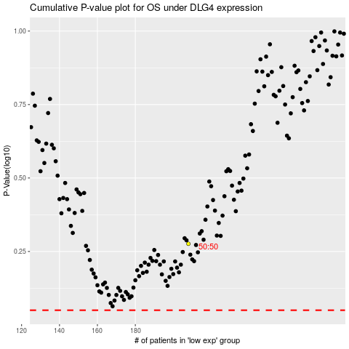

 |  |  |  |  |  | cases_OS | p_OS | rank | exp
 |  |  |  |  |  |  | cases_RFS | p_RFS | rank | exp

