DLG5 _multivariate
Reported by Tex Li-Hsing Chi. tex@gate.sinica.edu.tw 2019-08-20

Table 2. The clinicopathological features of HNSCC cohort and DLG5 expression. (Chi square test)
Cutoff at -0.12 (49.8%)
 |  | DLG5 expression |  | DLG5 expression |  | (Optimised)
 | Features | Low | (%) | High | (%) | Case no | P-value | Remark | Matthews
Gender | Female | 150 | 36.1 | 156 | 37.6 | 415 | 0.6344 | 0 | 0
2 | Male | 57 | 13.7 | 52 | 12.5
Age at diagnosis | <=65y | 136 | 32.8 | 138 | 33.3 | 415 | 0.9719 | 0 | 0
4 | >65y | 71 | 17.1 | 70 | 16.9
Clinical T Status | T1+T2 | 72 | 17.3 | 77 | 18.6 | 415 | 0.7095 | 0 | 0
6 | T3+T4 | 135 | 32.5 | 131 | 31.6
Clinical N Status | N0 | 109 | 26.3 | 107 | 25.8 | 415 | 0.8812 | 0 | 0
8 | N1-3 | 98 | 23.6 | 101 | 24.3
Clinical M Status | M0 | 204 | 49.2 | 208 | 50.1 | 415 | 0.1232 | 0 | 0
10 | M1 | 3 | 0.7 | 0 | 0
Clinical Stage | Stage I+II | 49 | 11.8 | 53 | 12.8 | 415 | 0.7535 | 0 | 0
12 | Stage III+IV | 158 | 38.1 | 155 | 37.3
Surgical Margin status | Negative | 154 | 37.1 | 164 | 39.5 | 415 | 0.2984 | 0 | 0
14 | Positive | 53 | 12.8 | 44 | 10.6
Tobacco Exposure | Low | 80 | 19.3 | 81 | 19.5 | 415 | 1 | 0 | 0
16 | High | 127 | 30.6 | 127 | 30.6

Table 3. Univariate/Multivariate Cox's proportional hazards regression analyses on OS time of DLG5 gene expression in HNSCC

 |  | Univariate |  |  |  | Multivariate
 | Features | HR | CI95%(L) | CI95%(H) | P-value | HR | CI95%(L) | CI95%(H) | P-value
1 | Female | 1 |  |  |  | 1
Gender | Male | 1.157 | 0.843 | 1.587 | 0.367 | 1.181 | 0.844 | 1.653 | 0.333
11 | <=65y | 1 |  |  |  | 1
Age at diagnosis | >65y | 1.329 | 0.99 | 1.784 | 0.058 | 1.392 | 1.025 | 1.89 | 0.034
12 | T1+T2 | 1 |  |  |  | 1
Clinical T Status | T3+T4 | 1.409 | 1.028 | 1.931 | 0.033 | 2.178 | 1.152 | 4.118 | 0.017
13 | N0 | 1 |  |  |  | 1
Clinical N Status | N1-3 | 1.185 | 0.89 | 1.577 | 0.246 | 1.245 | 0.873 | 1.776 | 0.227
14 | M0 | 1 |  |  |  | 1
Clinical M Status | M1 | 4.097 | 1.009 | 16.644 | 0.049 | 8.497 | 1.838 | 39.274 | 0.006
15 | Stage I+II | 1 |  |  |  | 1
Clinical Stage | Stage III+IV | 1.245 | 0.882 | 1.759 | 0.213 | 0.51 | 0.238 | 1.094 | 0.084
16 | Negative | 1 |  |  |  | 1
Surgical Margin status | Positive | 1.591 | 1.155 | 2.191 | 0.004 | 1.638 | 1.184 | 2.267 | 0.003
17 | Low | 1 |  |  |  | 1
Tobacco Exposure | High | 1.364 | 1.008 | 1.844 | 0.044 | 1.452 | 1.054 | 2 | 0.022
18 | Low | 1 |  |  |  | 1
RNAseq(z-score) | High | 0.798 | 0.599 | 1.063 | 0.124 | 0.841 | 0.628 | 1.126 | 0.244

Table 4. Univariate/Multivariate Cox's proportional hazards regression analyses on RFS time of DLG5 gene expression in HNSCC

 |  | Univariate |  |  |  | Multivariate
 | Features | HR | CI95%(L) | CI95%(H) | P-value | HR | CI95%(L) | CI95%(H) | P-value
1 | Female | 1 |  |  |  | 1
Gender | Male | 1.157 | 0.843 | 1.587 | 0.367 | 1.181 | 0.844 | 1.653 | 0.333
11 | <=65y | 1 |  |  |  | 1
Age at diagnosis | >65y | 1.329 | 0.99 | 1.784 | 0.058 | 1.392 | 1.025 | 1.89 | 0.034
12 | T1+T2 | 1 |  |  |  | 1
Clinical T Status | T3+T4 | 1.409 | 1.028 | 1.931 | 0.033 | 2.178 | 1.152 | 4.118 | 0.017
13 | N0 | 1 |  |  |  | 1
Clinical N Status | N1-3 | 1.185 | 0.89 | 1.577 | 0.246 | 1.245 | 0.873 | 1.776 | 0.227
14 | M0 | 1 |  |  |  | 1
Clinical M Status | M1 | 4.097 | 1.009 | 16.644 | 0.049 | 8.497 | 1.838 | 39.274 | 0.006
15 | Stage I+II | 1 |  |  |  | 1
Clinical Stage | Stage III+IV | 1.245 | 0.882 | 1.759 | 0.213 | 0.51 | 0.238 | 1.094 | 0.084
16 | Negative | 1 |  |  |  | 1
Surgical Margin status | Positive | 1.591 | 1.155 | 2.191 | 0.004 | 1.638 | 1.184 | 2.267 | 0.003
17 | Low | 1 |  |  |  | 1
Tobacco Exposure | High | 1.364 | 1.008 | 1.844 | 0.044 | 1.452 | 1.054 | 2 | 0.022
18 | Low | 1 |  |  |  | 1
RNAseq(z-score) | High | 0.798 | 0.599 | 1.063 | 0.124 | 0.841 | 0.628 | 1.126 | 0.244

Kaplan-Meier survival estimate: Cutoff at -0.12 (49.8%)



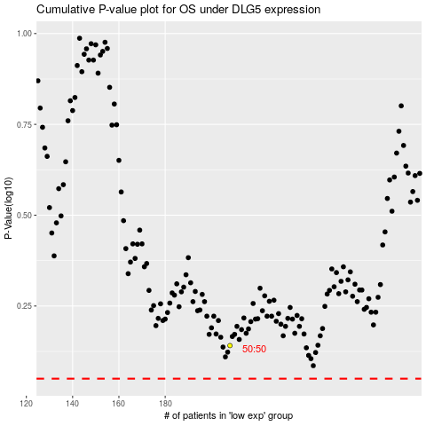

 |  |  |  |  |  | cases_OS | p_OS | rank | exp
 |  |  |  |  |  |  | cases_RFS | p_RFS | rank | exp

