DLGAP5 _multivariate
Reported by Tex Li-Hsing Chi. tex@gate.sinica.edu.tw 2019-08-20

Table 2. The clinicopathological features of HNSCC cohort and DLGAP5 expression. (Chi square test)
Cutoff at -0.53 (30.2%)
 |  | DLGAP5 expression |  | DLGAP5 expression |  | (Optimised)
 | Features | Low | (%) | High | (%) | Case no | P-value | Remark | Matthews
Gender | Female | 93 | 22.4 | 213 | 51.3 | 415 | 1 | 0 | 0
2 | Male | 33 | 8 | 76 | 18.3
Age at diagnosis | <=65y | 87 | 21 | 187 | 45.1 | 415 | 0.4557 | 0 | 0
4 | >65y | 39 | 9.4 | 102 | 24.6
Clinical T Status | T1+T2 | 46 | 11.1 | 103 | 24.8 | 415 | 0.9536 | 0 | 0
6 | T3+T4 | 80 | 19.3 | 186 | 44.8
Clinical N Status | N0 | 68 | 16.4 | 148 | 35.7 | 415 | 0.6817 | 0 | 0
8 | N1-3 | 58 | 14 | 141 | 34
Clinical M Status | M0 | 126 | 30.4 | 286 | 68.9 | 415 | 0.5566 | 0 | 0
10 | M1 | 0 | 0 | 3 | 0.7
Clinical Stage | Stage I+II | 31 | 7.5 | 71 | 17.1 | 415 | 1 | 0 | 0
12 | Stage III+IV | 95 | 22.9 | 218 | 52.5
Surgical Margin status | Negative | 101 | 24.3 | 217 | 52.3 | 415 | 0.3131 | 0 | 0
14 | Positive | 25 | 6 | 72 | 17.3
Tobacco Exposure | Low | 57 | 13.7 | 104 | 25.1 | 415 | 0.0805 | 0 | 0
16 | High | 69 | 16.6 | 185 | 44.6

Table 3. Univariate/Multivariate Cox's proportional hazards regression analyses on OS time of DLGAP5 gene expression in HNSCC

 |  | Univariate |  |  |  | Multivariate
 | Features | HR | CI95%(L) | CI95%(H) | P-value | HR | CI95%(L) | CI95%(H) | P-value
1 | Female | 1 |  |  |  | 1
Gender | Male | 1.157 | 0.843 | 1.587 | 0.367 | 1.19 | 0.851 | 1.665 | 0.31
11 | <=65y | 1 |  |  |  | 1
Age at diagnosis | >65y | 1.329 | 0.99 | 1.784 | 0.058 | 1.366 | 1.004 | 1.858 | 0.047
12 | T1+T2 | 1 |  |  |  | 1
Clinical T Status | T3+T4 | 1.409 | 1.028 | 1.931 | 0.033 | 2.205 | 1.165 | 4.172 | 0.015
13 | N0 | 1 |  |  |  | 1
Clinical N Status | N1-3 | 1.185 | 0.89 | 1.577 | 0.246 | 1.235 | 0.865 | 1.761 | 0.245
14 | M0 | 1 |  |  |  | 1
Clinical M Status | M1 | 4.097 | 1.009 | 16.644 | 0.049 | 8.732 | 1.899 | 40.159 | 0.005
15 | Stage I+II | 1 |  |  |  | 1
Clinical Stage | Stage III+IV | 1.245 | 0.882 | 1.759 | 0.213 | 0.508 | 0.237 | 1.093 | 0.083
16 | Negative | 1 |  |  |  | 1
Surgical Margin status | Positive | 1.591 | 1.155 | 2.191 | 0.004 | 1.659 | 1.2 | 2.294 | 0.002
17 | Low | 1 |  |  |  | 1
Tobacco Exposure | High | 1.364 | 1.008 | 1.844 | 0.044 | 1.411 | 1.022 | 1.95 | 0.037
18 | Low | 1 |  |  |  | 1
RNAseq(z-score) | High | 1.408 | 1.018 | 1.947 | 0.039 | 1.277 | 0.92 | 1.773 | 0.143

Table 4. Univariate/Multivariate Cox's proportional hazards regression analyses on RFS time of DLGAP5 gene expression in HNSCC

 |  | Univariate |  |  |  | Multivariate
 | Features | HR | CI95%(L) | CI95%(H) | P-value | HR | CI95%(L) | CI95%(H) | P-value
1 | Female | 1 |  |  |  | 1
Gender | Male | 1.157 | 0.843 | 1.587 | 0.367 | 1.19 | 0.851 | 1.665 | 0.31
11 | <=65y | 1 |  |  |  | 1
Age at diagnosis | >65y | 1.329 | 0.99 | 1.784 | 0.058 | 1.366 | 1.004 | 1.858 | 0.047
12 | T1+T2 | 1 |  |  |  | 1
Clinical T Status | T3+T4 | 1.409 | 1.028 | 1.931 | 0.033 | 2.205 | 1.165 | 4.172 | 0.015
13 | N0 | 1 |  |  |  | 1
Clinical N Status | N1-3 | 1.185 | 0.89 | 1.577 | 0.246 | 1.235 | 0.865 | 1.761 | 0.245
14 | M0 | 1 |  |  |  | 1
Clinical M Status | M1 | 4.097 | 1.009 | 16.644 | 0.049 | 8.732 | 1.899 | 40.159 | 0.005
15 | Stage I+II | 1 |  |  |  | 1
Clinical Stage | Stage III+IV | 1.245 | 0.882 | 1.759 | 0.213 | 0.508 | 0.237 | 1.093 | 0.083
16 | Negative | 1 |  |  |  | 1
Surgical Margin status | Positive | 1.591 | 1.155 | 2.191 | 0.004 | 1.659 | 1.2 | 2.294 | 0.002
17 | Low | 1 |  |  |  | 1
Tobacco Exposure | High | 1.364 | 1.008 | 1.844 | 0.044 | 1.411 | 1.022 | 1.95 | 0.037
18 | Low | 1 |  |  |  | 1
RNAseq(z-score) | High | 1.408 | 1.018 | 1.947 | 0.039 | 1.277 | 0.92 | 1.773 | 0.143

Kaplan-Meier survival estimate: Cutoff at -0.53 (30.2%)



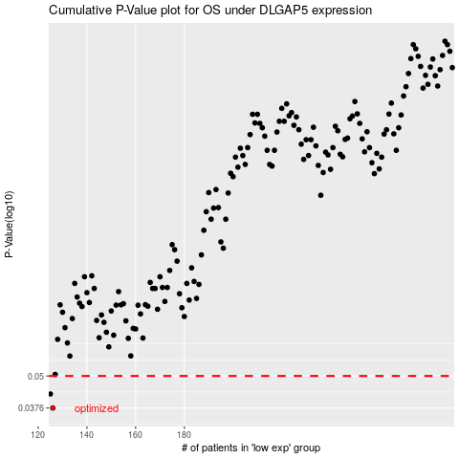

 |  |  |  |  |  | cases_OS | p_OS | rank | exp
 |  |  |  |  |  | 126 | 0.0376 | 138 | -0.5302250261
 |  |  |  |  |  | 125 | 0.0426 | 351 | -0.53628566314
 |  |  |  |  |  |  | cases_RFS | p_RFS | rank | exp
 |  |  |  |  |  |  | 125 | 0.0376 | 351 | -0.53628566314
 |  |  |  |  |  |  |  | 0.0426 | 99 | -0.54733676738

