DLL1 _multivariate
Reported by Tex Li-Hsing Chi. tex@gate.sinica.edu.tw 2019-08-20

Table 2. The clinicopathological features of HNSCC cohort and DLL1 expression. (Chi square test)
Cutoff at -0.11 (55.1%)
 |  | DLL1 expression |  | DLL1 expression |  | (Optimised)
 | Features | Low | (%) | High | (%) | Case no | P-value | Remark | Matthews
Gender | Female | 165 | 39.8 | 141 | 34 | 415 | 0.5576 | 0 | 0
2 | Male | 63 | 15.2 | 46 | 11.1
Age at diagnosis | <=65y | 151 | 36.4 | 123 | 29.6 | 415 | 1 | 0 | 0
4 | >65y | 77 | 18.6 | 64 | 15.4
Clinical T Status | T1+T2 | 70 | 16.9 | 79 | 19 | 415 | 0.0195 | 1 | 0
6 | T3+T4 | 158 | 38.1 | 108 | 26
Clinical N Status | N0 | 118 | 28.4 | 98 | 23.6 | 415 | 0.9732 | 0 | 0
8 | N1-3 | 110 | 26.5 | 89 | 21.4
Clinical M Status | M0 | 228 | 54.9 | 184 | 44.3 | 415 | 0.0907 | 0 | 0
10 | M1 | 0 | 0 | 3 | 0.7
Clinical Stage | Stage I+II | 44 | 10.6 | 58 | 14 | 415 | 0.0082 | 1 | 0
12 | Stage III+IV | 184 | 44.3 | 129 | 31.1
Surgical Margin status | Negative | 177 | 42.7 | 141 | 34 | 415 | 0.6415 | 0 | 0
14 | Positive | 51 | 12.3 | 46 | 11.1
Tobacco Exposure | Low | 86 | 20.7 | 75 | 18.1 | 415 | 0.6856 | 0 | 0
16 | High | 142 | 34.2 | 112 | 27

Table 3. Univariate/Multivariate Cox's proportional hazards regression analyses on OS time of DLL1 gene expression in HNSCC

 |  | Univariate |  |  |  | Multivariate
 | Features | HR | CI95%(L) | CI95%(H) | P-value | HR | CI95%(L) | CI95%(H) | P-value
1 | Female | 1 |  |  |  | 1
Gender | Male | 1.157 | 0.843 | 1.587 | 0.367 | 1.209 | 0.866 | 1.688 | 0.265
11 | <=65y | 1 |  |  |  | 1
Age at diagnosis | >65y | 1.329 | 0.99 | 1.784 | 0.058 | 1.37 | 1.008 | 1.862 | 0.045
12 | T1+T2 | 1 |  |  |  | 1
Clinical T Status | T3+T4 | 1.409 | 1.028 | 1.931 | 0.033 | 2.161 | 1.141 | 4.094 | 0.018
13 | N0 | 1 |  |  |  | 1
Clinical N Status | N1-3 | 1.185 | 0.89 | 1.577 | 0.246 | 1.207 | 0.847 | 1.72 | 0.299
14 | M0 | 1 |  |  |  | 1
Clinical M Status | M1 | 4.097 | 1.009 | 16.644 | 0.049 | 7.794 | 1.685 | 36.049 | 0.009
15 | Stage I+II | 1 |  |  |  | 1
Clinical Stage | Stage III+IV | 1.245 | 0.882 | 1.759 | 0.213 | 0.563 | 0.26 | 1.219 | 0.145
16 | Negative | 1 |  |  |  | 1
Surgical Margin status | Positive | 1.591 | 1.155 | 2.191 | 0.004 | 1.637 | 1.184 | 2.264 | 0.003
17 | Low | 1 |  |  |  | 1
Tobacco Exposure | High | 1.364 | 1.008 | 1.844 | 0.044 | 1.495 | 1.084 | 2.061 | 0.014
18 | Low | 1 |  |  |  | 1
RNAseq(z-score) | High | 1.345 | 1.011 | 1.791 | 0.042 | 1.375 | 1.022 | 1.851 | 0.036

Table 4. Univariate/Multivariate Cox's proportional hazards regression analyses on RFS time of DLL1 gene expression in HNSCC

 |  | Univariate |  |  |  | Multivariate
 | Features | HR | CI95%(L) | CI95%(H) | P-value | HR | CI95%(L) | CI95%(H) | P-value
1 | Female | 1 |  |  |  | 1
Gender | Male | 1.157 | 0.843 | 1.587 | 0.367 | 1.209 | 0.866 | 1.688 | 0.265
11 | <=65y | 1 |  |  |  | 1
Age at diagnosis | >65y | 1.329 | 0.99 | 1.784 | 0.058 | 1.37 | 1.008 | 1.862 | 0.045
12 | T1+T2 | 1 |  |  |  | 1
Clinical T Status | T3+T4 | 1.409 | 1.028 | 1.931 | 0.033 | 2.161 | 1.141 | 4.094 | 0.018
13 | N0 | 1 |  |  |  | 1
Clinical N Status | N1-3 | 1.185 | 0.89 | 1.577 | 0.246 | 1.207 | 0.847 | 1.72 | 0.299
14 | M0 | 1 |  |  |  | 1
Clinical M Status | M1 | 4.097 | 1.009 | 16.644 | 0.049 | 7.794 | 1.685 | 36.049 | 0.009
15 | Stage I+II | 1 |  |  |  | 1
Clinical Stage | Stage III+IV | 1.245 | 0.882 | 1.759 | 0.213 | 0.563 | 0.26 | 1.219 | 0.145
16 | Negative | 1 |  |  |  | 1
Surgical Margin status | Positive | 1.591 | 1.155 | 2.191 | 0.004 | 1.637 | 1.184 | 2.264 | 0.003
17 | Low | 1 |  |  |  | 1
Tobacco Exposure | High | 1.364 | 1.008 | 1.844 | 0.044 | 1.495 | 1.084 | 2.061 | 0.014
18 | Low | 1 |  |  |  | 1
RNAseq(z-score) | High | 1.345 | 1.011 | 1.791 | 0.042 | 1.375 | 1.022 | 1.851 | 0.036

Kaplan-Meier survival estimate: Cutoff at -0.11 (55.1%)

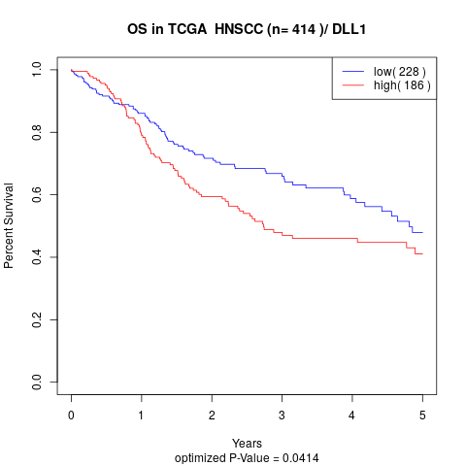

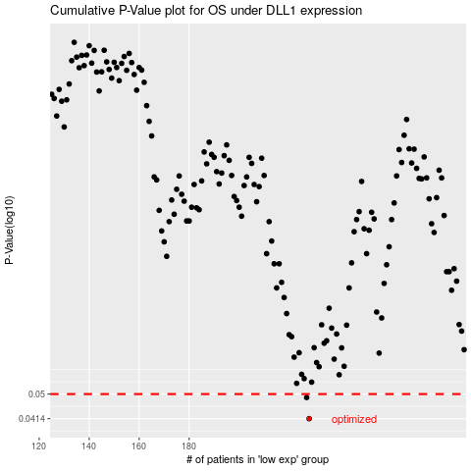

 |  |  |  |  |  | cases_OS | p_OS | rank | exp
 |  |  |  |  |  | 228 | 0.0414 | 207 | -0.10968724485
 |  |  |  |  |  | 227 | 0.0487 | 337 | -0.11344157751
 |  |  |  |  |  |  | cases_RFS | p_RFS | rank | exp
 |  |  |  |  |  |  | 227 | 0.0414 | 337 | -0.11344157751
 |  |  |  |  |  |  | 226 | 0.0487 | 100 | -0.11449037445

