DLL3 _multivariate
Reported by Tex Li-Hsing Chi. tex@gate.sinica.edu.tw 2019-08-20

Table 2. The clinicopathological features of HNSCC cohort and DLL3 expression. (Chi square test)
Cutoff at -0.328 (30.2%)
 |  | DLL3 expression |  | DLL3 expression |  | (Optimised)
 | Features | Low | (%) | High | (%) | Case no | P-value | Remark | Matthews
Gender | Female | 92 | 22.2 | 214 | 51.6 | 415 | 1 | 0 | 0
2 | Male | 33 | 8 | 76 | 18.3
Age at diagnosis | <=65y | 79 | 19 | 195 | 47 | 415 | 0.4936 | 0 | 0
4 | >65y | 46 | 11.1 | 95 | 22.9
Clinical T Status | T1+T2 | 55 | 13.3 | 94 | 22.7 | 415 | 0.0319 | 1 | 0
6 | T3+T4 | 70 | 16.9 | 196 | 47.2
Clinical N Status | N0 | 66 | 15.9 | 150 | 36.1 | 415 | 0.925 | 0 | 0
8 | N1-3 | 59 | 14.2 | 140 | 33.7
Clinical M Status | M0 | 125 | 30.1 | 287 | 69.2 | 415 | 0.5571 | 0 | 0
10 | M1 | 0 | 0 | 3 | 0.7
Clinical Stage | Stage I+II | 37 | 8.9 | 65 | 15.7 | 415 | 0.1511 | 0 | 0
12 | Stage III+IV | 88 | 21.2 | 225 | 54.2
Surgical Margin status | Negative | 95 | 22.9 | 223 | 53.7 | 415 | 0.8995 | 0 | 0
14 | Positive | 30 | 7.2 | 67 | 16.1
Tobacco Exposure | Low | 63 | 15.2 | 98 | 23.6 | 415 | 0.002 | 1 | 0
16 | High | 62 | 14.9 | 192 | 46.3

Table 3. Univariate/Multivariate Cox's proportional hazards regression analyses on OS time of DLL3 gene expression in HNSCC

 |  | Univariate |  |  |  | Multivariate
 | Features | HR | CI95%(L) | CI95%(H) | P-value | HR | CI95%(L) | CI95%(H) | P-value
1 | Female | 1 |  |  |  | 1
Gender | Male | 1.157 | 0.843 | 1.587 | 0.367 | 1.182 | 0.844 | 1.655 | 0.331
11 | <=65y | 1 |  |  |  | 1
Age at diagnosis | >65y | 1.329 | 0.99 | 1.784 | 0.058 | 1.433 | 1.053 | 1.95 | 0.022
12 | T1+T2 | 1 |  |  |  | 1
Clinical T Status | T3+T4 | 1.409 | 1.028 | 1.931 | 0.033 | 2.11 | 1.116 | 3.99 | 0.022
13 | N0 | 1 |  |  |  | 1
Clinical N Status | N1-3 | 1.185 | 0.89 | 1.577 | 0.246 | 1.275 | 0.892 | 1.822 | 0.183
14 | M0 | 1 |  |  |  | 1
Clinical M Status | M1 | 4.097 | 1.009 | 16.644 | 0.049 | 8.192 | 1.78 | 37.702 | 0.007
15 | Stage I+II | 1 |  |  |  | 1
Clinical Stage | Stage III+IV | 1.245 | 0.882 | 1.759 | 0.213 | 0.502 | 0.234 | 1.077 | 0.077
16 | Negative | 1 |  |  |  | 1
Surgical Margin status | Positive | 1.591 | 1.155 | 2.191 | 0.004 | 1.666 | 1.207 | 2.301 | 0.002
17 | Low | 1 |  |  |  | 1
Tobacco Exposure | High | 1.364 | 1.008 | 1.844 | 0.044 | 1.406 | 1.02 | 1.939 | 0.038
18 | Low | 1 |  |  |  | 1
RNAseq(z-score) | High | 1.518 | 1.086 | 2.12 | 0.015 | 1.431 | 1.018 | 2.01 | 0.039

Table 4. Univariate/Multivariate Cox's proportional hazards regression analyses on RFS time of DLL3 gene expression in HNSCC

 |  | Univariate |  |  |  | Multivariate
 | Features | HR | CI95%(L) | CI95%(H) | P-value | HR | CI95%(L) | CI95%(H) | P-value
1 | Female | 1 |  |  |  | 1
Gender | Male | 1.157 | 0.843 | 1.587 | 0.367 | 1.182 | 0.844 | 1.655 | 0.331
11 | <=65y | 1 |  |  |  | 1
Age at diagnosis | >65y | 1.329 | 0.99 | 1.784 | 0.058 | 1.433 | 1.053 | 1.95 | 0.022
12 | T1+T2 | 1 |  |  |  | 1
Clinical T Status | T3+T4 | 1.409 | 1.028 | 1.931 | 0.033 | 2.11 | 1.116 | 3.99 | 0.022
13 | N0 | 1 |  |  |  | 1
Clinical N Status | N1-3 | 1.185 | 0.89 | 1.577 | 0.246 | 1.275 | 0.892 | 1.822 | 0.183
14 | M0 | 1 |  |  |  | 1
Clinical M Status | M1 | 4.097 | 1.009 | 16.644 | 0.049 | 8.192 | 1.78 | 37.702 | 0.007
15 | Stage I+II | 1 |  |  |  | 1
Clinical Stage | Stage III+IV | 1.245 | 0.882 | 1.759 | 0.213 | 0.502 | 0.234 | 1.077 | 0.077
16 | Negative | 1 |  |  |  | 1
Surgical Margin status | Positive | 1.591 | 1.155 | 2.191 | 0.004 | 1.666 | 1.207 | 2.301 | 0.002
17 | Low | 1 |  |  |  | 1
Tobacco Exposure | High | 1.364 | 1.008 | 1.844 | 0.044 | 1.406 | 1.02 | 1.939 | 0.038
18 | Low | 1 |  |  |  | 1
RNAseq(z-score) | High | 1.518 | 1.086 | 2.12 | 0.015 | 1.431 | 1.018 | 2.01 | 0.039

Kaplan-Meier survival estimate: Cutoff at -0.328 (30.2%)

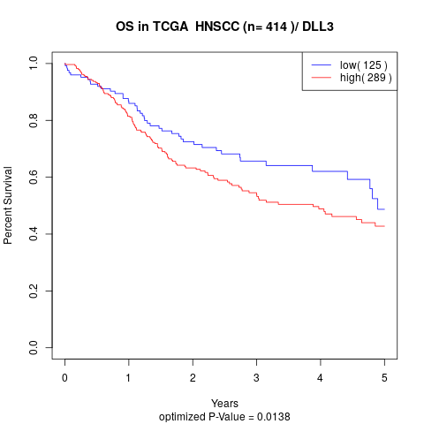

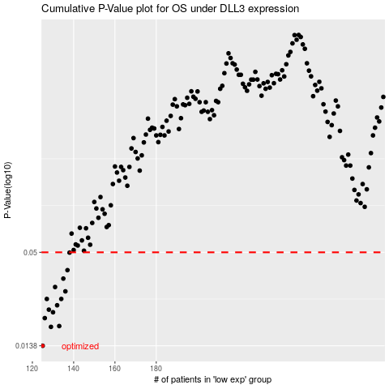

 |  |  |  |  |  | cases_OS | p_OS | rank | exp
 |  |  |  |  |  | 125 | 0.0138 | 61 | -0.32788100341
 |  |  |  |  |  | 129 | 0.0179 | 251 | -0.32203112425
 |  |  |  |  |  | 133 | 0.0181 | 276 | -0.31956131672
 |  |  |  |  |  | 126 | 0.0202 | 161 | -0.32773884095
 |  |  |  |  |  | 130 | 0.0219 | 379 | -0.32095323574
 |  |  |  |  |  | 128 | 0.0227 | 169 | -0.32267191623
 |  |  |  |  |  | 132 | 0.0241 | 122 | -0.31973742843
 |  |  |  |  |  | 134 | 0.0263 | 65 | -0.3194679563
 |  |  |  |  |  | 127 | 0.0263 | 382 | -0.32698347027
 |  |  |  |  |  | 136 | 0.0292 | 326 | -0.31917938772
 |  |  |  |  |  | 131 | 0.031 | 44 | -0.31984139799
 |  |  |  |  |  | 135 | 0.0348 | 167 | -0.31932155018
 |  |  |  |  |  | 137 | 0.0391 | 236 | -0.31895659581
 |  |  |  |  |  | 138 | 0.0498 | 125 | -0.31872743841
 |  |  |  |  |  |  | cases_RFS | p_RFS | rank | exp
 |  |  |  |  |  |  |  | 0.0138 | 202 | -0.3281016735
 |  |  |  |  |  |  | 128 | 0.0179 | 169 | -0.32267191623
 |  |  |  |  |  |  | 132 | 0.0181 | 122 | -0.31973742843
 |  |  |  |  |  |  | 125 | 0.0202 | 61 | -0.32788100341
 |  |  |  |  |  |  | 129 | 0.0219 | 251 | -0.32203112425
 |  |  |  |  |  |  | 127 | 0.0227 | 382 | -0.32698347027
 |  |  |  |  |  |  | 131 | 0.0241 | 44 | -0.31984139799
 |  |  |  |  |  |  | 126 | 0.0263 | 161 | -0.32773884095
 |  |  |  |  |  |  | 133 | 0.0263 | 276 | -0.31956131672
 |  |  |  |  |  |  | 135 | 0.0292 | 167 | -0.31932155018
 |  |  |  |  |  |  | 130 | 0.031 | 379 | -0.32095323574
 |  |  |  |  |  |  | 134 | 0.0348 | 65 | -0.3194679563
 |  |  |  |  |  |  | 136 | 0.0391 | 326 | -0.31917938772
 |  |  |  |  |  |  | 137 | 0.0498 | 236 | -0.31895659581

